LOC389458 _multivariate
Reported by Tex Li-Hsing Chi. tex@gate.sinica.edu.tw 2019-08-18

Table 2. The clinicopathological features of HNSCC cohort and LOC389458 expression. (Chi square test)
Cutoff at -0.261 (50.0%)
 |  | LOC389458 expression |  | LOC389458 expression |  | (Optimised)
 | Features | Low | (%) | High | (%) | Case no | P-value | Remark | Matthews
Gender | Female | 145 | 34.9 | 161 | 38.8 | 415 | 0.1116 | 0 | 0
2 | Male | 62 | 14.9 | 47 | 11.3
Age at diagnosis | <=65y | 141 | 34 | 133 | 32 | 415 | 0.4272 | 0 | 0
4 | >65y | 66 | 15.9 | 75 | 18.1
Clinical T Status | T1+T2 | 93 | 22.4 | 56 | 13.5 | 415 | 2e-04 | 1 | 0
6 | T3+T4 | 114 | 27.5 | 152 | 36.6
Clinical N Status | N0 | 105 | 25.3 | 111 | 26.7 | 415 | 0.6598 | 0 | 0
8 | N1-3 | 102 | 24.6 | 97 | 23.4
Clinical M Status | M0 | 207 | 49.9 | 205 | 49.4 | 415 | 0.2482 | 0 | 0
10 | M1 | 0 | 0 | 3 | 0.7
Clinical Stage | Stage I+II | 65 | 15.7 | 37 | 8.9 | 415 | 0.0019 | 1 | 0
12 | Stage III+IV | 142 | 34.2 | 171 | 41.2
Surgical Margin status | Negative | 152 | 36.6 | 166 | 40 | 415 | 0.1329 | 0 | 0
14 | Positive | 55 | 13.3 | 42 | 10.1
Tobacco Exposure | Low | 98 | 23.6 | 63 | 15.2 | 415 | 4e-04 | 1 | 0
16 | High | 109 | 26.3 | 145 | 34.9

Table 3. Univariate/Multivariate Cox's proportional hazards regression analyses on OS time of LOC389458 gene expression in HNSCC

 |  | Univariate |  |  |  | Multivariate
 | Features | HR | CI95%(L) | CI95%(H) | P-value | HR | CI95%(L) | CI95%(H) | P-value
1 | Female | 1 |  |  |  | 1
Gender | Male | 1.157 | 0.843 | 1.587 | 0.367 | 1.197 | 0.858 | 1.671 | 0.289
11 | <=65y | 1 |  |  |  | 1
Age at diagnosis | >65y | 1.329 | 0.99 | 1.784 | 0.058 | 1.393 | 1.025 | 1.894 | 0.034
12 | T1+T2 | 1 |  |  |  | 1
Clinical T Status | T3+T4 | 1.409 | 1.028 | 1.931 | 0.033 | 2.243 | 1.184 | 4.247 | 0.013
13 | N0 | 1 |  |  |  | 1
Clinical N Status | N1-3 | 1.185 | 0.89 | 1.577 | 0.246 | 1.225 | 0.858 | 1.749 | 0.263
14 | M0 | 1 |  |  |  | 1
Clinical M Status | M1 | 4.097 | 1.009 | 16.644 | 0.049 | 10.252 | 2.212 | 47.507 | 0.003
15 | Stage I+II | 1 |  |  |  | 1
Clinical Stage | Stage III+IV | 1.245 | 0.882 | 1.759 | 0.213 | 0.517 | 0.24 | 1.111 | 0.091
16 | Negative | 1 |  |  |  | 1
Surgical Margin status | Positive | 1.591 | 1.155 | 2.191 | 0.004 | 1.645 | 1.188 | 2.277 | 0.003
17 | Low | 1 |  |  |  | 1
Tobacco Exposure | High | 1.364 | 1.008 | 1.844 | 0.044 | 1.481 | 1.073 | 2.044 | 0.017
18 | Low | 1 |  |  |  | 1
RNAseq(z-score) | High | 0.947 | 0.71 | 1.263 | 0.71 | 0.864 | 0.639 | 1.168 | 0.343

Table 4. Univariate/Multivariate Cox's proportional hazards regression analyses on RFS time of LOC389458 gene expression in HNSCC

 |  | Univariate |  |  |  | Multivariate
 | Features | HR | CI95%(L) | CI95%(H) | P-value | HR | CI95%(L) | CI95%(H) | P-value
1 | Female | 1 |  |  |  | 1
Gender | Male | 1.157 | 0.843 | 1.587 | 0.367 | 1.197 | 0.858 | 1.671 | 0.289
11 | <=65y | 1 |  |  |  | 1
Age at diagnosis | >65y | 1.329 | 0.99 | 1.784 | 0.058 | 1.393 | 1.025 | 1.894 | 0.034
12 | T1+T2 | 1 |  |  |  | 1
Clinical T Status | T3+T4 | 1.409 | 1.028 | 1.931 | 0.033 | 2.243 | 1.184 | 4.247 | 0.013
13 | N0 | 1 |  |  |  | 1
Clinical N Status | N1-3 | 1.185 | 0.89 | 1.577 | 0.246 | 1.225 | 0.858 | 1.749 | 0.263
14 | M0 | 1 |  |  |  | 1
Clinical M Status | M1 | 4.097 | 1.009 | 16.644 | 0.049 | 10.252 | 2.212 | 47.507 | 0.003
15 | Stage I+II | 1 |  |  |  | 1
Clinical Stage | Stage III+IV | 1.245 | 0.882 | 1.759 | 0.213 | 0.517 | 0.24 | 1.111 | 0.091
16 | Negative | 1 |  |  |  | 1
Surgical Margin status | Positive | 1.591 | 1.155 | 2.191 | 0.004 | 1.645 | 1.188 | 2.277 | 0.003
17 | Low | 1 |  |  |  | 1
Tobacco Exposure | High | 1.364 | 1.008 | 1.844 | 0.044 | 1.481 | 1.073 | 2.044 | 0.017
18 | Low | 1 |  |  |  | 1
RNAseq(z-score) | High | 0.947 | 0.71 | 1.263 | 0.71 | 0.864 | 0.639 | 1.168 | 0.343

Kaplan-Meier survival estimate: Cutoff at -0.261 (50.0%)



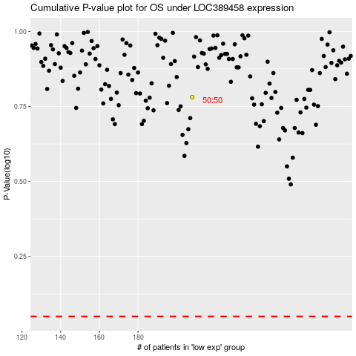

 |  |  |  |  |  | cases_OS | p_OS | rank | exp
 |  |  |  |  |  |  | cases_RFS | p_RFS | rank | exp

