LOC389634 _multivariate
Reported by Tex Li-Hsing Chi. tex@gate.sinica.edu.tw 2019-08-18

Table 2. The clinicopathological features of HNSCC cohort and LOC389634 expression. (Chi square test)
Cutoff at -0.203 (49.8%)
 |  | LOC389634 expression |  | LOC389634 expression |  | (Optimised)
 | Features | Low | (%) | High | (%) | Case no | P-value | Remark | Matthews
Gender | Female | 151 | 36.4 | 155 | 37.3 | 415 | 0.8007 | 0 | 0
2 | Male | 56 | 13.5 | 53 | 12.8
Age at diagnosis | <=65y | 142 | 34.2 | 132 | 31.8 | 415 | 0.3167 | 0 | 0
4 | >65y | 65 | 15.7 | 76 | 18.3
Clinical T Status | T1+T2 | 67 | 16.1 | 82 | 19.8 | 415 | 0.1628 | 0 | 0
6 | T3+T4 | 140 | 33.7 | 126 | 30.4
Clinical N Status | N0 | 111 | 26.7 | 105 | 25.3 | 415 | 0.5875 | 0 | 0
8 | N1-3 | 96 | 23.1 | 103 | 24.8
Clinical M Status | M0 | 206 | 49.6 | 206 | 49.6 | 415 | 1 | 0 | 0
10 | M1 | 1 | 0.2 | 2 | 0.5
Clinical Stage | Stage I+II | 50 | 12 | 52 | 12.5 | 415 | 0.9315 | 0 | 0
12 | Stage III+IV | 157 | 37.8 | 156 | 37.6
Surgical Margin status | Negative | 160 | 38.6 | 158 | 38.1 | 415 | 0.8167 | 0 | 0
14 | Positive | 47 | 11.3 | 50 | 12
Tobacco Exposure | Low | 80 | 19.3 | 81 | 19.5 | 415 | 1 | 0 | 0
16 | High | 127 | 30.6 | 127 | 30.6

Table 3. Univariate/Multivariate Cox's proportional hazards regression analyses on OS time of LOC389634 gene expression in HNSCC

 |  | Univariate |  |  |  | Multivariate
 | Features | HR | CI95%(L) | CI95%(H) | P-value | HR | CI95%(L) | CI95%(H) | P-value
1 | Female | 1 |  |  |  | 1
Gender | Male | 1.157 | 0.843 | 1.587 | 0.367 | 1.194 | 0.854 | 1.669 | 0.301
11 | <=65y | 1 |  |  |  | 1
Age at diagnosis | >65y | 1.329 | 0.99 | 1.784 | 0.058 | 1.41 | 1.035 | 1.921 | 0.029
12 | T1+T2 | 1 |  |  |  | 1
Clinical T Status | T3+T4 | 1.409 | 1.028 | 1.931 | 0.033 | 2.175 | 1.149 | 4.116 | 0.017
13 | N0 | 1 |  |  |  | 1
Clinical N Status | N1-3 | 1.185 | 0.89 | 1.577 | 0.246 | 1.239 | 0.868 | 1.768 | 0.237
14 | M0 | 1 |  |  |  | 1
Clinical M Status | M1 | 4.097 | 1.009 | 16.644 | 0.049 | 9.43 | 2.057 | 43.237 | 0.004
15 | Stage I+II | 1 |  |  |  | 1
Clinical Stage | Stage III+IV | 1.245 | 0.882 | 1.759 | 0.213 | 0.507 | 0.236 | 1.088 | 0.081
16 | Negative | 1 |  |  |  | 1
Surgical Margin status | Positive | 1.591 | 1.155 | 2.191 | 0.004 | 1.686 | 1.219 | 2.331 | 0.002
17 | Low | 1 |  |  |  | 1
Tobacco Exposure | High | 1.364 | 1.008 | 1.844 | 0.044 | 1.466 | 1.062 | 2.023 | 0.02
18 | Low | 1 |  |  |  | 1
RNAseq(z-score) | High | 0.917 | 0.689 | 1.222 | 0.556 | 0.895 | 0.669 | 1.198 | 0.457

Table 4. Univariate/Multivariate Cox's proportional hazards regression analyses on RFS time of LOC389634 gene expression in HNSCC

 |  | Univariate |  |  |  | Multivariate
 | Features | HR | CI95%(L) | CI95%(H) | P-value | HR | CI95%(L) | CI95%(H) | P-value
1 | Female | 1 |  |  |  | 1
Gender | Male | 1.157 | 0.843 | 1.587 | 0.367 | 1.194 | 0.854 | 1.669 | 0.301
11 | <=65y | 1 |  |  |  | 1
Age at diagnosis | >65y | 1.329 | 0.99 | 1.784 | 0.058 | 1.41 | 1.035 | 1.921 | 0.029
12 | T1+T2 | 1 |  |  |  | 1
Clinical T Status | T3+T4 | 1.409 | 1.028 | 1.931 | 0.033 | 2.175 | 1.149 | 4.116 | 0.017
13 | N0 | 1 |  |  |  | 1
Clinical N Status | N1-3 | 1.185 | 0.89 | 1.577 | 0.246 | 1.239 | 0.868 | 1.768 | 0.237
14 | M0 | 1 |  |  |  | 1
Clinical M Status | M1 | 4.097 | 1.009 | 16.644 | 0.049 | 9.43 | 2.057 | 43.237 | 0.004
15 | Stage I+II | 1 |  |  |  | 1
Clinical Stage | Stage III+IV | 1.245 | 0.882 | 1.759 | 0.213 | 0.507 | 0.236 | 1.088 | 0.081
16 | Negative | 1 |  |  |  | 1
Surgical Margin status | Positive | 1.591 | 1.155 | 2.191 | 0.004 | 1.686 | 1.219 | 2.331 | 0.002
17 | Low | 1 |  |  |  | 1
Tobacco Exposure | High | 1.364 | 1.008 | 1.844 | 0.044 | 1.466 | 1.062 | 2.023 | 0.02
18 | Low | 1 |  |  |  | 1
RNAseq(z-score) | High | 0.917 | 0.689 | 1.222 | 0.556 | 0.895 | 0.669 | 1.198 | 0.457

Kaplan-Meier survival estimate: Cutoff at -0.203 (49.8%)



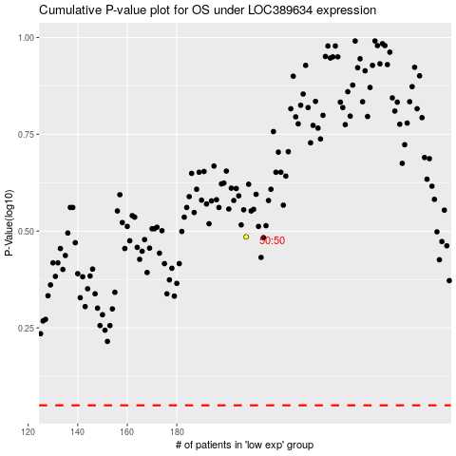

 |  |  |  |  |  | cases_OS | p_OS | rank | exp
 |  |  |  |  |  |  | cases_RFS | p_RFS | rank | exp

