LOC389705 _multivariate
Reported by Tex Li-Hsing Chi. tex@gate.sinica.edu.tw 2019-08-18

Table 2. The clinicopathological features of HNSCC cohort and LOC389705 expression. (Chi square test)
Cutoff at -0.292 (49.8%)
 |  | LOC389705 expression |  | LOC389705 expression |  | (Optimised)
 | Features | Low | (%) | High | (%) | Case no | P-value | Remark | Matthews
Gender | Female | 155 | 37.3 | 151 | 36.4 | 415 | 0.6768 | 0 | 0
2 | Male | 52 | 12.5 | 57 | 13.7
Age at diagnosis | <=65y | 147 | 35.4 | 127 | 30.6 | 415 | 0.0416 | 1 | 0
4 | >65y | 60 | 14.5 | 81 | 19.5
Clinical T Status | T1+T2 | 71 | 17.1 | 78 | 18.8 | 415 | 0.5638 | 0 | 0
6 | T3+T4 | 136 | 32.8 | 130 | 31.3
Clinical N Status | N0 | 102 | 24.6 | 114 | 27.5 | 415 | 0.3031 | 0 | 0
8 | N1-3 | 105 | 25.3 | 94 | 22.7
Clinical M Status | M0 | 206 | 49.6 | 206 | 49.6 | 415 | 1 | 0 | 0
10 | M1 | 1 | 0.2 | 2 | 0.5
Clinical Stage | Stage I+II | 47 | 11.3 | 55 | 13.3 | 415 | 0.4413 | 0 | 0
12 | Stage III+IV | 160 | 38.6 | 153 | 36.9
Surgical Margin status | Negative | 158 | 38.1 | 160 | 38.6 | 415 | 0.9081 | 0 | 0
14 | Positive | 49 | 11.8 | 48 | 11.6
Tobacco Exposure | Low | 79 | 19 | 82 | 19.8 | 415 | 0.8405 | 0 | 0
16 | High | 128 | 30.8 | 126 | 30.4

Table 3. Univariate/Multivariate Cox's proportional hazards regression analyses on OS time of LOC389705 gene expression in HNSCC

 |  | Univariate |  |  |  | Multivariate
 | Features | HR | CI95%(L) | CI95%(H) | P-value | HR | CI95%(L) | CI95%(H) | P-value
1 | Female | 1 |  |  |  | 1
Gender | Male | 1.157 | 0.843 | 1.587 | 0.367 | 1.213 | 0.867 | 1.698 | 0.26
11 | <=65y | 1 |  |  |  | 1
Age at diagnosis | >65y | 1.329 | 0.99 | 1.784 | 0.058 | 1.399 | 1.029 | 1.902 | 0.032
12 | T1+T2 | 1 |  |  |  | 1
Clinical T Status | T3+T4 | 1.409 | 1.028 | 1.931 | 0.033 | 2.198 | 1.163 | 4.156 | 0.015
13 | N0 | 1 |  |  |  | 1
Clinical N Status | N1-3 | 1.185 | 0.89 | 1.577 | 0.246 | 1.229 | 0.86 | 1.756 | 0.258
14 | M0 | 1 |  |  |  | 1
Clinical M Status | M1 | 4.097 | 1.009 | 16.644 | 0.049 | 9.731 | 2.113 | 44.808 | 0.003
15 | Stage I+II | 1 |  |  |  | 1
Clinical Stage | Stage III+IV | 1.245 | 0.882 | 1.759 | 0.213 | 0.503 | 0.234 | 1.079 | 0.078
16 | Negative | 1 |  |  |  | 1
Surgical Margin status | Positive | 1.591 | 1.155 | 2.191 | 0.004 | 1.689 | 1.22 | 2.338 | 0.002
17 | Low | 1 |  |  |  | 1
Tobacco Exposure | High | 1.364 | 1.008 | 1.844 | 0.044 | 1.456 | 1.057 | 2.007 | 0.022
18 | Low | 1 |  |  |  | 1
RNAseq(z-score) | High | 0.987 | 0.74 | 1.317 | 0.931 | 0.918 | 0.683 | 1.234 | 0.571

Table 4. Univariate/Multivariate Cox's proportional hazards regression analyses on RFS time of LOC389705 gene expression in HNSCC

 |  | Univariate |  |  |  | Multivariate
 | Features | HR | CI95%(L) | CI95%(H) | P-value | HR | CI95%(L) | CI95%(H) | P-value
1 | Female | 1 |  |  |  | 1
Gender | Male | 1.157 | 0.843 | 1.587 | 0.367 | 1.213 | 0.867 | 1.698 | 0.26
11 | <=65y | 1 |  |  |  | 1
Age at diagnosis | >65y | 1.329 | 0.99 | 1.784 | 0.058 | 1.399 | 1.029 | 1.902 | 0.032
12 | T1+T2 | 1 |  |  |  | 1
Clinical T Status | T3+T4 | 1.409 | 1.028 | 1.931 | 0.033 | 2.198 | 1.163 | 4.156 | 0.015
13 | N0 | 1 |  |  |  | 1
Clinical N Status | N1-3 | 1.185 | 0.89 | 1.577 | 0.246 | 1.229 | 0.86 | 1.756 | 0.258
14 | M0 | 1 |  |  |  | 1
Clinical M Status | M1 | 4.097 | 1.009 | 16.644 | 0.049 | 9.731 | 2.113 | 44.808 | 0.003
15 | Stage I+II | 1 |  |  |  | 1
Clinical Stage | Stage III+IV | 1.245 | 0.882 | 1.759 | 0.213 | 0.503 | 0.234 | 1.079 | 0.078
16 | Negative | 1 |  |  |  | 1
Surgical Margin status | Positive | 1.591 | 1.155 | 2.191 | 0.004 | 1.689 | 1.22 | 2.338 | 0.002
17 | Low | 1 |  |  |  | 1
Tobacco Exposure | High | 1.364 | 1.008 | 1.844 | 0.044 | 1.456 | 1.057 | 2.007 | 0.022
18 | Low | 1 |  |  |  | 1
RNAseq(z-score) | High | 0.987 | 0.74 | 1.317 | 0.931 | 0.918 | 0.683 | 1.234 | 0.571

Kaplan-Meier survival estimate: Cutoff at -0.292 (49.8%)



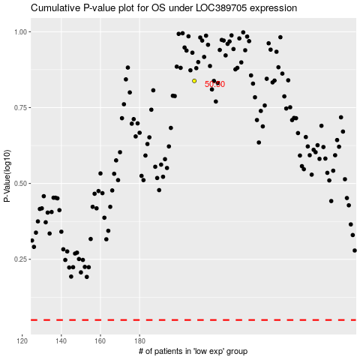

 |  |  |  |  |  | cases_OS | p_OS | rank | exp
 |  |  |  |  |  |  | cases_RFS | p_RFS | rank | exp

