LOC390595 _multivariate
Reported by Tex Li-Hsing Chi. tex@gate.sinica.edu.tw 2019-08-18

Table 2. The clinicopathological features of HNSCC cohort and LOC390595 expression. (Chi square test)
Cutoff at -0.211 (49.8%)
 |  | LOC390595 expression |  | LOC390595 expression |  | (Optimised)
 | Features | Low | (%) | High | (%) | Case no | P-value | Remark | Matthews
Gender | Female | 147 | 35.4 | 159 | 38.3 | 415 | 0.2523 | 0 | 0
2 | Male | 60 | 14.5 | 49 | 11.8
Age at diagnosis | <=65y | 144 | 34.7 | 130 | 31.3 | 415 | 0.1568 | 0 | 0
4 | >65y | 63 | 15.2 | 78 | 18.8
Clinical T Status | T1+T2 | 75 | 18.1 | 74 | 17.8 | 415 | 0.9707 | 0 | 0
6 | T3+T4 | 132 | 31.8 | 134 | 32.3
Clinical N Status | N0 | 103 | 24.8 | 113 | 27.2 | 415 | 0.4047 | 0 | 0
8 | N1-3 | 104 | 25.1 | 95 | 22.9
Clinical M Status | M0 | 207 | 49.9 | 205 | 49.4 | 415 | 0.2482 | 0 | 0
10 | M1 | 0 | 0 | 3 | 0.7
Clinical Stage | Stage I+II | 52 | 12.5 | 50 | 12 | 415 | 0.8871 | 0 | 0
12 | Stage III+IV | 155 | 37.3 | 158 | 38.1
Surgical Margin status | Negative | 160 | 38.6 | 158 | 38.1 | 415 | 0.8167 | 0 | 0
14 | Positive | 47 | 11.3 | 50 | 12
Tobacco Exposure | Low | 79 | 19 | 82 | 19.8 | 415 | 0.8405 | 0 | 0
16 | High | 128 | 30.8 | 126 | 30.4

Table 3. Univariate/Multivariate Cox's proportional hazards regression analyses on OS time of LOC390595 gene expression in HNSCC

 |  | Univariate |  |  |  | Multivariate
 | Features | HR | CI95%(L) | CI95%(H) | P-value | HR | CI95%(L) | CI95%(H) | P-value
1 | Female | 1 |  |  |  | 1
Gender | Male | 1.157 | 0.843 | 1.587 | 0.367 | 1.164 | 0.832 | 1.63 | 0.375
11 | <=65y | 1 |  |  |  | 1
Age at diagnosis | >65y | 1.329 | 0.99 | 1.784 | 0.058 | 1.457 | 1.066 | 1.992 | 0.018
12 | T1+T2 | 1 |  |  |  | 1
Clinical T Status | T3+T4 | 1.409 | 1.028 | 1.931 | 0.033 | 2.243 | 1.186 | 4.243 | 0.013
13 | N0 | 1 |  |  |  | 1
Clinical N Status | N1-3 | 1.185 | 0.89 | 1.577 | 0.246 | 1.242 | 0.87 | 1.772 | 0.232
14 | M0 | 1 |  |  |  | 1
Clinical M Status | M1 | 4.097 | 1.009 | 16.644 | 0.049 | 10.905 | 2.352 | 50.558 | 0.002
15 | Stage I+II | 1 |  |  |  | 1
Clinical Stage | Stage III+IV | 1.245 | 0.882 | 1.759 | 0.213 | 0.493 | 0.23 | 1.06 | 0.07
16 | Negative | 1 |  |  |  | 1
Surgical Margin status | Positive | 1.591 | 1.155 | 2.191 | 0.004 | 1.691 | 1.223 | 2.337 | 0.001
17 | Low | 1 |  |  |  | 1
Tobacco Exposure | High | 1.364 | 1.008 | 1.844 | 0.044 | 1.459 | 1.059 | 2.01 | 0.021
18 | Low | 1 |  |  |  | 1
RNAseq(z-score) | High | 0.847 | 0.634 | 1.132 | 0.261 | 0.78 | 0.578 | 1.051 | 0.103

Table 4. Univariate/Multivariate Cox's proportional hazards regression analyses on RFS time of LOC390595 gene expression in HNSCC

 |  | Univariate |  |  |  | Multivariate
 | Features | HR | CI95%(L) | CI95%(H) | P-value | HR | CI95%(L) | CI95%(H) | P-value
1 | Female | 1 |  |  |  | 1
Gender | Male | 1.157 | 0.843 | 1.587 | 0.367 | 1.164 | 0.832 | 1.63 | 0.375
11 | <=65y | 1 |  |  |  | 1
Age at diagnosis | >65y | 1.329 | 0.99 | 1.784 | 0.058 | 1.457 | 1.066 | 1.992 | 0.018
12 | T1+T2 | 1 |  |  |  | 1
Clinical T Status | T3+T4 | 1.409 | 1.028 | 1.931 | 0.033 | 2.243 | 1.186 | 4.243 | 0.013
13 | N0 | 1 |  |  |  | 1
Clinical N Status | N1-3 | 1.185 | 0.89 | 1.577 | 0.246 | 1.242 | 0.87 | 1.772 | 0.232
14 | M0 | 1 |  |  |  | 1
Clinical M Status | M1 | 4.097 | 1.009 | 16.644 | 0.049 | 10.905 | 2.352 | 50.558 | 0.002
15 | Stage I+II | 1 |  |  |  | 1
Clinical Stage | Stage III+IV | 1.245 | 0.882 | 1.759 | 0.213 | 0.493 | 0.23 | 1.06 | 0.07
16 | Negative | 1 |  |  |  | 1
Surgical Margin status | Positive | 1.591 | 1.155 | 2.191 | 0.004 | 1.691 | 1.223 | 2.337 | 0.001
17 | Low | 1 |  |  |  | 1
Tobacco Exposure | High | 1.364 | 1.008 | 1.844 | 0.044 | 1.459 | 1.059 | 2.01 | 0.021
18 | Low | 1 |  |  |  | 1
RNAseq(z-score) | High | 0.847 | 0.634 | 1.132 | 0.261 | 0.78 | 0.578 | 1.051 | 0.103

Kaplan-Meier survival estimate: Cutoff at -0.211 (49.8%)



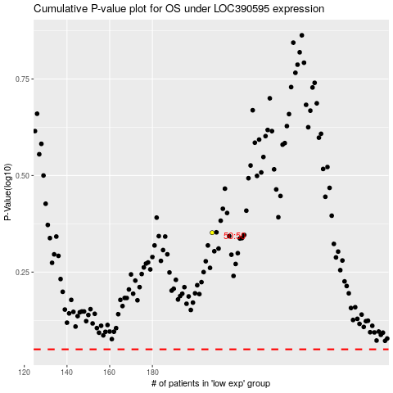

 |  |  |  |  |  | cases_OS | p_OS | rank | exp
 |  |  |  |  |  |  | cases_RFS | p_RFS | rank | exp

