LOC399815 _multivariate
Reported by Tex Li-Hsing Chi. tex@gate.sinica.edu.tw 2019-08-18

Table 2. The clinicopathological features of HNSCC cohort and LOC399815 expression. (Chi square test)
Cutoff at -0.338 (49.8%)
 |  | LOC399815 expression |  | LOC399815 expression |  | (Optimised)
 | Features | Low | (%) | High | (%) | Case no | P-value | Remark | Matthews
Gender | Female | 141 | 34 | 165 | 39.8 | 415 | 0.013 | 1 | 0
2 | Male | 66 | 15.9 | 43 | 10.4
Age at diagnosis | <=65y | 122 | 29.4 | 152 | 36.6 | 415 | 0.0033 | 1 | 0
4 | >65y | 85 | 20.5 | 56 | 13.5
Clinical T Status | T1+T2 | 71 | 17.1 | 78 | 18.8 | 415 | 0.5638 | 0 | 0
6 | T3+T4 | 136 | 32.8 | 130 | 31.3
Clinical N Status | N0 | 115 | 27.7 | 101 | 24.3 | 415 | 0.184 | 1 | 0
8 | N1-3 | 92 | 22.2 | 107 | 25.8
Clinical M Status | M0 | 206 | 49.6 | 206 | 49.6 | 415 | 1 | 0 | 0
10 | M1 | 1 | 0.2 | 2 | 0.5
Clinical Stage | Stage I+II | 56 | 13.5 | 46 | 11.1 | 415 | 0.2918 | 0 | 0
12 | Stage III+IV | 151 | 36.4 | 162 | 39
Surgical Margin status | Negative | 158 | 38.1 | 160 | 38.6 | 415 | 0.9081 | 0 | 0
14 | Positive | 49 | 11.8 | 48 | 11.6
Tobacco Exposure | Low | 94 | 22.7 | 67 | 16.1 | 415 | 0.0065 | 1 | 0
16 | High | 113 | 27.2 | 141 | 34

Table 3. Univariate/Multivariate Cox's proportional hazards regression analyses on OS time of LOC399815 gene expression in HNSCC

 |  | Univariate |  |  |  | Multivariate
 | Features | HR | CI95%(L) | CI95%(H) | P-value | HR | CI95%(L) | CI95%(H) | P-value
1 | Female | 1 |  |  |  | 1
Gender | Male | 1.157 | 0.843 | 1.587 | 0.367 | 1.201 | 0.859 | 1.679 | 0.285
11 | <=65y | 1 |  |  |  | 1
Age at diagnosis | >65y | 1.329 | 0.99 | 1.784 | 0.058 | 1.391 | 1.022 | 1.892 | 0.036
12 | T1+T2 | 1 |  |  |  | 1
Clinical T Status | T3+T4 | 1.409 | 1.028 | 1.931 | 0.033 | 2.198 | 1.16 | 4.166 | 0.016
13 | N0 | 1 |  |  |  | 1
Clinical N Status | N1-3 | 1.185 | 0.89 | 1.577 | 0.246 | 1.241 | 0.87 | 1.772 | 0.233
14 | M0 | 1 |  |  |  | 1
Clinical M Status | M1 | 4.097 | 1.009 | 16.644 | 0.049 | 9.398 | 2.05 | 43.089 | 0.004
15 | Stage I+II | 1 |  |  |  | 1
Clinical Stage | Stage III+IV | 1.245 | 0.882 | 1.759 | 0.213 | 0.505 | 0.235 | 1.086 | 0.08
16 | Negative | 1 |  |  |  | 1
Surgical Margin status | Positive | 1.591 | 1.155 | 2.191 | 0.004 | 1.672 | 1.21 | 2.31 | 0.002
17 | Low | 1 |  |  |  | 1
Tobacco Exposure | High | 1.364 | 1.008 | 1.844 | 0.044 | 1.456 | 1.052 | 2.014 | 0.023
18 | Low | 1 |  |  |  | 1
RNAseq(z-score) | High | 0.987 | 0.741 | 1.314 | 0.926 | 0.99 | 0.736 | 1.331 | 0.945

Table 4. Univariate/Multivariate Cox's proportional hazards regression analyses on RFS time of LOC399815 gene expression in HNSCC

 |  | Univariate |  |  |  | Multivariate
 | Features | HR | CI95%(L) | CI95%(H) | P-value | HR | CI95%(L) | CI95%(H) | P-value
1 | Female | 1 |  |  |  | 1
Gender | Male | 1.157 | 0.843 | 1.587 | 0.367 | 1.201 | 0.859 | 1.679 | 0.285
11 | <=65y | 1 |  |  |  | 1
Age at diagnosis | >65y | 1.329 | 0.99 | 1.784 | 0.058 | 1.391 | 1.022 | 1.892 | 0.036
12 | T1+T2 | 1 |  |  |  | 1
Clinical T Status | T3+T4 | 1.409 | 1.028 | 1.931 | 0.033 | 2.198 | 1.16 | 4.166 | 0.016
13 | N0 | 1 |  |  |  | 1
Clinical N Status | N1-3 | 1.185 | 0.89 | 1.577 | 0.246 | 1.241 | 0.87 | 1.772 | 0.233
14 | M0 | 1 |  |  |  | 1
Clinical M Status | M1 | 4.097 | 1.009 | 16.644 | 0.049 | 9.398 | 2.05 | 43.089 | 0.004
15 | Stage I+II | 1 |  |  |  | 1
Clinical Stage | Stage III+IV | 1.245 | 0.882 | 1.759 | 0.213 | 0.505 | 0.235 | 1.086 | 0.08
16 | Negative | 1 |  |  |  | 1
Surgical Margin status | Positive | 1.591 | 1.155 | 2.191 | 0.004 | 1.672 | 1.21 | 2.31 | 0.002
17 | Low | 1 |  |  |  | 1
Tobacco Exposure | High | 1.364 | 1.008 | 1.844 | 0.044 | 1.456 | 1.052 | 2.014 | 0.023
18 | Low | 1 |  |  |  | 1
RNAseq(z-score) | High | 0.987 | 0.741 | 1.314 | 0.926 | 0.99 | 0.736 | 1.331 | 0.945

Kaplan-Meier survival estimate: Cutoff at -0.338 (49.8%)



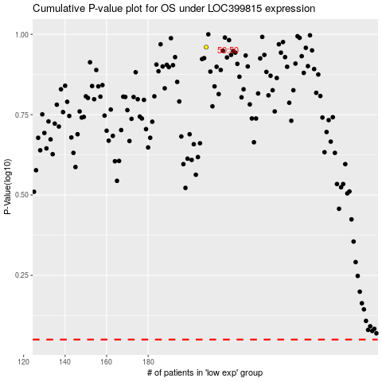

 |  |  |  |  |  | cases_OS | p_OS | rank | exp
 |  |  |  |  |  |  | cases_RFS | p_RFS | rank | exp

