LOC399959 _multivariate
Reported by Tex Li-Hsing Chi. tex@gate.sinica.edu.tw 2019-08-18

Table 2. The clinicopathological features of HNSCC cohort and LOC399959 expression. (Chi square test)
Cutoff at -0.305 (49.8%)
 |  | LOC399959 expression |  | LOC399959 expression |  | (Optimised)
 | Features | Low | (%) | High | (%) | Case no | P-value | Remark | Matthews
Gender | Female | 154 | 37.1 | 152 | 36.6 | 415 | 0.8463 | 0 | 0
2 | Male | 53 | 12.8 | 56 | 13.5
Age at diagnosis | <=65y | 128 | 30.8 | 146 | 35.2 | 415 | 0.0904 | 0 | 0
4 | >65y | 79 | 19 | 62 | 14.9
Clinical T Status | T1+T2 | 69 | 16.6 | 80 | 19.3 | 415 | 0.3239 | 0 | 0
6 | T3+T4 | 138 | 33.3 | 128 | 30.8
Clinical N Status | N0 | 122 | 29.4 | 94 | 22.7 | 415 | 0.0068 | 1 | 0
8 | N1-3 | 85 | 20.5 | 114 | 27.5
Clinical M Status | M0 | 204 | 49.2 | 208 | 50.1 | 415 | 0.1232 | 0 | 0
10 | M1 | 3 | 0.7 | 0 | 0
Clinical Stage | Stage I+II | 51 | 12.3 | 51 | 12.3 | 415 | 1 | 0 | 0
12 | Stage III+IV | 156 | 37.6 | 157 | 37.8
Surgical Margin status | Negative | 160 | 38.6 | 158 | 38.1 | 415 | 0.8167 | 0 | 0
14 | Positive | 47 | 11.3 | 50 | 12
Tobacco Exposure | Low | 83 | 20 | 78 | 18.8 | 415 | 0.6152 | 0 | 0
16 | High | 124 | 29.9 | 130 | 31.3

Table 3. Univariate/Multivariate Cox's proportional hazards regression analyses on OS time of LOC399959 gene expression in HNSCC

 |  | Univariate |  |  |  | Multivariate
 | Features | HR | CI95%(L) | CI95%(H) | P-value | HR | CI95%(L) | CI95%(H) | P-value
1 | Female | 1 |  |  |  | 1
Gender | Male | 1.157 | 0.843 | 1.587 | 0.367 | 1.208 | 0.864 | 1.689 | 0.268
11 | <=65y | 1 |  |  |  | 1
Age at diagnosis | >65y | 1.329 | 0.99 | 1.784 | 0.058 | 1.38 | 1.014 | 1.877 | 0.041
12 | T1+T2 | 1 |  |  |  | 1
Clinical T Status | T3+T4 | 1.409 | 1.028 | 1.931 | 0.033 | 2.186 | 1.156 | 4.135 | 0.016
13 | N0 | 1 |  |  |  | 1
Clinical N Status | N1-3 | 1.185 | 0.89 | 1.577 | 0.246 | 1.26 | 0.881 | 1.802 | 0.206
14 | M0 | 1 |  |  |  | 1
Clinical M Status | M1 | 4.097 | 1.009 | 16.644 | 0.049 | 8.834 | 1.91 | 40.854 | 0.005
15 | Stage I+II | 1 |  |  |  | 1
Clinical Stage | Stage III+IV | 1.245 | 0.882 | 1.759 | 0.213 | 0.5 | 0.233 | 1.073 | 0.075
16 | Negative | 1 |  |  |  | 1
Surgical Margin status | Positive | 1.591 | 1.155 | 2.191 | 0.004 | 1.68 | 1.216 | 2.323 | 0.002
17 | Low | 1 |  |  |  | 1
Tobacco Exposure | High | 1.364 | 1.008 | 1.844 | 0.044 | 1.464 | 1.062 | 2.019 | 0.02
18 | Low | 1 |  |  |  | 1
RNAseq(z-score) | High | 0.887 | 0.666 | 1.182 | 0.413 | 0.896 | 0.668 | 1.202 | 0.464

Table 4. Univariate/Multivariate Cox's proportional hazards regression analyses on RFS time of LOC399959 gene expression in HNSCC

 |  | Univariate |  |  |  | Multivariate
 | Features | HR | CI95%(L) | CI95%(H) | P-value | HR | CI95%(L) | CI95%(H) | P-value
1 | Female | 1 |  |  |  | 1
Gender | Male | 1.157 | 0.843 | 1.587 | 0.367 | 1.208 | 0.864 | 1.689 | 0.268
11 | <=65y | 1 |  |  |  | 1
Age at diagnosis | >65y | 1.329 | 0.99 | 1.784 | 0.058 | 1.38 | 1.014 | 1.877 | 0.041
12 | T1+T2 | 1 |  |  |  | 1
Clinical T Status | T3+T4 | 1.409 | 1.028 | 1.931 | 0.033 | 2.186 | 1.156 | 4.135 | 0.016
13 | N0 | 1 |  |  |  | 1
Clinical N Status | N1-3 | 1.185 | 0.89 | 1.577 | 0.246 | 1.26 | 0.881 | 1.802 | 0.206
14 | M0 | 1 |  |  |  | 1
Clinical M Status | M1 | 4.097 | 1.009 | 16.644 | 0.049 | 8.834 | 1.91 | 40.854 | 0.005
15 | Stage I+II | 1 |  |  |  | 1
Clinical Stage | Stage III+IV | 1.245 | 0.882 | 1.759 | 0.213 | 0.5 | 0.233 | 1.073 | 0.075
16 | Negative | 1 |  |  |  | 1
Surgical Margin status | Positive | 1.591 | 1.155 | 2.191 | 0.004 | 1.68 | 1.216 | 2.323 | 0.002
17 | Low | 1 |  |  |  | 1
Tobacco Exposure | High | 1.364 | 1.008 | 1.844 | 0.044 | 1.464 | 1.062 | 2.019 | 0.02
18 | Low | 1 |  |  |  | 1
RNAseq(z-score) | High | 0.887 | 0.666 | 1.182 | 0.413 | 0.896 | 0.668 | 1.202 | 0.464

Kaplan-Meier survival estimate: Cutoff at -0.305 (49.8%)



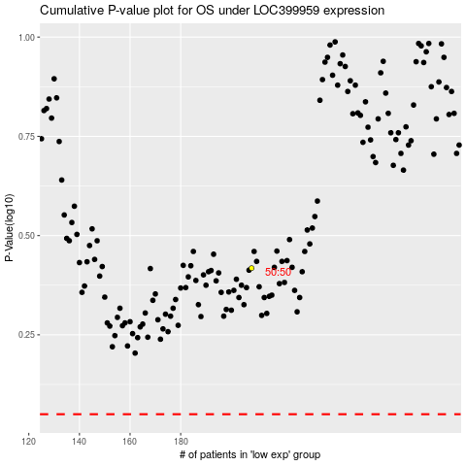

 |  |  |  |  |  | cases_OS | p_OS | rank | exp
 |  |  |  |  |  |  | cases_RFS | p_RFS | rank | exp

