LOC400043 _multivariate
Reported by Tex Li-Hsing Chi. tex@gate.sinica.edu.tw 2019-08-18

Table 2. The clinicopathological features of HNSCC cohort and LOC400043 expression. (Chi square test)
Cutoff at -0.379 (45.4%)
 |  | LOC400043 expression |  | LOC400043 expression |  | (Optimised)
 | Features | Low | (%) | High | (%) | Case no | P-value | Remark | Matthews
Gender | Female | 143 | 34.5 | 163 | 39.3 | 415 | 0.4817 | 0 | 0
2 | Male | 46 | 11.1 | 63 | 15.2
Age at diagnosis | <=65y | 129 | 31.1 | 145 | 34.9 | 415 | 0.4395 | 0 | 0
4 | >65y | 60 | 14.5 | 81 | 19.5
Clinical T Status | T1+T2 | 66 | 15.9 | 83 | 20 | 415 | 0.7802 | 0 | 0
6 | T3+T4 | 123 | 29.6 | 143 | 34.5
Clinical N Status | N0 | 98 | 23.6 | 118 | 28.4 | 415 | 1 | 0 | 0
8 | N1-3 | 91 | 21.9 | 108 | 26
Clinical M Status | M0 | 186 | 44.8 | 226 | 54.5 | 415 | 0.0936 | 0 | 0
10 | M1 | 3 | 0.7 | 0 | 0
Clinical Stage | Stage I+II | 42 | 10.1 | 60 | 14.5 | 415 | 0.3655 | 0 | 0
12 | Stage III+IV | 147 | 35.4 | 166 | 40
Surgical Margin status | Negative | 146 | 35.2 | 172 | 41.4 | 415 | 0.8165 | 0 | 0
14 | Positive | 43 | 10.4 | 54 | 13
Tobacco Exposure | Low | 77 | 18.6 | 84 | 20.2 | 415 | 0.4799 | 0 | 0
16 | High | 112 | 27 | 142 | 34.2

Table 3. Univariate/Multivariate Cox's proportional hazards regression analyses on OS time of LOC400043 gene expression in HNSCC

 |  | Univariate |  |  |  | Multivariate
 | Features | HR | CI95%(L) | CI95%(H) | P-value | HR | CI95%(L) | CI95%(H) | P-value
1 | Female | 1 |  |  |  | 1
Gender | Male | 1.157 | 0.843 | 1.587 | 0.367 | 1.178 | 0.844 | 1.643 | 0.335
11 | <=65y | 1 |  |  |  | 1
Age at diagnosis | >65y | 1.329 | 0.99 | 1.784 | 0.058 | 1.385 | 1.019 | 1.882 | 0.037
12 | T1+T2 | 1 |  |  |  | 1
Clinical T Status | T3+T4 | 1.409 | 1.028 | 1.931 | 0.033 | 2.17 | 1.147 | 4.105 | 0.017
13 | N0 | 1 |  |  |  | 1
Clinical N Status | N1-3 | 1.185 | 0.89 | 1.577 | 0.246 | 1.215 | 0.851 | 1.734 | 0.283
14 | M0 | 1 |  |  |  | 1
Clinical M Status | M1 | 4.097 | 1.009 | 16.644 | 0.049 | 11.03 | 2.385 | 51.014 | 0.002
15 | Stage I+II | 1 |  |  |  | 1
Clinical Stage | Stage III+IV | 1.245 | 0.882 | 1.759 | 0.213 | 0.53 | 0.246 | 1.139 | 0.104
16 | Negative | 1 |  |  |  | 1
Surgical Margin status | Positive | 1.591 | 1.155 | 2.191 | 0.004 | 1.64 | 1.187 | 2.266 | 0.003
17 | Low | 1 |  |  |  | 1
Tobacco Exposure | High | 1.364 | 1.008 | 1.844 | 0.044 | 1.432 | 1.041 | 1.969 | 0.027
18 | Low | 1 |  |  |  | 1
RNAseq(z-score) | High | 1.37 | 1.022 | 1.837 | 0.035 | 1.358 | 1.008 | 1.83 | 0.044

Table 4. Univariate/Multivariate Cox's proportional hazards regression analyses on RFS time of LOC400043 gene expression in HNSCC

 |  | Univariate |  |  |  | Multivariate
 | Features | HR | CI95%(L) | CI95%(H) | P-value | HR | CI95%(L) | CI95%(H) | P-value
1 | Female | 1 |  |  |  | 1
Gender | Male | 1.157 | 0.843 | 1.587 | 0.367 | 1.178 | 0.844 | 1.643 | 0.335
11 | <=65y | 1 |  |  |  | 1
Age at diagnosis | >65y | 1.329 | 0.99 | 1.784 | 0.058 | 1.385 | 1.019 | 1.882 | 0.037
12 | T1+T2 | 1 |  |  |  | 1
Clinical T Status | T3+T4 | 1.409 | 1.028 | 1.931 | 0.033 | 2.17 | 1.147 | 4.105 | 0.017
13 | N0 | 1 |  |  |  | 1
Clinical N Status | N1-3 | 1.185 | 0.89 | 1.577 | 0.246 | 1.215 | 0.851 | 1.734 | 0.283
14 | M0 | 1 |  |  |  | 1
Clinical M Status | M1 | 4.097 | 1.009 | 16.644 | 0.049 | 11.03 | 2.385 | 51.014 | 0.002
15 | Stage I+II | 1 |  |  |  | 1
Clinical Stage | Stage III+IV | 1.245 | 0.882 | 1.759 | 0.213 | 0.53 | 0.246 | 1.139 | 0.104
16 | Negative | 1 |  |  |  | 1
Surgical Margin status | Positive | 1.591 | 1.155 | 2.191 | 0.004 | 1.64 | 1.187 | 2.266 | 0.003
17 | Low | 1 |  |  |  | 1
Tobacco Exposure | High | 1.364 | 1.008 | 1.844 | 0.044 | 1.432 | 1.041 | 1.969 | 0.027
18 | Low | 1 |  |  |  | 1
RNAseq(z-score) | High | 1.37 | 1.022 | 1.837 | 0.035 | 1.358 | 1.008 | 1.83 | 0.044

Kaplan-Meier survival estimate: Cutoff at -0.379 (45.4%)

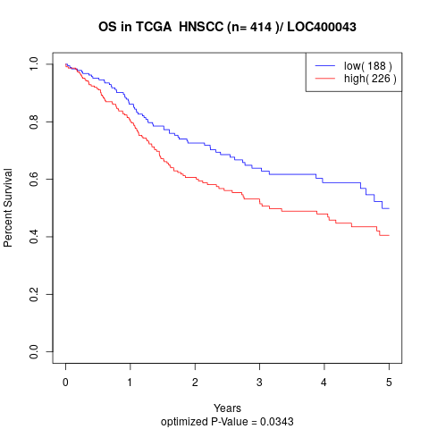

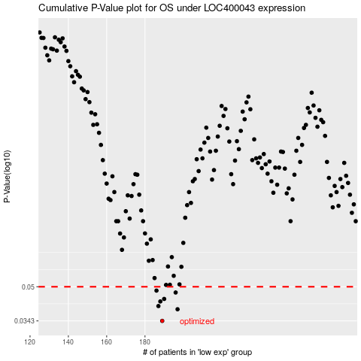

 |  |  |  |  |  | cases_OS | p_OS | rank | exp
 |  |  |  |  |  | 189 | 0.0343 | 86 | -0.37899383903
 |  |  |  |  |  | 197 | 0.039 | 221 | -0.3538953023
 |  |  |  |  |  | 187 | 0.0404 | 212 | -0.38081824462
 |  |  |  |  |  | 188 | 0.0425 | 59 | -0.37927644631
 |  |  |  |  |  | 190 | 0.0437 | 244 | -0.37740689044
 |  |  |  |  |  | 196 | 0.0469 | 329 | -0.3596996211
 |  |  |  |  |  | 186 | 0.0479 | 17 | -0.39135330901
 |  |  |  |  |  |  | cases_RFS | p_RFS | rank | exp
 |  |  |  |  |  |  | 188 | 0.0343 | 59 | -0.37927644631
 |  |  |  |  |  |  | 196 | 0.039 | 329 | -0.3596996211
 |  |  |  |  |  |  | 186 | 0.0404 | 17 | -0.39135330901
 |  |  |  |  |  |  | 187 | 0.0425 | 212 | -0.38081824462
 |  |  |  |  |  |  | 189 | 0.0437 | 86 | -0.37899383903
 |  |  |  |  |  |  | 195 | 0.0469 | 286 | -0.36405745885
 |  |  |  |  |  |  | 185 | 0.0479 | 341 | -0.39288674616

