LOC400657 _multivariate
Reported by Tex Li-Hsing Chi. tex@gate.sinica.edu.tw 2019-08-18

Table 2. The clinicopathological features of HNSCC cohort and LOC400657 expression. (Chi square test)
Cutoff at -0.252 (49.8%)
 |  | LOC400657 expression |  | LOC400657 expression |  | (Optimised)
 | Features | Low | (%) | High | (%) | Case no | P-value | Remark | Matthews
Gender | Female | 141 | 34 | 165 | 39.8 | 415 | 0.013 | 1 | 0
2 | Male | 66 | 15.9 | 43 | 10.4
Age at diagnosis | <=65y | 137 | 33 | 137 | 33 | 415 | 1 | 0 | 0
4 | >65y | 70 | 16.9 | 71 | 17.1
Clinical T Status | T1+T2 | 64 | 15.4 | 85 | 20.5 | 415 | 0.0445 | 1 | 0
6 | T3+T4 | 143 | 34.5 | 123 | 29.6
Clinical N Status | N0 | 104 | 25.1 | 112 | 27 | 415 | 0.5243 | 0 | 0
8 | N1-3 | 103 | 24.8 | 96 | 23.1
Clinical M Status | M0 | 206 | 49.6 | 206 | 49.6 | 415 | 1 | 0 | 0
10 | M1 | 1 | 0.2 | 2 | 0.5
Clinical Stage | Stage I+II | 47 | 11.3 | 55 | 13.3 | 415 | 0.4413 | 0 | 0
12 | Stage III+IV | 160 | 38.6 | 153 | 36.9
Surgical Margin status | Negative | 159 | 38.3 | 159 | 38.3 | 415 | 1 | 0 | 0
14 | Positive | 48 | 11.6 | 49 | 11.8
Tobacco Exposure | Low | 80 | 19.3 | 81 | 19.5 | 415 | 1 | 0 | 0
16 | High | 127 | 30.6 | 127 | 30.6

Table 3. Univariate/Multivariate Cox's proportional hazards regression analyses on OS time of LOC400657 gene expression in HNSCC

 |  | Univariate |  |  |  | Multivariate
 | Features | HR | CI95%(L) | CI95%(H) | P-value | HR | CI95%(L) | CI95%(H) | P-value
1 | Female | 1 |  |  |  | 1
Gender | Male | 1.157 | 0.843 | 1.587 | 0.367 | 1.195 | 0.853 | 1.675 | 0.3
11 | <=65y | 1 |  |  |  | 1
Age at diagnosis | >65y | 1.329 | 0.99 | 1.784 | 0.058 | 1.392 | 1.024 | 1.893 | 0.035
12 | T1+T2 | 1 |  |  |  | 1
Clinical T Status | T3+T4 | 1.409 | 1.028 | 1.931 | 0.033 | 2.19 | 1.156 | 4.148 | 0.016
13 | N0 | 1 |  |  |  | 1
Clinical N Status | N1-3 | 1.185 | 0.89 | 1.577 | 0.246 | 1.24 | 0.869 | 1.769 | 0.236
14 | M0 | 1 |  |  |  | 1
Clinical M Status | M1 | 4.097 | 1.009 | 16.644 | 0.049 | 9.387 | 2.048 | 43.034 | 0.004
15 | Stage I+II | 1 |  |  |  | 1
Clinical Stage | Stage III+IV | 1.245 | 0.882 | 1.759 | 0.213 | 0.506 | 0.236 | 1.086 | 0.08
16 | Negative | 1 |  |  |  | 1
Surgical Margin status | Positive | 1.591 | 1.155 | 2.191 | 0.004 | 1.674 | 1.211 | 2.313 | 0.002
17 | Low | 1 |  |  |  | 1
Tobacco Exposure | High | 1.364 | 1.008 | 1.844 | 0.044 | 1.455 | 1.056 | 2.006 | 0.022
18 | Low | 1 |  |  |  | 1
RNAseq(z-score) | High | 0.928 | 0.696 | 1.238 | 0.612 | 0.965 | 0.72 | 1.294 | 0.813

Table 4. Univariate/Multivariate Cox's proportional hazards regression analyses on RFS time of LOC400657 gene expression in HNSCC

 |  | Univariate |  |  |  | Multivariate
 | Features | HR | CI95%(L) | CI95%(H) | P-value | HR | CI95%(L) | CI95%(H) | P-value
1 | Female | 1 |  |  |  | 1
Gender | Male | 1.157 | 0.843 | 1.587 | 0.367 | 1.195 | 0.853 | 1.675 | 0.3
11 | <=65y | 1 |  |  |  | 1
Age at diagnosis | >65y | 1.329 | 0.99 | 1.784 | 0.058 | 1.392 | 1.024 | 1.893 | 0.035
12 | T1+T2 | 1 |  |  |  | 1
Clinical T Status | T3+T4 | 1.409 | 1.028 | 1.931 | 0.033 | 2.19 | 1.156 | 4.148 | 0.016
13 | N0 | 1 |  |  |  | 1
Clinical N Status | N1-3 | 1.185 | 0.89 | 1.577 | 0.246 | 1.24 | 0.869 | 1.769 | 0.236
14 | M0 | 1 |  |  |  | 1
Clinical M Status | M1 | 4.097 | 1.009 | 16.644 | 0.049 | 9.387 | 2.048 | 43.034 | 0.004
15 | Stage I+II | 1 |  |  |  | 1
Clinical Stage | Stage III+IV | 1.245 | 0.882 | 1.759 | 0.213 | 0.506 | 0.236 | 1.086 | 0.08
16 | Negative | 1 |  |  |  | 1
Surgical Margin status | Positive | 1.591 | 1.155 | 2.191 | 0.004 | 1.674 | 1.211 | 2.313 | 0.002
17 | Low | 1 |  |  |  | 1
Tobacco Exposure | High | 1.364 | 1.008 | 1.844 | 0.044 | 1.455 | 1.056 | 2.006 | 0.022
18 | Low | 1 |  |  |  | 1
RNAseq(z-score) | High | 0.928 | 0.696 | 1.238 | 0.612 | 0.965 | 0.72 | 1.294 | 0.813

Kaplan-Meier survival estimate: Cutoff at -0.252 (49.8%)



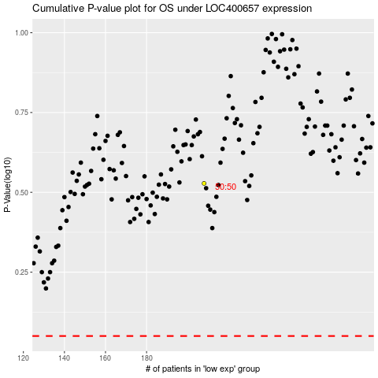

 |  |  |  |  |  | cases_OS | p_OS | rank | exp
 |  |  |  |  |  |  | cases_RFS | p_RFS | rank | exp

