LOC400696 _multivariate
Reported by Tex Li-Hsing Chi. tex@gate.sinica.edu.tw 2019-08-18

Table 2. The clinicopathological features of HNSCC cohort and LOC400696 expression. (Chi square test)
Cutoff at -0.327 (50.0%)
 |  | LOC400696 expression |  | LOC400696 expression |  | (Optimised)
 | Features | Low | (%) | High | (%) | Case no | P-value | Remark | Matthews
Gender | Female | 167 | 40.2 | 139 | 33.5 | 415 | 0.002 | 1 | 0
2 | Male | 40 | 9.6 | 69 | 16.6
Age at diagnosis | <=65y | 150 | 36.1 | 124 | 29.9 | 415 | 0.0078 | 1 | 0
4 | >65y | 57 | 13.7 | 84 | 20.2
Clinical T Status | T1+T2 | 64 | 15.4 | 85 | 20.5 | 415 | 0.0445 | 1 | 0
6 | T3+T4 | 143 | 34.5 | 123 | 29.6
Clinical N Status | N0 | 112 | 27 | 104 | 25.1 | 415 | 0.4599 | 0 | 0
8 | N1-3 | 95 | 22.9 | 104 | 25.1
Clinical M Status | M0 | 206 | 49.6 | 206 | 49.6 | 415 | 1 | 0 | 0
10 | M1 | 1 | 0.2 | 2 | 0.5
Clinical Stage | Stage I+II | 42 | 10.1 | 60 | 14.5 | 415 | 0.0561 | 0 | 0
12 | Stage III+IV | 165 | 39.8 | 148 | 35.7
Surgical Margin status | Negative | 159 | 38.3 | 159 | 38.3 | 415 | 1 | 0 | 0
14 | Positive | 48 | 11.6 | 49 | 11.8
Tobacco Exposure | Low | 70 | 16.9 | 91 | 21.9 | 415 | 0.0439 | 1 | 0
16 | High | 137 | 33 | 117 | 28.2

Table 3. Univariate/Multivariate Cox's proportional hazards regression analyses on OS time of LOC400696 gene expression in HNSCC

 |  | Univariate |  |  |  | Multivariate
 | Features | HR | CI95%(L) | CI95%(H) | P-value | HR | CI95%(L) | CI95%(H) | P-value
1 | Female | 1 |  |  |  | 1
Gender | Male | 1.157 | 0.843 | 1.587 | 0.367 | 1.213 | 0.867 | 1.697 | 0.26
11 | <=65y | 1 |  |  |  | 1
Age at diagnosis | >65y | 1.329 | 0.99 | 1.784 | 0.058 | 1.408 | 1.033 | 1.92 | 0.03
12 | T1+T2 | 1 |  |  |  | 1
Clinical T Status | T3+T4 | 1.409 | 1.028 | 1.931 | 0.033 | 2.204 | 1.165 | 4.167 | 0.015
13 | N0 | 1 |  |  |  | 1
Clinical N Status | N1-3 | 1.185 | 0.89 | 1.577 | 0.246 | 1.251 | 0.875 | 1.786 | 0.219
14 | M0 | 1 |  |  |  | 1
Clinical M Status | M1 | 4.097 | 1.009 | 16.644 | 0.049 | 9.502 | 2.072 | 43.577 | 0.004
15 | Stage I+II | 1 |  |  |  | 1
Clinical Stage | Stage III+IV | 1.245 | 0.882 | 1.759 | 0.213 | 0.499 | 0.232 | 1.072 | 0.075
16 | Negative | 1 |  |  |  | 1
Surgical Margin status | Positive | 1.591 | 1.155 | 2.191 | 0.004 | 1.68 | 1.215 | 2.322 | 0.002
17 | Low | 1 |  |  |  | 1
Tobacco Exposure | High | 1.364 | 1.008 | 1.844 | 0.044 | 1.439 | 1.043 | 1.986 | 0.027
18 | Low | 1 |  |  |  | 1
RNAseq(z-score) | High | 0.959 | 0.72 | 1.277 | 0.774 | 0.921 | 0.683 | 1.241 | 0.589

Table 4. Univariate/Multivariate Cox's proportional hazards regression analyses on RFS time of LOC400696 gene expression in HNSCC

 |  | Univariate |  |  |  | Multivariate
 | Features | HR | CI95%(L) | CI95%(H) | P-value | HR | CI95%(L) | CI95%(H) | P-value
1 | Female | 1 |  |  |  | 1
Gender | Male | 1.157 | 0.843 | 1.587 | 0.367 | 1.213 | 0.867 | 1.697 | 0.26
11 | <=65y | 1 |  |  |  | 1
Age at diagnosis | >65y | 1.329 | 0.99 | 1.784 | 0.058 | 1.408 | 1.033 | 1.92 | 0.03
12 | T1+T2 | 1 |  |  |  | 1
Clinical T Status | T3+T4 | 1.409 | 1.028 | 1.931 | 0.033 | 2.204 | 1.165 | 4.167 | 0.015
13 | N0 | 1 |  |  |  | 1
Clinical N Status | N1-3 | 1.185 | 0.89 | 1.577 | 0.246 | 1.251 | 0.875 | 1.786 | 0.219
14 | M0 | 1 |  |  |  | 1
Clinical M Status | M1 | 4.097 | 1.009 | 16.644 | 0.049 | 9.502 | 2.072 | 43.577 | 0.004
15 | Stage I+II | 1 |  |  |  | 1
Clinical Stage | Stage III+IV | 1.245 | 0.882 | 1.759 | 0.213 | 0.499 | 0.232 | 1.072 | 0.075
16 | Negative | 1 |  |  |  | 1
Surgical Margin status | Positive | 1.591 | 1.155 | 2.191 | 0.004 | 1.68 | 1.215 | 2.322 | 0.002
17 | Low | 1 |  |  |  | 1
Tobacco Exposure | High | 1.364 | 1.008 | 1.844 | 0.044 | 1.439 | 1.043 | 1.986 | 0.027
18 | Low | 1 |  |  |  | 1
RNAseq(z-score) | High | 0.959 | 0.72 | 1.277 | 0.774 | 0.921 | 0.683 | 1.241 | 0.589

Kaplan-Meier survival estimate: Cutoff at -0.327 (50.0%)



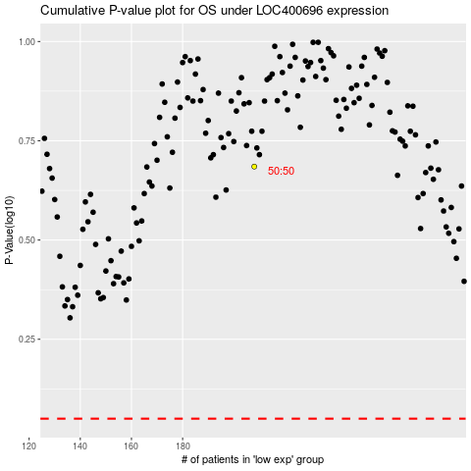

 |  |  |  |  |  | cases_OS | p_OS | rank | exp
 |  |  |  |  |  |  | cases_RFS | p_RFS | rank | exp

