LOC400759 _multivariate
Reported by Tex Li-Hsing Chi. tex@gate.sinica.edu.tw 2019-08-18

Table 2. The clinicopathological features of HNSCC cohort and LOC400759 expression. (Chi square test)
Cutoff at -0.337 (50.0%)
 |  | LOC400759 expression |  | LOC400759 expression |  | (Optimised)
 | Features | Low | (%) | High | (%) | Case no | P-value | Remark | Matthews
Gender | Female | 160 | 38.6 | 146 | 35.2 | 415 | 0.1254 | 0 | 0
2 | Male | 47 | 11.3 | 62 | 14.9
Age at diagnosis | <=65y | 146 | 35.2 | 128 | 30.8 | 415 | 0.0672 | 0 | 0
4 | >65y | 61 | 14.7 | 80 | 19.3
Clinical T Status | T1+T2 | 68 | 16.4 | 81 | 19.5 | 415 | 0.2336 | 0 | 0
6 | T3+T4 | 139 | 33.5 | 127 | 30.6
Clinical N Status | N0 | 110 | 26.5 | 106 | 25.5 | 415 | 0.7294 | 0 | 0
8 | N1-3 | 97 | 23.4 | 102 | 24.6
Clinical M Status | M0 | 207 | 49.9 | 205 | 49.4 | 415 | 0.2482 | 0 | 0
10 | M1 | 0 | 0 | 3 | 0.7
Clinical Stage | Stage I+II | 46 | 11.1 | 56 | 13.5 | 415 | 0.3182 | 0 | 0
12 | Stage III+IV | 161 | 38.8 | 152 | 36.6
Surgical Margin status | Negative | 164 | 39.5 | 154 | 37.1 | 415 | 0.2462 | 0 | 0
14 | Positive | 43 | 10.4 | 54 | 13
Tobacco Exposure | Low | 67 | 16.1 | 94 | 22.7 | 415 | 0.0088 | 1 | 0
16 | High | 140 | 33.7 | 114 | 27.5

Table 3. Univariate/Multivariate Cox's proportional hazards regression analyses on OS time of LOC400759 gene expression in HNSCC

 |  | Univariate |  |  |  | Multivariate
 | Features | HR | CI95%(L) | CI95%(H) | P-value | HR | CI95%(L) | CI95%(H) | P-value
1 | Female | 1 |  |  |  | 1
Gender | Male | 1.157 | 0.843 | 1.587 | 0.367 | 1.202 | 0.86 | 1.679 | 0.281
11 | <=65y | 1 |  |  |  | 1
Age at diagnosis | >65y | 1.329 | 0.99 | 1.784 | 0.058 | 1.397 | 1.028 | 1.899 | 0.033
12 | T1+T2 | 1 |  |  |  | 1
Clinical T Status | T3+T4 | 1.409 | 1.028 | 1.931 | 0.033 | 2.231 | 1.179 | 4.223 | 0.014
13 | N0 | 1 |  |  |  | 1
Clinical N Status | N1-3 | 1.185 | 0.89 | 1.577 | 0.246 | 1.25 | 0.875 | 1.785 | 0.22
14 | M0 | 1 |  |  |  | 1
Clinical M Status | M1 | 4.097 | 1.009 | 16.644 | 0.049 | 9.964 | 2.148 | 46.215 | 0.003
15 | Stage I+II | 1 |  |  |  | 1
Clinical Stage | Stage III+IV | 1.245 | 0.882 | 1.759 | 0.213 | 0.493 | 0.229 | 1.062 | 0.071
16 | Negative | 1 |  |  |  | 1
Surgical Margin status | Positive | 1.591 | 1.155 | 2.191 | 0.004 | 1.689 | 1.22 | 2.338 | 0.002
17 | Low | 1 |  |  |  | 1
Tobacco Exposure | High | 1.364 | 1.008 | 1.844 | 0.044 | 1.434 | 1.038 | 1.981 | 0.029
18 | Low | 1 |  |  |  | 1
RNAseq(z-score) | High | 0.963 | 0.723 | 1.283 | 0.797 | 0.913 | 0.68 | 1.226 | 0.544

Table 4. Univariate/Multivariate Cox's proportional hazards regression analyses on RFS time of LOC400759 gene expression in HNSCC

 |  | Univariate |  |  |  | Multivariate
 | Features | HR | CI95%(L) | CI95%(H) | P-value | HR | CI95%(L) | CI95%(H) | P-value
1 | Female | 1 |  |  |  | 1
Gender | Male | 1.157 | 0.843 | 1.587 | 0.367 | 1.202 | 0.86 | 1.679 | 0.281
11 | <=65y | 1 |  |  |  | 1
Age at diagnosis | >65y | 1.329 | 0.99 | 1.784 | 0.058 | 1.397 | 1.028 | 1.899 | 0.033
12 | T1+T2 | 1 |  |  |  | 1
Clinical T Status | T3+T4 | 1.409 | 1.028 | 1.931 | 0.033 | 2.231 | 1.179 | 4.223 | 0.014
13 | N0 | 1 |  |  |  | 1
Clinical N Status | N1-3 | 1.185 | 0.89 | 1.577 | 0.246 | 1.25 | 0.875 | 1.785 | 0.22
14 | M0 | 1 |  |  |  | 1
Clinical M Status | M1 | 4.097 | 1.009 | 16.644 | 0.049 | 9.964 | 2.148 | 46.215 | 0.003
15 | Stage I+II | 1 |  |  |  | 1
Clinical Stage | Stage III+IV | 1.245 | 0.882 | 1.759 | 0.213 | 0.493 | 0.229 | 1.062 | 0.071
16 | Negative | 1 |  |  |  | 1
Surgical Margin status | Positive | 1.591 | 1.155 | 2.191 | 0.004 | 1.689 | 1.22 | 2.338 | 0.002
17 | Low | 1 |  |  |  | 1
Tobacco Exposure | High | 1.364 | 1.008 | 1.844 | 0.044 | 1.434 | 1.038 | 1.981 | 0.029
18 | Low | 1 |  |  |  | 1
RNAseq(z-score) | High | 0.963 | 0.723 | 1.283 | 0.797 | 0.913 | 0.68 | 1.226 | 0.544

Kaplan-Meier survival estimate: Cutoff at -0.337 (50.0%)

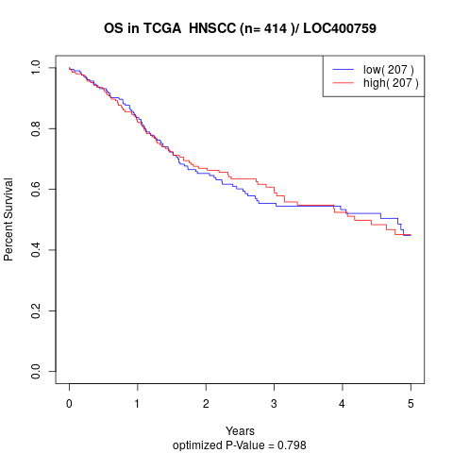

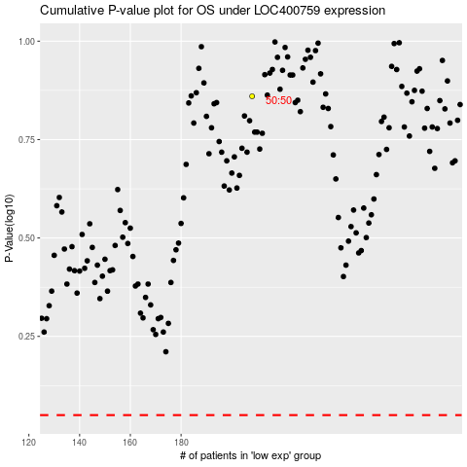

 |  |  |  |  |  | cases_OS | p_OS | rank | exp
 |  |  |  |  |  |  | cases_RFS | p_RFS | rank | exp

