LOC400927 _multivariate
Reported by Tex Li-Hsing Chi. tex@gate.sinica.edu.tw 2019-08-18

Table 2. The clinicopathological features of HNSCC cohort and LOC400927 expression. (Chi square test)
Cutoff at -0.222 (49.8%)
 |  | LOC400927 expression |  | LOC400927 expression |  | (Optimised)
 | Features | Low | (%) | High | (%) | Case no | P-value | Remark | Matthews
Gender | Female | 148 | 35.7 | 158 | 38.1 | 415 | 0.3567 | 0 | 0
2 | Male | 59 | 14.2 | 50 | 12
Age at diagnosis | <=65y | 141 | 34 | 133 | 32 | 415 | 0.4272 | 0 | 0
4 | >65y | 66 | 15.9 | 75 | 18.1
Clinical T Status | T1+T2 | 74 | 17.8 | 75 | 18.1 | 415 | 1 | 0 | 0
6 | T3+T4 | 133 | 32 | 133 | 32
Clinical N Status | N0 | 99 | 23.9 | 117 | 28.2 | 415 | 0.1054 | 0 | 0
8 | N1-3 | 108 | 26 | 91 | 21.9
Clinical M Status | M0 | 206 | 49.6 | 206 | 49.6 | 415 | 1 | 0 | 0
10 | M1 | 1 | 0.2 | 2 | 0.5
Clinical Stage | Stage I+II | 54 | 13 | 48 | 11.6 | 415 | 0.5498 | 0 | 0
12 | Stage III+IV | 153 | 36.9 | 160 | 38.6
Surgical Margin status | Negative | 160 | 38.6 | 158 | 38.1 | 415 | 0.8167 | 0 | 0
14 | Positive | 47 | 11.3 | 50 | 12
Tobacco Exposure | Low | 91 | 21.9 | 70 | 16.9 | 415 | 0.0346 | 1 | 0
16 | High | 116 | 28 | 138 | 33.3

Table 3. Univariate/Multivariate Cox's proportional hazards regression analyses on OS time of LOC400927 gene expression in HNSCC

 |  | Univariate |  |  |  | Multivariate
 | Features | HR | CI95%(L) | CI95%(H) | P-value | HR | CI95%(L) | CI95%(H) | P-value
1 | Female | 1 |  |  |  | 1
Gender | Male | 1.157 | 0.843 | 1.587 | 0.367 | 1.199 | 0.858 | 1.676 | 0.287
11 | <=65y | 1 |  |  |  | 1
Age at diagnosis | >65y | 1.329 | 0.99 | 1.784 | 0.058 | 1.401 | 1.03 | 1.906 | 0.032
12 | T1+T2 | 1 |  |  |  | 1
Clinical T Status | T3+T4 | 1.409 | 1.028 | 1.931 | 0.033 | 2.147 | 1.131 | 4.074 | 0.019
13 | N0 | 1 |  |  |  | 1
Clinical N Status | N1-3 | 1.185 | 0.89 | 1.577 | 0.246 | 1.213 | 0.846 | 1.74 | 0.294
14 | M0 | 1 |  |  |  | 1
Clinical M Status | M1 | 4.097 | 1.009 | 16.644 | 0.049 | 9.4 | 2.051 | 43.088 | 0.004
15 | Stage I+II | 1 |  |  |  | 1
Clinical Stage | Stage III+IV | 1.245 | 0.882 | 1.759 | 0.213 | 0.523 | 0.242 | 1.13 | 0.099
16 | Negative | 1 |  |  |  | 1
Surgical Margin status | Positive | 1.591 | 1.155 | 2.191 | 0.004 | 1.673 | 1.211 | 2.311 | 0.002
17 | Low | 1 |  |  |  | 1
Tobacco Exposure | High | 1.364 | 1.008 | 1.844 | 0.044 | 1.482 | 1.071 | 2.052 | 0.018
18 | Low | 1 |  |  |  | 1
RNAseq(z-score) | High | 0.908 | 0.682 | 1.209 | 0.508 | 0.897 | 0.667 | 1.207 | 0.474

Table 4. Univariate/Multivariate Cox's proportional hazards regression analyses on RFS time of LOC400927 gene expression in HNSCC

 |  | Univariate |  |  |  | Multivariate
 | Features | HR | CI95%(L) | CI95%(H) | P-value | HR | CI95%(L) | CI95%(H) | P-value
1 | Female | 1 |  |  |  | 1
Gender | Male | 1.157 | 0.843 | 1.587 | 0.367 | 1.199 | 0.858 | 1.676 | 0.287
11 | <=65y | 1 |  |  |  | 1
Age at diagnosis | >65y | 1.329 | 0.99 | 1.784 | 0.058 | 1.401 | 1.03 | 1.906 | 0.032
12 | T1+T2 | 1 |  |  |  | 1
Clinical T Status | T3+T4 | 1.409 | 1.028 | 1.931 | 0.033 | 2.147 | 1.131 | 4.074 | 0.019
13 | N0 | 1 |  |  |  | 1
Clinical N Status | N1-3 | 1.185 | 0.89 | 1.577 | 0.246 | 1.213 | 0.846 | 1.74 | 0.294
14 | M0 | 1 |  |  |  | 1
Clinical M Status | M1 | 4.097 | 1.009 | 16.644 | 0.049 | 9.4 | 2.051 | 43.088 | 0.004
15 | Stage I+II | 1 |  |  |  | 1
Clinical Stage | Stage III+IV | 1.245 | 0.882 | 1.759 | 0.213 | 0.523 | 0.242 | 1.13 | 0.099
16 | Negative | 1 |  |  |  | 1
Surgical Margin status | Positive | 1.591 | 1.155 | 2.191 | 0.004 | 1.673 | 1.211 | 2.311 | 0.002
17 | Low | 1 |  |  |  | 1
Tobacco Exposure | High | 1.364 | 1.008 | 1.844 | 0.044 | 1.482 | 1.071 | 2.052 | 0.018
18 | Low | 1 |  |  |  | 1
RNAseq(z-score) | High | 0.908 | 0.682 | 1.209 | 0.508 | 0.897 | 0.667 | 1.207 | 0.474

Kaplan-Meier survival estimate: Cutoff at -0.222 (49.8%)



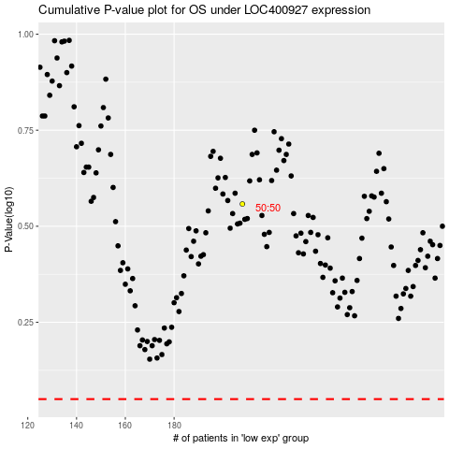

 |  |  |  |  |  | cases_OS | p_OS | rank | exp
 |  |  |  |  |  |  | cases_RFS | p_RFS | rank | exp

