LOC401052 _multivariate
Reported by Tex Li-Hsing Chi. tex@gate.sinica.edu.tw 2019-08-18

Table 2. The clinicopathological features of HNSCC cohort and LOC401052 expression. (Chi square test)
Cutoff at -0.362 (44.9%)
 |  | LOC401052 expression |  | LOC401052 expression |  | (Optimised)
 | Features | Low | (%) | High | (%) | Case no | P-value | Remark | Matthews
Gender | Female | 140 | 33.7 | 166 | 40 | 415 | 0.7172 | 0 | 0
2 | Male | 47 | 11.3 | 62 | 14.9
Age at diagnosis | <=65y | 117 | 28.2 | 157 | 37.8 | 415 | 0.214 | 0 | 0
4 | >65y | 70 | 16.9 | 71 | 17.1
Clinical T Status | T1+T2 | 66 | 15.9 | 83 | 20 | 415 | 0.8953 | 0 | 0
6 | T3+T4 | 121 | 29.2 | 145 | 34.9
Clinical N Status | N0 | 100 | 24.1 | 116 | 28 | 415 | 0.6683 | 0 | 0
8 | N1-3 | 87 | 21 | 112 | 27
Clinical M Status | M0 | 187 | 45.1 | 225 | 54.2 | 415 | 0.2555 | 0 | 0
10 | M1 | 0 | 0 | 3 | 0.7
Clinical Stage | Stage I+II | 49 | 11.8 | 53 | 12.8 | 415 | 0.5608 | 0 | 0
12 | Stage III+IV | 138 | 33.3 | 175 | 42.2
Surgical Margin status | Negative | 146 | 35.2 | 172 | 41.4 | 415 | 0.5612 | 0 | 0
14 | Positive | 41 | 9.9 | 56 | 13.5
Tobacco Exposure | Low | 69 | 16.6 | 92 | 22.2 | 415 | 0.4805 | 0 | 0
16 | High | 118 | 28.4 | 136 | 32.8

Table 3. Univariate/Multivariate Cox's proportional hazards regression analyses on OS time of LOC401052 gene expression in HNSCC

 |  | Univariate |  |  |  | Multivariate
 | Features | HR | CI95%(L) | CI95%(H) | P-value | HR | CI95%(L) | CI95%(H) | P-value
1 | Female | 1 |  |  |  | 1
Gender | Male | 1.157 | 0.843 | 1.587 | 0.367 | 1.27 | 0.91 | 1.773 | 0.16
11 | <=65y | 1 |  |  |  | 1
Age at diagnosis | >65y | 1.329 | 0.99 | 1.784 | 0.058 | 1.371 | 1.008 | 1.866 | 0.044
12 | T1+T2 | 1 |  |  |  | 1
Clinical T Status | T3+T4 | 1.409 | 1.028 | 1.931 | 0.033 | 2.134 | 1.129 | 4.033 | 0.02
13 | N0 | 1 |  |  |  | 1
Clinical N Status | N1-3 | 1.185 | 0.89 | 1.577 | 0.246 | 1.217 | 0.854 | 1.736 | 0.277
14 | M0 | 1 |  |  |  | 1
Clinical M Status | M1 | 4.097 | 1.009 | 16.644 | 0.049 | 11.53 | 2.496 | 53.255 | 0.002
15 | Stage I+II | 1 |  |  |  | 1
Clinical Stage | Stage III+IV | 1.245 | 0.882 | 1.759 | 0.213 | 0.536 | 0.25 | 1.153 | 0.111
16 | Negative | 1 |  |  |  | 1
Surgical Margin status | Positive | 1.591 | 1.155 | 2.191 | 0.004 | 1.676 | 1.213 | 2.315 | 0.002
17 | Low | 1 |  |  |  | 1
Tobacco Exposure | High | 1.364 | 1.008 | 1.844 | 0.044 | 1.476 | 1.069 | 2.037 | 0.018
18 | Low | 1 |  |  |  | 1
RNAseq(z-score) | High | 0.668 | 0.501 | 0.89 | 0.006 | 0.651 | 0.486 | 0.872 | 0.004

Table 4. Univariate/Multivariate Cox's proportional hazards regression analyses on RFS time of LOC401052 gene expression in HNSCC

 |  | Univariate |  |  |  | Multivariate
 | Features | HR | CI95%(L) | CI95%(H) | P-value | HR | CI95%(L) | CI95%(H) | P-value
1 | Female | 1 |  |  |  | 1
Gender | Male | 1.157 | 0.843 | 1.587 | 0.367 | 1.27 | 0.91 | 1.773 | 0.16
11 | <=65y | 1 |  |  |  | 1
Age at diagnosis | >65y | 1.329 | 0.99 | 1.784 | 0.058 | 1.371 | 1.008 | 1.866 | 0.044
12 | T1+T2 | 1 |  |  |  | 1
Clinical T Status | T3+T4 | 1.409 | 1.028 | 1.931 | 0.033 | 2.134 | 1.129 | 4.033 | 0.02
13 | N0 | 1 |  |  |  | 1
Clinical N Status | N1-3 | 1.185 | 0.89 | 1.577 | 0.246 | 1.217 | 0.854 | 1.736 | 0.277
14 | M0 | 1 |  |  |  | 1
Clinical M Status | M1 | 4.097 | 1.009 | 16.644 | 0.049 | 11.53 | 2.496 | 53.255 | 0.002
15 | Stage I+II | 1 |  |  |  | 1
Clinical Stage | Stage III+IV | 1.245 | 0.882 | 1.759 | 0.213 | 0.536 | 0.25 | 1.153 | 0.111
16 | Negative | 1 |  |  |  | 1
Surgical Margin status | Positive | 1.591 | 1.155 | 2.191 | 0.004 | 1.676 | 1.213 | 2.315 | 0.002
17 | Low | 1 |  |  |  | 1
Tobacco Exposure | High | 1.364 | 1.008 | 1.844 | 0.044 | 1.476 | 1.069 | 2.037 | 0.018
18 | Low | 1 |  |  |  | 1
RNAseq(z-score) | High | 0.668 | 0.501 | 0.89 | 0.006 | 0.651 | 0.486 | 0.872 | 0.004

Kaplan-Meier survival estimate: Cutoff at -0.362 (44.9%)

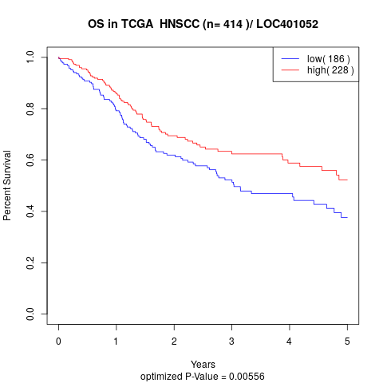

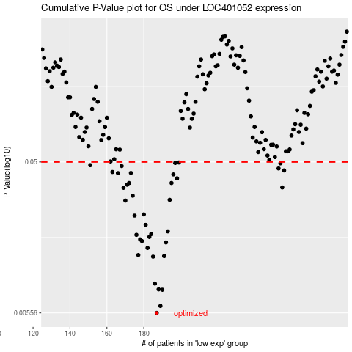

 |  |  |  |  |  | cases_OS | p_OS | rank | exp
 |  |  |  |  |  | 187 | 0.00556 | 51 | -0.36153961631
 |  |  |  |  |  | 189 | 0.00615 | 168 | -0.36012945926
 |  |  |  |  |  | 190 | 0.00779 | 232 | -0.35969973685
 |  |  |  |  |  | 188 | 0.00783 | 203 | -0.36038395506
 |  |  |  |  |  | 186 | 0.00852 | 108 | -0.36681310302
 |  |  |  |  |  | 185 | 0.0126 | 264 | -0.36877814435
 |  |  |  |  |  | 191 | 0.0127 | 170 | -0.35908644369
 |  |  |  |  |  | 177 | 0.0129 | 160 | -0.38412298937
 |  |  |  |  |  | 182 | 0.0143 | 292 | -0.37720988219
 |  |  |  |  |  | 192 | 0.0155 | 269 | -0.35852321529
 |  |  |  |  |  | 179 | 0.0158 | 362 | -0.38109824423
 |  |  |  |  |  | 178 | 0.0162 | 10 | -0.38229979816
 |  |  |  |  |  | 183 | 0.0168 | 20 | -0.3718237498
 |  |  |  |  |  | 176 | 0.0173 | 117 | -0.38415636587
 |  |  |  |  |  | 184 | 0.0175 | 68 | -0.36978361135
 |  |  |  |  |  | 193 | 0.0182 | 184 | -0.35831878424
 |  |  |  |  |  | 181 | 0.02 | 229 | -0.37741431324
 |  |  |  |  |  | 175 | 0.0229 | 1 | -0.38679728129
 |  |  |  |  |  | 180 | 0.0233 | 142 | -0.3797965608
 |  |  |  |  |  | 170 | 0.0285 | 130 | -0.39340165586
 |  |  |  |  |  | 194 | 0.0288 | 399 | -0.35508126392
 |  |  |  |  |  | 174 | 0.0306 | 302 | -0.3868515181
 |  |  |  |  |  | 169 | 0.0343 | 267 | -0.39693122054
 |  |  |  |  |  | 255 | 0.0345 | 109 | -0.21957685347
 |  |  |  |  |  | 171 | 0.0359 | 173 | -0.39003062955
 |  |  |  |  |  | 172 | 0.0368 | 11 | -0.38981368231
 |  |  |  |  |  | 195 | 0.0368 | 299 | -0.35454723994
 |  |  |  |  |  | 198 | 0.0394 | 40 | -0.344434161
 |  |  |  |  |  | 196 | 0.0417 | 136 | -0.35453889582
 |  |  |  |  |  | 166 | 0.0425 | 63 | -0.39999768631
 |  |  |  |  |  | 173 | 0.0426 | 78 | -0.38961759538
 |  |  |  |  |  | 163 | 0.0432 | 392 | -0.40446179293
 |  |  |  |  |  | 256 | 0.0442 | 396 | -0.21521287634
 |  |  |  |  |  | 253 | 0.0455 | 384 | -0.22150017418
 |  |  |  |  |  | 168 | 0.0471 | 64 | -0.39931346809
 |  |  |  |  |  | 151 | 0.0477 | 245 | -0.43929016876
 |  |  |  |  |  | 254 | 0.049 | 394 | -0.2203361688
 |  |  |  |  |  | 197 | 0.0493 | 236 | -0.34819736117
 |  |  |  |  |  | 199 | 0.0496 | 271 | -0.33913981398
 |  |  |  |  |  |  | cases_RFS | p_RFS | rank | exp
 |  |  |  |  |  |  | 186 | 0.00556 | 108 | -0.36681310302
 |  |  |  |  |  |  | 188 | 0.00615 | 203 | -0.36038395506
 |  |  |  |  |  |  | 189 | 0.00779 | 168 | -0.36012945926
 |  |  |  |  |  |  | 187 | 0.00783 | 51 | -0.36153961631
 |  |  |  |  |  |  | 185 | 0.00852 | 264 | -0.36877814435
 |  |  |  |  |  |  | 184 | 0.0126 | 68 | -0.36978361135
 |  |  |  |  |  |  | 190 | 0.0127 | 232 | -0.35969973685
 |  |  |  |  |  |  | 176 | 0.0129 | 117 | -0.38415636587
 |  |  |  |  |  |  | 181 | 0.0143 | 229 | -0.37741431324
 |  |  |  |  |  |  | 191 | 0.0155 | 170 | -0.35908644369
 |  |  |  |  |  |  | 178 | 0.0158 | 10 | -0.38229979816
 |  |  |  |  |  |  | 177 | 0.0162 | 160 | -0.38412298937
 |  |  |  |  |  |  | 182 | 0.0168 | 292 | -0.37720988219
 |  |  |  |  |  |  | 175 | 0.0173 | 1 | -0.38679728129
 |  |  |  |  |  |  | 183 | 0.0175 | 20 | -0.3718237498
 |  |  |  |  |  |  | 192 | 0.0182 | 269 | -0.35852321529
 |  |  |  |  |  |  | 180 | 0.02 | 142 | -0.3797965608
 |  |  |  |  |  |  | 174 | 0.0229 | 302 | -0.3868515181
 |  |  |  |  |  |  | 179 | 0.0233 | 362 | -0.38109824423
 |  |  |  |  |  |  | 169 | 0.0285 | 267 | -0.39693122054
 |  |  |  |  |  |  | 193 | 0.0288 | 184 | -0.35831878424
 |  |  |  |  |  |  | 173 | 0.0306 | 78 | -0.38961759538
 |  |  |  |  |  |  | 168 | 0.0343 | 64 | -0.39931346809
 |  |  |  |  |  |  | 254 | 0.0345 | 394 | -0.2203361688
 |  |  |  |  |  |  | 170 | 0.0359 | 130 | -0.39340165586
 |  |  |  |  |  |  | 171 | 0.0368 | 173 | -0.39003062955
 |  |  |  |  |  |  | 194 | 0.0368 | 399 | -0.35508126392
 |  |  |  |  |  |  | 197 | 0.0394 | 236 | -0.34819736117
 |  |  |  |  |  |  | 195 | 0.0417 | 299 | -0.35454723994
 |  |  |  |  |  |  | 165 | 0.0425 | 250 | -0.40053171028
 |  |  |  |  |  |  | 172 | 0.0426 | 11 | -0.38981368231
 |  |  |  |  |  |  | 162 | 0.0432 | 251 | -0.41250970105
 |  |  |  |  |  |  | 255 | 0.0442 | 109 | -0.21957685347
 |  |  |  |  |  |  | 252 | 0.0455 | 276 | -0.22158778748
 |  |  |  |  |  |  | 167 | 0.0471 | 258 | -0.3994678344
 |  |  |  |  |  |  | 150 | 0.0477 | 12 | -0.44002027966
 |  |  |  |  |  |  | 253 | 0.049 | 384 | -0.22150017418
 |  |  |  |  |  |  | 196 | 0.0493 | 136 | -0.35453889582
 |  |  |  |  |  |  | 198 | 0.0496 | 40 | -0.344434161

