LOC401093 _multivariate
Reported by Tex Li-Hsing Chi. tex@gate.sinica.edu.tw 2019-08-18

Table 2. The clinicopathological features of HNSCC cohort and LOC401093 expression. (Chi square test)
Cutoff at -0.341 (50.0%)
 |  | LOC401093 expression |  | LOC401093 expression |  | (Optimised)
 | Features | Low | (%) | High | (%) | Case no | P-value | Remark | Matthews
Gender | Female | 150 | 36.1 | 156 | 37.6 | 415 | 0.6344 | 0 | 0
2 | Male | 57 | 13.7 | 52 | 12.5
Age at diagnosis | <=65y | 128 | 30.8 | 146 | 35.2 | 415 | 0.0904 | 0 | 0
4 | >65y | 79 | 19 | 62 | 14.9
Clinical T Status | T1+T2 | 60 | 14.5 | 89 | 21.4 | 415 | 0.0047 | 1 | 0
6 | T3+T4 | 147 | 35.4 | 119 | 28.7
Clinical N Status | N0 | 98 | 23.6 | 118 | 28.4 | 415 | 0.0694 | 0 | 0
8 | N1-3 | 109 | 26.3 | 90 | 21.7
Clinical M Status | M0 | 204 | 49.2 | 208 | 50.1 | 415 | 0.1232 | 0 | 0
10 | M1 | 3 | 0.7 | 0 | 0
Clinical Stage | Stage I+II | 40 | 9.6 | 62 | 14.9 | 415 | 0.018 | 1 | 0
12 | Stage III+IV | 167 | 40.2 | 146 | 35.2
Surgical Margin status | Negative | 159 | 38.3 | 159 | 38.3 | 415 | 1 | 0 | 0
14 | Positive | 48 | 11.6 | 49 | 11.8
Tobacco Exposure | Low | 86 | 20.7 | 75 | 18.1 | 415 | 0.2687 | 0 | 0
16 | High | 121 | 29.2 | 133 | 32

Table 3. Univariate/Multivariate Cox's proportional hazards regression analyses on OS time of LOC401093 gene expression in HNSCC

 |  | Univariate |  |  |  | Multivariate
 | Features | HR | CI95%(L) | CI95%(H) | P-value | HR | CI95%(L) | CI95%(H) | P-value
1 | Female | 1 |  |  |  | 1
Gender | Male | 1.157 | 0.843 | 1.587 | 0.367 | 1.202 | 0.86 | 1.679 | 0.281
11 | <=65y | 1 |  |  |  | 1
Age at diagnosis | >65y | 1.329 | 0.99 | 1.784 | 0.058 | 1.392 | 1.022 | 1.896 | 0.036
12 | T1+T2 | 1 |  |  |  | 1
Clinical T Status | T3+T4 | 1.409 | 1.028 | 1.931 | 0.033 | 2.205 | 1.163 | 4.181 | 0.015
13 | N0 | 1 |  |  |  | 1
Clinical N Status | N1-3 | 1.185 | 0.89 | 1.577 | 0.246 | 1.241 | 0.869 | 1.774 | 0.235
14 | M0 | 1 |  |  |  | 1
Clinical M Status | M1 | 4.097 | 1.009 | 16.644 | 0.049 | 9.435 | 2.036 | 43.734 | 0.004
15 | Stage I+II | 1 |  |  |  | 1
Clinical Stage | Stage III+IV | 1.245 | 0.882 | 1.759 | 0.213 | 0.504 | 0.235 | 1.083 | 0.079
16 | Negative | 1 |  |  |  | 1
Surgical Margin status | Positive | 1.591 | 1.155 | 2.191 | 0.004 | 1.672 | 1.21 | 2.31 | 0.002
17 | Low | 1 |  |  |  | 1
Tobacco Exposure | High | 1.364 | 1.008 | 1.844 | 0.044 | 1.452 | 1.05 | 2.007 | 0.024
18 | Low | 1 |  |  |  | 1
RNAseq(z-score) | High | 0.923 | 0.693 | 1.229 | 0.582 | 1.005 | 0.746 | 1.355 | 0.974

Table 4. Univariate/Multivariate Cox's proportional hazards regression analyses on RFS time of LOC401093 gene expression in HNSCC

 |  | Univariate |  |  |  | Multivariate
 | Features | HR | CI95%(L) | CI95%(H) | P-value | HR | CI95%(L) | CI95%(H) | P-value
1 | Female | 1 |  |  |  | 1
Gender | Male | 1.157 | 0.843 | 1.587 | 0.367 | 1.202 | 0.86 | 1.679 | 0.281
11 | <=65y | 1 |  |  |  | 1
Age at diagnosis | >65y | 1.329 | 0.99 | 1.784 | 0.058 | 1.392 | 1.022 | 1.896 | 0.036
12 | T1+T2 | 1 |  |  |  | 1
Clinical T Status | T3+T4 | 1.409 | 1.028 | 1.931 | 0.033 | 2.205 | 1.163 | 4.181 | 0.015
13 | N0 | 1 |  |  |  | 1
Clinical N Status | N1-3 | 1.185 | 0.89 | 1.577 | 0.246 | 1.241 | 0.869 | 1.774 | 0.235
14 | M0 | 1 |  |  |  | 1
Clinical M Status | M1 | 4.097 | 1.009 | 16.644 | 0.049 | 9.435 | 2.036 | 43.734 | 0.004
15 | Stage I+II | 1 |  |  |  | 1
Clinical Stage | Stage III+IV | 1.245 | 0.882 | 1.759 | 0.213 | 0.504 | 0.235 | 1.083 | 0.079
16 | Negative | 1 |  |  |  | 1
Surgical Margin status | Positive | 1.591 | 1.155 | 2.191 | 0.004 | 1.672 | 1.21 | 2.31 | 0.002
17 | Low | 1 |  |  |  | 1
Tobacco Exposure | High | 1.364 | 1.008 | 1.844 | 0.044 | 1.452 | 1.05 | 2.007 | 0.024
18 | Low | 1 |  |  |  | 1
RNAseq(z-score) | High | 0.923 | 0.693 | 1.229 | 0.582 | 1.005 | 0.746 | 1.355 | 0.974

Kaplan-Meier survival estimate: Cutoff at -0.341 (50.0%)



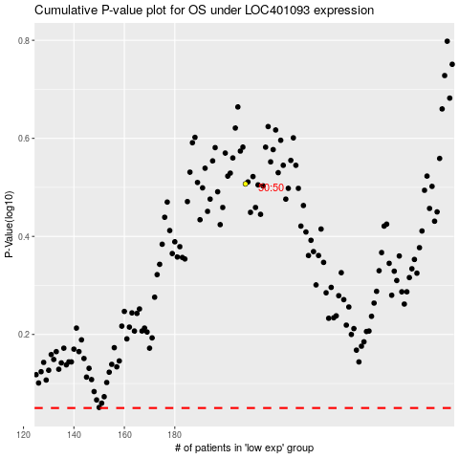

 |  |  |  |  |  | cases_OS | p_OS | rank | exp
 |  |  |  |  |  |  | cases_RFS | p_RFS | rank | exp

