LOC401127 _multivariate
Reported by Tex Li-Hsing Chi. tex@gate.sinica.edu.tw 2019-08-18

Table 2. The clinicopathological features of HNSCC cohort and LOC401127 expression. (Chi square test)
Cutoff at -0.176 (50.0%)
 |  | LOC401127 expression |  | LOC401127 expression |  | (Optimised)
 | Features | Low | (%) | High | (%) | Case no | P-value | Remark | Matthews
Gender | Female | 148 | 35.7 | 158 | 38.1 | 415 | 0.3567 | 0 | 0
2 | Male | 59 | 14.2 | 50 | 12
Age at diagnosis | <=65y | 133 | 32 | 141 | 34 | 415 | 0.5111 | 0 | 0
4 | >65y | 74 | 17.8 | 67 | 16.1
Clinical T Status | T1+T2 | 78 | 18.8 | 71 | 17.1 | 415 | 0.5152 | 0 | 0
6 | T3+T4 | 129 | 31.1 | 137 | 33
Clinical N Status | N0 | 105 | 25.3 | 111 | 26.7 | 415 | 0.6598 | 0 | 0
8 | N1-3 | 102 | 24.6 | 97 | 23.4
Clinical M Status | M0 | 205 | 49.4 | 207 | 49.9 | 415 | 0.6232 | 0 | 0
10 | M1 | 2 | 0.5 | 1 | 0.2
Clinical Stage | Stage I+II | 54 | 13 | 48 | 11.6 | 415 | 0.5498 | 0 | 0
12 | Stage III+IV | 153 | 36.9 | 160 | 38.6
Surgical Margin status | Negative | 147 | 35.4 | 171 | 41.2 | 415 | 0.0077 | 1 | 0
14 | Positive | 60 | 14.5 | 37 | 8.9
Tobacco Exposure | Low | 89 | 21.4 | 72 | 17.3 | 415 | 0.0872 | 0 | 0
16 | High | 118 | 28.4 | 136 | 32.8

Table 3. Univariate/Multivariate Cox's proportional hazards regression analyses on OS time of LOC401127 gene expression in HNSCC

 |  | Univariate |  |  |  | Multivariate
 | Features | HR | CI95%(L) | CI95%(H) | P-value | HR | CI95%(L) | CI95%(H) | P-value
1 | Female | 1 |  |  |  | 1
Gender | Male | 1.157 | 0.843 | 1.587 | 0.367 | 1.198 | 0.856 | 1.678 | 0.293
11 | <=65y | 1 |  |  |  | 1
Age at diagnosis | >65y | 1.329 | 0.99 | 1.784 | 0.058 | 1.391 | 1.024 | 1.891 | 0.035
12 | T1+T2 | 1 |  |  |  | 1
Clinical T Status | T3+T4 | 1.409 | 1.028 | 1.931 | 0.033 | 2.198 | 1.162 | 4.158 | 0.015
13 | N0 | 1 |  |  |  | 1
Clinical N Status | N1-3 | 1.185 | 0.89 | 1.577 | 0.246 | 1.239 | 0.867 | 1.768 | 0.239
14 | M0 | 1 |  |  |  | 1
Clinical M Status | M1 | 4.097 | 1.009 | 16.644 | 0.049 | 9.324 | 2.025 | 42.933 | 0.004
15 | Stage I+II | 1 |  |  |  | 1
Clinical Stage | Stage III+IV | 1.245 | 0.882 | 1.759 | 0.213 | 0.506 | 0.236 | 1.089 | 0.082
16 | Negative | 1 |  |  |  | 1
Surgical Margin status | Positive | 1.591 | 1.155 | 2.191 | 0.004 | 1.665 | 1.201 | 2.31 | 0.002
17 | Low | 1 |  |  |  | 1
Tobacco Exposure | High | 1.364 | 1.008 | 1.844 | 0.044 | 1.453 | 1.055 | 2.003 | 0.022
18 | Low | 1 |  |  |  | 1
RNAseq(z-score) | High | 0.89 | 0.668 | 1.187 | 0.428 | 0.978 | 0.728 | 1.313 | 0.883

Table 4. Univariate/Multivariate Cox's proportional hazards regression analyses on RFS time of LOC401127 gene expression in HNSCC

 |  | Univariate |  |  |  | Multivariate
 | Features | HR | CI95%(L) | CI95%(H) | P-value | HR | CI95%(L) | CI95%(H) | P-value
1 | Female | 1 |  |  |  | 1
Gender | Male | 1.157 | 0.843 | 1.587 | 0.367 | 1.198 | 0.856 | 1.678 | 0.293
11 | <=65y | 1 |  |  |  | 1
Age at diagnosis | >65y | 1.329 | 0.99 | 1.784 | 0.058 | 1.391 | 1.024 | 1.891 | 0.035
12 | T1+T2 | 1 |  |  |  | 1
Clinical T Status | T3+T4 | 1.409 | 1.028 | 1.931 | 0.033 | 2.198 | 1.162 | 4.158 | 0.015
13 | N0 | 1 |  |  |  | 1
Clinical N Status | N1-3 | 1.185 | 0.89 | 1.577 | 0.246 | 1.239 | 0.867 | 1.768 | 0.239
14 | M0 | 1 |  |  |  | 1
Clinical M Status | M1 | 4.097 | 1.009 | 16.644 | 0.049 | 9.324 | 2.025 | 42.933 | 0.004
15 | Stage I+II | 1 |  |  |  | 1
Clinical Stage | Stage III+IV | 1.245 | 0.882 | 1.759 | 0.213 | 0.506 | 0.236 | 1.089 | 0.082
16 | Negative | 1 |  |  |  | 1
Surgical Margin status | Positive | 1.591 | 1.155 | 2.191 | 0.004 | 1.665 | 1.201 | 2.31 | 0.002
17 | Low | 1 |  |  |  | 1
Tobacco Exposure | High | 1.364 | 1.008 | 1.844 | 0.044 | 1.453 | 1.055 | 2.003 | 0.022
18 | Low | 1 |  |  |  | 1
RNAseq(z-score) | High | 0.89 | 0.668 | 1.187 | 0.428 | 0.978 | 0.728 | 1.313 | 0.883

Kaplan-Meier survival estimate: Cutoff at -0.176 (50.0%)



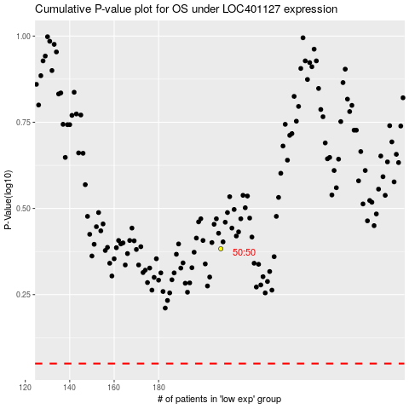

 |  |  |  |  |  | cases_OS | p_OS | rank | exp
 |  |  |  |  |  |  | cases_RFS | p_RFS | rank | exp

