LOC401397 _multivariate
Reported by Tex Li-Hsing Chi. tex@gate.sinica.edu.tw 2019-08-18

Table 2. The clinicopathological features of HNSCC cohort and LOC401397 expression. (Chi square test)
Cutoff at -0.217 (49.8%)
 |  | LOC401397 expression |  | LOC401397 expression |  | (Optimised)
 | Features | Low | (%) | High | (%) | Case no | P-value | Remark | Matthews
Gender | Female | 150 | 36.1 | 156 | 37.6 | 415 | 0.7558 | 0 | 0
2 | Male | 56 | 13.5 | 53 | 12.8
Age at diagnosis | <=65y | 135 | 32.5 | 139 | 33.5 | 415 | 0.9159 | 0 | 0
4 | >65y | 71 | 17.1 | 70 | 16.9
Clinical T Status | T1+T2 | 75 | 18.1 | 74 | 17.8 | 415 | 0.9122 | 0 | 0
6 | T3+T4 | 131 | 31.6 | 135 | 32.5
Clinical N Status | N0 | 96 | 23.1 | 120 | 28.9 | 415 | 0.0352 | 1 | 0
8 | N1-3 | 110 | 26.5 | 89 | 21.4
Clinical M Status | M0 | 205 | 49.4 | 207 | 49.9 | 415 | 1 | 0 | 0
10 | M1 | 1 | 0.2 | 2 | 0.5
Clinical Stage | Stage I+II | 44 | 10.6 | 58 | 14 | 415 | 0.1621 | 0 | 0
12 | Stage III+IV | 162 | 39 | 151 | 36.4
Surgical Margin status | Negative | 160 | 38.6 | 158 | 38.1 | 415 | 0.6439 | 0 | 0
14 | Positive | 46 | 11.1 | 51 | 12.3
Tobacco Exposure | Low | 73 | 17.6 | 88 | 21.2 | 415 | 0.1903 | 0 | 0
16 | High | 133 | 32 | 121 | 29.2

Table 3. Univariate/Multivariate Cox's proportional hazards regression analyses on OS time of LOC401397 gene expression in HNSCC

 |  | Univariate |  |  |  | Multivariate
 | Features | HR | CI95%(L) | CI95%(H) | P-value | HR | CI95%(L) | CI95%(H) | P-value
1 | Female | 1 |  |  |  | 1
Gender | Male | 1.157 | 0.843 | 1.587 | 0.367 | 1.209 | 0.865 | 1.691 | 0.266
11 | <=65y | 1 |  |  |  | 1
Age at diagnosis | >65y | 1.329 | 0.99 | 1.784 | 0.058 | 1.408 | 1.038 | 1.91 | 0.028
12 | T1+T2 | 1 |  |  |  | 1
Clinical T Status | T3+T4 | 1.409 | 1.028 | 1.931 | 0.033 | 2.124 | 1.123 | 4.016 | 0.02
13 | N0 | 1 |  |  |  | 1
Clinical N Status | N1-3 | 1.185 | 0.89 | 1.577 | 0.246 | 1.273 | 0.892 | 1.817 | 0.183
14 | M0 | 1 |  |  |  | 1
Clinical M Status | M1 | 4.097 | 1.009 | 16.644 | 0.049 | 8.719 | 1.9 | 40.02 | 0.005
15 | Stage I+II | 1 |  |  |  | 1
Clinical Stage | Stage III+IV | 1.245 | 0.882 | 1.759 | 0.213 | 0.536 | 0.249 | 1.152 | 0.11
16 | Negative | 1 |  |  |  | 1
Surgical Margin status | Positive | 1.591 | 1.155 | 2.191 | 0.004 | 1.643 | 1.189 | 2.271 | 0.003
17 | Low | 1 |  |  |  | 1
Tobacco Exposure | High | 1.364 | 1.008 | 1.844 | 0.044 | 1.44 | 1.046 | 1.982 | 0.025
18 | Low | 1 |  |  |  | 1
RNAseq(z-score) | High | 1.365 | 1.023 | 1.822 | 0.034 | 1.381 | 1.032 | 1.85 | 0.03

Table 4. Univariate/Multivariate Cox's proportional hazards regression analyses on RFS time of LOC401397 gene expression in HNSCC

 |  | Univariate |  |  |  | Multivariate
 | Features | HR | CI95%(L) | CI95%(H) | P-value | HR | CI95%(L) | CI95%(H) | P-value
1 | Female | 1 |  |  |  | 1
Gender | Male | 1.157 | 0.843 | 1.587 | 0.367 | 1.209 | 0.865 | 1.691 | 0.266
11 | <=65y | 1 |  |  |  | 1
Age at diagnosis | >65y | 1.329 | 0.99 | 1.784 | 0.058 | 1.408 | 1.038 | 1.91 | 0.028
12 | T1+T2 | 1 |  |  |  | 1
Clinical T Status | T3+T4 | 1.409 | 1.028 | 1.931 | 0.033 | 2.124 | 1.123 | 4.016 | 0.02
13 | N0 | 1 |  |  |  | 1
Clinical N Status | N1-3 | 1.185 | 0.89 | 1.577 | 0.246 | 1.273 | 0.892 | 1.817 | 0.183
14 | M0 | 1 |  |  |  | 1
Clinical M Status | M1 | 4.097 | 1.009 | 16.644 | 0.049 | 8.719 | 1.9 | 40.02 | 0.005
15 | Stage I+II | 1 |  |  |  | 1
Clinical Stage | Stage III+IV | 1.245 | 0.882 | 1.759 | 0.213 | 0.536 | 0.249 | 1.152 | 0.11
16 | Negative | 1 |  |  |  | 1
Surgical Margin status | Positive | 1.591 | 1.155 | 2.191 | 0.004 | 1.643 | 1.189 | 2.271 | 0.003
17 | Low | 1 |  |  |  | 1
Tobacco Exposure | High | 1.364 | 1.008 | 1.844 | 0.044 | 1.44 | 1.046 | 1.982 | 0.025
18 | Low | 1 |  |  |  | 1
RNAseq(z-score) | High | 1.365 | 1.023 | 1.822 | 0.034 | 1.381 | 1.032 | 1.85 | 0.03

Kaplan-Meier survival estimate: Cutoff at -0.217 (49.8%)

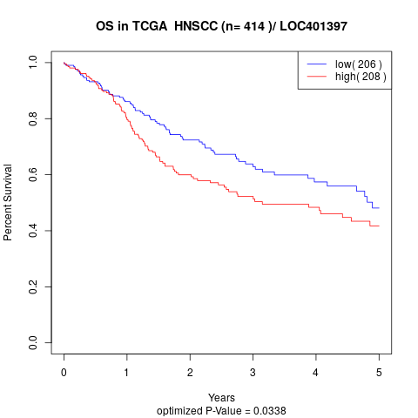

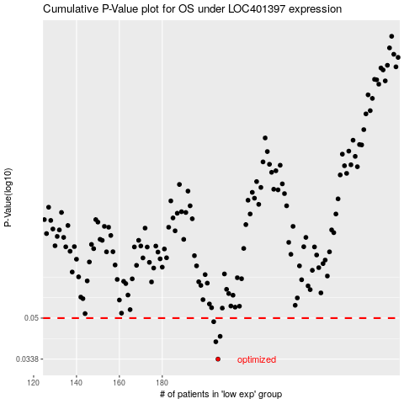

 |  |  |  |  |  | cases_OS | p_OS | rank | exp
 |  |  |  |  |  | 206 | 0.0338 | 410 | -0.21681146902
 |  |  |  |  |  | 205 | 0.0399 | 18 | -0.21996498871
 |  |  |  |  |  | 207 | 0.042 | 227 | -0.21612566513
 |  |  |  |  |  | 204 | 0.0483 | 300 | -0.22190977469
 |  |  |  |  |  |  | cases_RFS | p_RFS | rank | exp
 |  |  |  |  |  |  | 205 | 0.0338 | 18 | -0.21996498871
 |  |  |  |  |  |  | 204 | 0.0399 | 300 | -0.22190977469
 |  |  |  |  |  |  | 206 | 0.042 | 410 | -0.21681146902
 |  |  |  |  |  |  | 203 | 0.0483 | 269 | -0.22720664814

