LOC401431 _multivariate
Reported by Tex Li-Hsing Chi. tex@gate.sinica.edu.tw 2019-08-18

Table 2. The clinicopathological features of HNSCC cohort and LOC401431 expression. (Chi square test)
Cutoff at -0.182 (66.7%)
 |  | LOC401431 expression |  | LOC401431 expression |  | (Optimised)
 | Features | Low | (%) | High | (%) | Case no | P-value | Remark | Matthews
Gender | Female | 192 | 46.3 | 114 | 27.5 | 415 | 0.0054 | 1 | 0
2 | Male | 85 | 20.5 | 24 | 5.8
Age at diagnosis | <=65y | 178 | 42.9 | 96 | 23.1 | 415 | 0.3345 | 0 | 0
4 | >65y | 99 | 23.9 | 42 | 10.1
Clinical T Status | T1+T2 | 90 | 21.7 | 59 | 14.2 | 415 | 0.0518 | 0 | 0
6 | T3+T4 | 187 | 45.1 | 79 | 19
Clinical N Status | N0 | 149 | 35.9 | 67 | 16.1 | 415 | 0.3669 | 0 | 0
8 | N1-3 | 128 | 30.8 | 71 | 17.1
Clinical M Status | M0 | 274 | 66 | 138 | 33.3 | 415 | 0.5539 | 0 | 0
10 | M1 | 3 | 0.7 | 0 | 0
Clinical Stage | Stage I+II | 71 | 17.1 | 31 | 7.5 | 415 | 0.5584 | 0 | 0
12 | Stage III+IV | 206 | 49.6 | 107 | 25.8
Surgical Margin status | Negative | 216 | 52 | 102 | 24.6 | 415 | 0.3893 | 0 | 0
14 | Positive | 61 | 14.7 | 36 | 8.7
Tobacco Exposure | Low | 111 | 26.7 | 50 | 12 | 415 | 0.4568 | 0 | 0
16 | High | 166 | 40 | 88 | 21.2

Table 3. Univariate/Multivariate Cox's proportional hazards regression analyses on OS time of LOC401431 gene expression in HNSCC

 |  | Univariate |  |  |  | Multivariate
 | Features | HR | CI95%(L) | CI95%(H) | P-value | HR | CI95%(L) | CI95%(H) | P-value
1 | Female | 1 |  |  |  | 1
Gender | Male | 1.157 | 0.843 | 1.587 | 0.367 | 1.147 | 0.817 | 1.611 | 0.427
11 | <=65y | 1 |  |  |  | 1
Age at diagnosis | >65y | 1.329 | 0.99 | 1.784 | 0.058 | 1.385 | 1.019 | 1.882 | 0.038
12 | T1+T2 | 1 |  |  |  | 1
Clinical T Status | T3+T4 | 1.409 | 1.028 | 1.931 | 0.033 | 1.988 | 1.04 | 3.801 | 0.038
13 | N0 | 1 |  |  |  | 1
Clinical N Status | N1-3 | 1.185 | 0.89 | 1.577 | 0.246 | 1.223 | 0.858 | 1.745 | 0.266
14 | M0 | 1 |  |  |  | 1
Clinical M Status | M1 | 4.097 | 1.009 | 16.644 | 0.049 | 7.853 | 1.69 | 36.489 | 0.009
15 | Stage I+II | 1 |  |  |  | 1
Clinical Stage | Stage III+IV | 1.245 | 0.882 | 1.759 | 0.213 | 0.56 | 0.258 | 1.213 | 0.142
16 | Negative | 1 |  |  |  | 1
Surgical Margin status | Positive | 1.591 | 1.155 | 2.191 | 0.004 | 1.677 | 1.214 | 2.317 | 0.002
17 | Low | 1 |  |  |  | 1
Tobacco Exposure | High | 1.364 | 1.008 | 1.844 | 0.044 | 1.485 | 1.075 | 2.051 | 0.016
18 | Low | 1 |  |  |  | 1
RNAseq(z-score) | High | 0.71 | 0.516 | 0.978 | 0.036 | 0.759 | 0.543 | 1.059 | 0.105

Table 4. Univariate/Multivariate Cox's proportional hazards regression analyses on RFS time of LOC401431 gene expression in HNSCC

 |  | Univariate |  |  |  | Multivariate
 | Features | HR | CI95%(L) | CI95%(H) | P-value | HR | CI95%(L) | CI95%(H) | P-value
1 | Female | 1 |  |  |  | 1
Gender | Male | 1.157 | 0.843 | 1.587 | 0.367 | 1.147 | 0.817 | 1.611 | 0.427
11 | <=65y | 1 |  |  |  | 1
Age at diagnosis | >65y | 1.329 | 0.99 | 1.784 | 0.058 | 1.385 | 1.019 | 1.882 | 0.038
12 | T1+T2 | 1 |  |  |  | 1
Clinical T Status | T3+T4 | 1.409 | 1.028 | 1.931 | 0.033 | 1.988 | 1.04 | 3.801 | 0.038
13 | N0 | 1 |  |  |  | 1
Clinical N Status | N1-3 | 1.185 | 0.89 | 1.577 | 0.246 | 1.223 | 0.858 | 1.745 | 0.266
14 | M0 | 1 |  |  |  | 1
Clinical M Status | M1 | 4.097 | 1.009 | 16.644 | 0.049 | 7.853 | 1.69 | 36.489 | 0.009
15 | Stage I+II | 1 |  |  |  | 1
Clinical Stage | Stage III+IV | 1.245 | 0.882 | 1.759 | 0.213 | 0.56 | 0.258 | 1.213 | 0.142
16 | Negative | 1 |  |  |  | 1
Surgical Margin status | Positive | 1.591 | 1.155 | 2.191 | 0.004 | 1.677 | 1.214 | 2.317 | 0.002
17 | Low | 1 |  |  |  | 1
Tobacco Exposure | High | 1.364 | 1.008 | 1.844 | 0.044 | 1.485 | 1.075 | 2.051 | 0.016
18 | Low | 1 |  |  |  | 1
RNAseq(z-score) | High | 0.71 | 0.516 | 0.978 | 0.036 | 0.759 | 0.543 | 1.059 | 0.105

Kaplan-Meier survival estimate: Cutoff at -0.182 (66.7%)

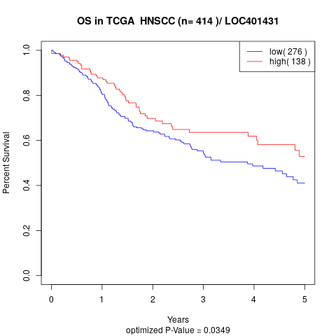

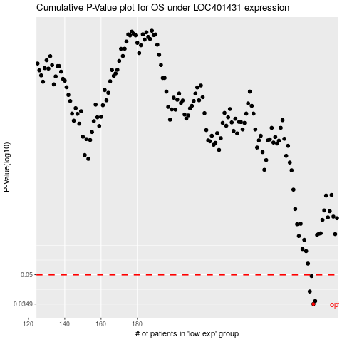

 |  |  |  |  |  | cases_OS | p_OS | rank | exp
 |  |  |  |  |  | 277 | 0.0349 | 20 | -0.18213074765
 |  |  |  |  |  | 278 | 0.0362 | 271 | -0.17302938684
 |  |  |  |  |  | 275 | 0.0407 | 262 | -0.1853972349
 |  |  |  |  |  | 276 | 0.0492 | 210 | -0.18377180584
 |  |  |  |  |  |  | cases_RFS | p_RFS | rank | exp
 |  |  |  |  |  |  | 276 | 0.0349 | 210 | -0.18377180584
 |  |  |  |  |  |  | 277 | 0.0362 | 20 | -0.18213074765
 |  |  |  |  |  |  | 274 | 0.0407 | 85 | -0.18634019215
 |  |  |  |  |  |  | 275 | 0.0492 | 262 | -0.1853972349

