LOC402377 _multivariate
Reported by Tex Li-Hsing Chi. tex@gate.sinica.edu.tw 2019-08-18

Table 2. The clinicopathological features of HNSCC cohort and LOC402377 expression. (Chi square test)
Cutoff at -0.397 (39.1%)
 |  | LOC402377 expression |  | LOC402377 expression |  | (Optimised)
 | Features | Low | (%) | High | (%) | Case no | P-value | Remark | Matthews
Gender | Female | 123 | 29.6 | 183 | 44.1 | 415 | 0.5974 | 0 | 0
2 | Male | 40 | 9.6 | 69 | 16.6
Age at diagnosis | <=65y | 113 | 27.2 | 161 | 38.8 | 415 | 0.3003 | 0 | 0
4 | >65y | 50 | 12 | 91 | 21.9
Clinical T Status | T1+T2 | 59 | 14.2 | 90 | 21.7 | 415 | 1 | 0 | 0
6 | T3+T4 | 104 | 25.1 | 162 | 39
Clinical N Status | N0 | 90 | 21.7 | 126 | 30.4 | 415 | 0.3483 | 0 | 0
8 | N1-3 | 73 | 17.6 | 126 | 30.4
Clinical M Status | M0 | 162 | 39 | 250 | 60.2 | 415 | 1 | 0 | 0
10 | M1 | 1 | 0.2 | 2 | 0.5
Clinical Stage | Stage I+II | 42 | 10.1 | 60 | 14.5 | 415 | 0.7372 | 0 | 0
12 | Stage III+IV | 121 | 29.2 | 192 | 46.3
Surgical Margin status | Negative | 119 | 28.7 | 199 | 48 | 415 | 0.1913 | 0 | 0
14 | Positive | 44 | 10.6 | 53 | 12.8
Tobacco Exposure | Low | 65 | 15.7 | 96 | 23.1 | 415 | 0.7573 | 0 | 0
16 | High | 98 | 23.6 | 156 | 37.6

Table 3. Univariate/Multivariate Cox's proportional hazards regression analyses on OS time of LOC402377 gene expression in HNSCC

 |  | Univariate |  |  |  | Multivariate
 | Features | HR | CI95%(L) | CI95%(H) | P-value | HR | CI95%(L) | CI95%(H) | P-value
1 | Female | 1 |  |  |  | 1
Gender | Male | 1.157 | 0.843 | 1.587 | 0.367 | 1.222 | 0.876 | 1.706 | 0.238
11 | <=65y | 1 |  |  |  | 1
Age at diagnosis | >65y | 1.329 | 0.99 | 1.784 | 0.058 | 1.346 | 0.99 | 1.831 | 0.058
12 | T1+T2 | 1 |  |  |  | 1
Clinical T Status | T3+T4 | 1.409 | 1.028 | 1.931 | 0.033 | 2.229 | 1.177 | 4.22 | 0.014
13 | N0 | 1 |  |  |  | 1
Clinical N Status | N1-3 | 1.185 | 0.89 | 1.577 | 0.246 | 1.227 | 0.86 | 1.752 | 0.259
14 | M0 | 1 |  |  |  | 1
Clinical M Status | M1 | 4.097 | 1.009 | 16.644 | 0.049 | 9.618 | 2.096 | 44.128 | 0.004
15 | Stage I+II | 1 |  |  |  | 1
Clinical Stage | Stage III+IV | 1.245 | 0.882 | 1.759 | 0.213 | 0.504 | 0.235 | 1.084 | 0.079
16 | Negative | 1 |  |  |  | 1
Surgical Margin status | Positive | 1.591 | 1.155 | 2.191 | 0.004 | 1.724 | 1.245 | 2.387 | 0.001
17 | Low | 1 |  |  |  | 1
Tobacco Exposure | High | 1.364 | 1.008 | 1.844 | 0.044 | 1.478 | 1.074 | 2.035 | 0.017
18 | Low | 1 |  |  |  | 1
RNAseq(z-score) | High | 1.4 | 1.034 | 1.896 | 0.03 | 1.455 | 1.07 | 1.978 | 0.017

Table 4. Univariate/Multivariate Cox's proportional hazards regression analyses on RFS time of LOC402377 gene expression in HNSCC

 |  | Univariate |  |  |  | Multivariate
 | Features | HR | CI95%(L) | CI95%(H) | P-value | HR | CI95%(L) | CI95%(H) | P-value
1 | Female | 1 |  |  |  | 1
Gender | Male | 1.157 | 0.843 | 1.587 | 0.367 | 1.222 | 0.876 | 1.706 | 0.238
11 | <=65y | 1 |  |  |  | 1
Age at diagnosis | >65y | 1.329 | 0.99 | 1.784 | 0.058 | 1.346 | 0.99 | 1.831 | 0.058
12 | T1+T2 | 1 |  |  |  | 1
Clinical T Status | T3+T4 | 1.409 | 1.028 | 1.931 | 0.033 | 2.229 | 1.177 | 4.22 | 0.014
13 | N0 | 1 |  |  |  | 1
Clinical N Status | N1-3 | 1.185 | 0.89 | 1.577 | 0.246 | 1.227 | 0.86 | 1.752 | 0.259
14 | M0 | 1 |  |  |  | 1
Clinical M Status | M1 | 4.097 | 1.009 | 16.644 | 0.049 | 9.618 | 2.096 | 44.128 | 0.004
15 | Stage I+II | 1 |  |  |  | 1
Clinical Stage | Stage III+IV | 1.245 | 0.882 | 1.759 | 0.213 | 0.504 | 0.235 | 1.084 | 0.079
16 | Negative | 1 |  |  |  | 1
Surgical Margin status | Positive | 1.591 | 1.155 | 2.191 | 0.004 | 1.724 | 1.245 | 2.387 | 0.001
17 | Low | 1 |  |  |  | 1
Tobacco Exposure | High | 1.364 | 1.008 | 1.844 | 0.044 | 1.478 | 1.074 | 2.035 | 0.017
18 | Low | 1 |  |  |  | 1
RNAseq(z-score) | High | 1.4 | 1.034 | 1.896 | 0.03 | 1.455 | 1.07 | 1.978 | 0.017

Kaplan-Meier survival estimate: Cutoff at -0.397 (39.1%)

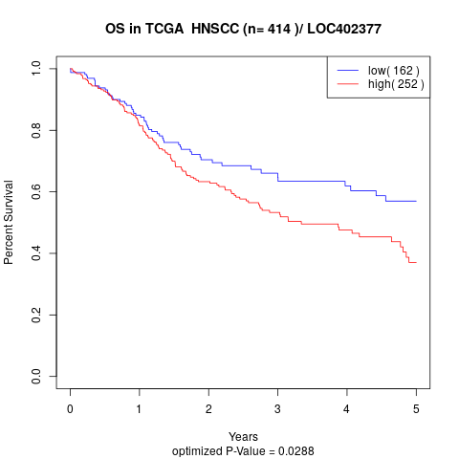

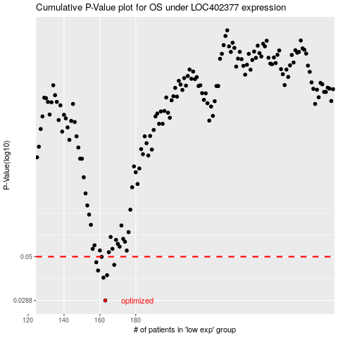

 |  |  |  |  |  | cases_OS | p_OS | rank | exp
 |  |  |  |  |  | 163 | 0.0288 | 199 | -0.39743674383
 |  |  |  |  |  | 162 | 0.0384 | 140 | -0.40168951699
 |  |  |  |  |  | 164 | 0.0396 | 88 | -0.37149764397
 |  |  |  |  |  | 159 | 0.042 | 373 | -0.41002607894
 |  |  |  |  |  | 168 | 0.0451 | 276 | -0.34291112241
 |  |  |  |  |  | 158 | 0.0466 | 252 | -0.41503928174
 |  |  |  |  |  | 161 | 0.0499 | 51 | -0.40685762212
 |  |  |  |  |  |  | cases_RFS | p_RFS | rank | exp
 |  |  |  |  |  |  | 162 | 0.0288 | 140 | -0.40168951699
 |  |  |  |  |  |  | 161 | 0.0384 | 51 | -0.40685762212
 |  |  |  |  |  |  | 163 | 0.0396 | 199 | -0.39743674383
 |  |  |  |  |  |  | 158 | 0.042 | 252 | -0.41503928174
 |  |  |  |  |  |  | 167 | 0.0451 | 402 | -0.36670975366
 |  |  |  |  |  |  | 157 | 0.0466 | 75 | -0.42578387088
 |  |  |  |  |  |  | 160 | 0.0499 | 393 | -0.40850521967

