LOC440356 _multivariate
Reported by Tex Li-Hsing Chi. tex@gate.sinica.edu.tw 2019-08-18

Table 2. The clinicopathological features of HNSCC cohort and LOC440356 expression. (Chi square test)
Cutoff at -0.249 (69.1%)
 |  | LOC440356 expression |  | LOC440356 expression |  | (Optimised)
 | Features | Low | (%) | High | (%) | Case no | P-value | Remark | Matthews
Gender | Female | 204 | 49.2 | 102 | 24.6 | 415 | 0.0855 | 0 | 0
2 | Male | 83 | 20 | 26 | 6.3
Age at diagnosis | <=65y | 191 | 46 | 83 | 20 | 415 | 0.8205 | 0 | 0
4 | >65y | 96 | 23.1 | 45 | 10.8
Clinical T Status | T1+T2 | 109 | 26.3 | 40 | 9.6 | 415 | 0.2267 | 0 | 0
6 | T3+T4 | 178 | 42.9 | 88 | 21.2
Clinical N Status | N0 | 153 | 36.9 | 63 | 15.2 | 415 | 0.5066 | 0 | 0
8 | N1-3 | 134 | 32.3 | 65 | 15.7
Clinical M Status | M0 | 285 | 68.7 | 127 | 30.6 | 415 | 1 | 0 | 0
10 | M1 | 2 | 0.5 | 1 | 0.2
Clinical Stage | Stage I+II | 81 | 19.5 | 21 | 5.1 | 415 | 0.0139 | 1 | 0
12 | Stage III+IV | 206 | 49.6 | 107 | 25.8
Surgical Margin status | Negative | 219 | 52.8 | 99 | 23.9 | 415 | 0.9002 | 0 | 0
14 | Positive | 68 | 16.4 | 29 | 7
Tobacco Exposure | Low | 121 | 29.2 | 40 | 9.6 | 415 | 0.0385 | 1 | 0
16 | High | 166 | 40 | 88 | 21.2

Table 3. Univariate/Multivariate Cox's proportional hazards regression analyses on OS time of LOC440356 gene expression in HNSCC

 |  | Univariate |  |  |  | Multivariate
 | Features | HR | CI95%(L) | CI95%(H) | P-value | HR | CI95%(L) | CI95%(H) | P-value
1 | Female | 1 |  |  |  | 1
Gender | Male | 1.157 | 0.843 | 1.587 | 0.367 | 1.177 | 0.842 | 1.643 | 0.34
11 | <=65y | 1 |  |  |  | 1
Age at diagnosis | >65y | 1.329 | 0.99 | 1.784 | 0.058 | 1.437 | 1.056 | 1.957 | 0.021
12 | T1+T2 | 1 |  |  |  | 1
Clinical T Status | T3+T4 | 1.409 | 1.028 | 1.931 | 0.033 | 2.116 | 1.119 | 4.002 | 0.021
13 | N0 | 1 |  |  |  | 1
Clinical N Status | N1-3 | 1.185 | 0.89 | 1.577 | 0.246 | 1.258 | 0.882 | 1.793 | 0.205
14 | M0 | 1 |  |  |  | 1
Clinical M Status | M1 | 4.097 | 1.009 | 16.644 | 0.049 | 9.225 | 2.013 | 42.284 | 0.004
15 | Stage I+II | 1 |  |  |  | 1
Clinical Stage | Stage III+IV | 1.245 | 0.882 | 1.759 | 0.213 | 0.56 | 0.26 | 1.207 | 0.139
16 | Negative | 1 |  |  |  | 1
Surgical Margin status | Positive | 1.591 | 1.155 | 2.191 | 0.004 | 1.668 | 1.208 | 2.303 | 0.002
17 | Low | 1 |  |  |  | 1
Tobacco Exposure | High | 1.364 | 1.008 | 1.844 | 0.044 | 1.523 | 1.102 | 2.104 | 0.011
18 | Low | 1 |  |  |  | 1
RNAseq(z-score) | High | 0.713 | 0.513 | 0.99 | 0.044 | 0.648 | 0.463 | 0.907 | 0.011

Table 4. Univariate/Multivariate Cox's proportional hazards regression analyses on RFS time of LOC440356 gene expression in HNSCC

 |  | Univariate |  |  |  | Multivariate
 | Features | HR | CI95%(L) | CI95%(H) | P-value | HR | CI95%(L) | CI95%(H) | P-value
1 | Female | 1 |  |  |  | 1
Gender | Male | 1.157 | 0.843 | 1.587 | 0.367 | 1.177 | 0.842 | 1.643 | 0.34
11 | <=65y | 1 |  |  |  | 1
Age at diagnosis | >65y | 1.329 | 0.99 | 1.784 | 0.058 | 1.437 | 1.056 | 1.957 | 0.021
12 | T1+T2 | 1 |  |  |  | 1
Clinical T Status | T3+T4 | 1.409 | 1.028 | 1.931 | 0.033 | 2.116 | 1.119 | 4.002 | 0.021
13 | N0 | 1 |  |  |  | 1
Clinical N Status | N1-3 | 1.185 | 0.89 | 1.577 | 0.246 | 1.258 | 0.882 | 1.793 | 0.205
14 | M0 | 1 |  |  |  | 1
Clinical M Status | M1 | 4.097 | 1.009 | 16.644 | 0.049 | 9.225 | 2.013 | 42.284 | 0.004
15 | Stage I+II | 1 |  |  |  | 1
Clinical Stage | Stage III+IV | 1.245 | 0.882 | 1.759 | 0.213 | 0.56 | 0.26 | 1.207 | 0.139
16 | Negative | 1 |  |  |  | 1
Surgical Margin status | Positive | 1.591 | 1.155 | 2.191 | 0.004 | 1.668 | 1.208 | 2.303 | 0.002
17 | Low | 1 |  |  |  | 1
Tobacco Exposure | High | 1.364 | 1.008 | 1.844 | 0.044 | 1.523 | 1.102 | 2.104 | 0.011
18 | Low | 1 |  |  |  | 1
RNAseq(z-score) | High | 0.713 | 0.513 | 0.99 | 0.044 | 0.648 | 0.463 | 0.907 | 0.011

Kaplan-Meier survival estimate: Cutoff at -0.249 (69.1%)

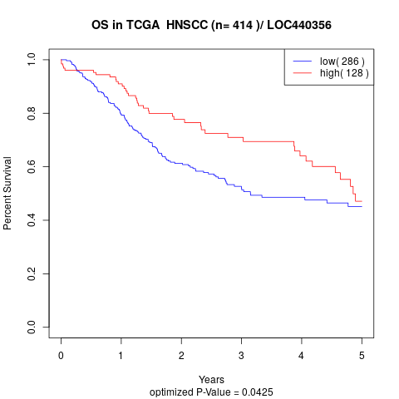

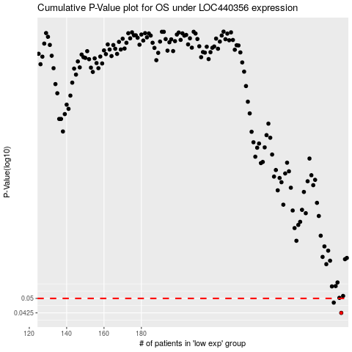

 |  |  |  |  |  | cases_OS | p_OS | rank | exp
 |  |  |  |  |  | 287 | 0.0425 | 89 | -0.24875885818
 |  |  |  |  |  | 283 | 0.0477 | 83 | -0.26455634393
 |  |  |  |  |  |  | cases_RFS | p_RFS | rank | exp
 |  |  |  |  |  |  | 286 | 0.0425 | 266 | -0.26058263122
 |  |  |  |  |  |  | 282 | 0.0477 | 87 | -0.26826230265

