LOC440905 _multivariate
Reported by Tex Li-Hsing Chi. tex@gate.sinica.edu.tw 2019-08-18

Table 2. The clinicopathological features of HNSCC cohort and LOC440905 expression. (Chi square test)
Cutoff at -0.255 (64.5%)
 |  | LOC440905 expression |  | LOC440905 expression |  | (Optimised)
 | Features | Low | (%) | High | (%) | Case no | P-value | Remark | Matthews
Gender | Female | 190 | 45.8 | 116 | 28 | 415 | 0.0973 | 0 | 0
2 | Male | 78 | 18.8 | 31 | 7.5
Age at diagnosis | <=65y | 181 | 43.6 | 93 | 22.4 | 415 | 0.441 | 0 | 0
4 | >65y | 87 | 21 | 54 | 13
Clinical T Status | T1+T2 | 111 | 26.7 | 38 | 9.2 | 415 | 0.0023 | 1 | 0
6 | T3+T4 | 157 | 37.8 | 109 | 26.3
Clinical N Status | N0 | 142 | 34.2 | 74 | 17.8 | 415 | 0.6795 | 0 | 0
8 | N1-3 | 126 | 30.4 | 73 | 17.6
Clinical M Status | M0 | 266 | 64.1 | 146 | 35.2 | 415 | 1 | 0 | 0
10 | M1 | 2 | 0.5 | 1 | 0.2
Clinical Stage | Stage I+II | 77 | 18.6 | 25 | 6 | 415 | 0.0113 | 1 | 0
12 | Stage III+IV | 191 | 46 | 122 | 29.4
Surgical Margin status | Negative | 210 | 50.6 | 108 | 26 | 415 | 0.2764 | 0 | 0
14 | Positive | 58 | 14 | 39 | 9.4
Tobacco Exposure | Low | 120 | 28.9 | 41 | 9.9 | 415 | 7e-04 | 1 | 0
16 | High | 148 | 35.7 | 106 | 25.5

Table 3. Univariate/Multivariate Cox's proportional hazards regression analyses on OS time of LOC440905 gene expression in HNSCC

 |  | Univariate |  |  |  | Multivariate
 | Features | HR | CI95%(L) | CI95%(H) | P-value | HR | CI95%(L) | CI95%(H) | P-value
1 | Female | 1 |  |  |  | 1
Gender | Male | 1.157 | 0.843 | 1.587 | 0.367 | 1.232 | 0.88 | 1.724 | 0.225
11 | <=65y | 1 |  |  |  | 1
Age at diagnosis | >65y | 1.329 | 0.99 | 1.784 | 0.058 | 1.363 | 1.002 | 1.854 | 0.048
12 | T1+T2 | 1 |  |  |  | 1
Clinical T Status | T3+T4 | 1.409 | 1.028 | 1.931 | 0.033 | 2.186 | 1.155 | 4.134 | 0.016
13 | N0 | 1 |  |  |  | 1
Clinical N Status | N1-3 | 1.185 | 0.89 | 1.577 | 0.246 | 1.244 | 0.871 | 1.776 | 0.23
14 | M0 | 1 |  |  |  | 1
Clinical M Status | M1 | 4.097 | 1.009 | 16.644 | 0.049 | 9.37 | 2.042 | 42.997 | 0.004
15 | Stage I+II | 1 |  |  |  | 1
Clinical Stage | Stage III+IV | 1.245 | 0.882 | 1.759 | 0.213 | 0.49 | 0.228 | 1.052 | 0.067
16 | Negative | 1 |  |  |  | 1
Surgical Margin status | Positive | 1.591 | 1.155 | 2.191 | 0.004 | 1.632 | 1.179 | 2.259 | 0.003
17 | Low | 1 |  |  |  | 1
Tobacco Exposure | High | 1.364 | 1.008 | 1.844 | 0.044 | 1.388 | 1.003 | 1.92 | 0.048
18 | Low | 1 |  |  |  | 1
RNAseq(z-score) | High | 1.462 | 1.086 | 1.97 | 0.012 | 1.323 | 0.97 | 1.803 | 0.077

Table 4. Univariate/Multivariate Cox's proportional hazards regression analyses on RFS time of LOC440905 gene expression in HNSCC

 |  | Univariate |  |  |  | Multivariate
 | Features | HR | CI95%(L) | CI95%(H) | P-value | HR | CI95%(L) | CI95%(H) | P-value
1 | Female | 1 |  |  |  | 1
Gender | Male | 1.157 | 0.843 | 1.587 | 0.367 | 1.232 | 0.88 | 1.724 | 0.225
11 | <=65y | 1 |  |  |  | 1
Age at diagnosis | >65y | 1.329 | 0.99 | 1.784 | 0.058 | 1.363 | 1.002 | 1.854 | 0.048
12 | T1+T2 | 1 |  |  |  | 1
Clinical T Status | T3+T4 | 1.409 | 1.028 | 1.931 | 0.033 | 2.186 | 1.155 | 4.134 | 0.016
13 | N0 | 1 |  |  |  | 1
Clinical N Status | N1-3 | 1.185 | 0.89 | 1.577 | 0.246 | 1.244 | 0.871 | 1.776 | 0.23
14 | M0 | 1 |  |  |  | 1
Clinical M Status | M1 | 4.097 | 1.009 | 16.644 | 0.049 | 9.37 | 2.042 | 42.997 | 0.004
15 | Stage I+II | 1 |  |  |  | 1
Clinical Stage | Stage III+IV | 1.245 | 0.882 | 1.759 | 0.213 | 0.49 | 0.228 | 1.052 | 0.067
16 | Negative | 1 |  |  |  | 1
Surgical Margin status | Positive | 1.591 | 1.155 | 2.191 | 0.004 | 1.632 | 1.179 | 2.259 | 0.003
17 | Low | 1 |  |  |  | 1
Tobacco Exposure | High | 1.364 | 1.008 | 1.844 | 0.044 | 1.388 | 1.003 | 1.92 | 0.048
18 | Low | 1 |  |  |  | 1
RNAseq(z-score) | High | 1.462 | 1.086 | 1.97 | 0.012 | 1.323 | 0.97 | 1.803 | 0.077

Kaplan-Meier survival estimate: Cutoff at -0.255 (64.5%)

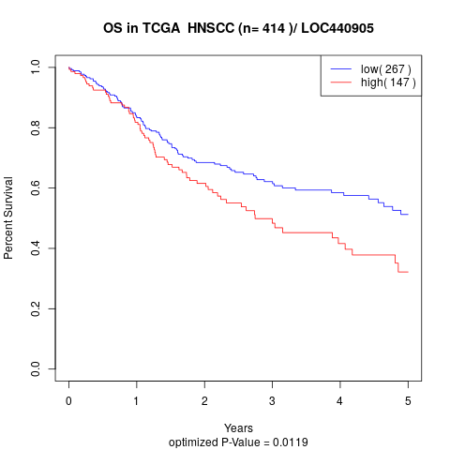

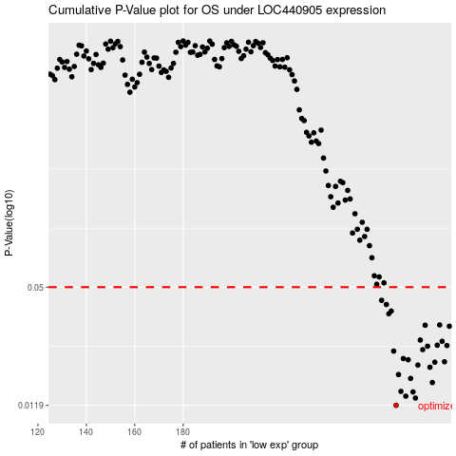

 |  |  |  |  |  | cases_OS | p_OS | rank | exp
 |  |  |  |  |  | 268 | 0.0119 | 199 | -0.25496045448
 |  |  |  |  |  | 276 | 0.013 | 191 | -0.24092101288
 |  |  |  |  |  | 272 | 0.0133 | 297 | -0.24650278294
 |  |  |  |  |  | 275 | 0.014 | 81 | -0.24334764637
 |  |  |  |  |  | 270 | 0.0141 | 287 | -0.24921524762
 |  |  |  |  |  | 283 | 0.0157 | 411 | -0.22986740783
 |  |  |  |  |  | 274 | 0.0165 | 299 | -0.24365473167
 |  |  |  |  |  | 269 | 0.0173 | 235 | -0.25492967266
 |  |  |  |  |  | 282 | 0.0189 | 11 | -0.23057099229
 |  |  |  |  |  | 277 | 0.0194 | 1 | -0.24022036002
 |  |  |  |  |  | 284 | 0.0201 | 209 | -0.22806740425
 |  |  |  |  |  | 288 | 0.0202 | 323 | -0.22153579517
 |  |  |  |  |  | 273 | 0.0207 | 407 | -0.24604691884
 |  |  |  |  |  | 271 | 0.021 | 362 | -0.24919985671
 |  |  |  |  |  | 267 | 0.023 | 219 | -0.25806282222
 |  |  |  |  |  | 279 | 0.0234 | 208 | -0.23649429398
 |  |  |  |  |  | 281 | 0.0244 | 300 | -0.23265829286
 |  |  |  |  |  | 289 | 0.0246 | 74 | -0.21982813705
 |  |  |  |  |  | 285 | 0.0247 | 414 | -0.22690502409
 |  |  |  |  |  | 287 | 0.0259 | 160 | -0.22435306462
 |  |  |  |  |  | 278 | 0.0263 | 348 | -0.23799087676
 |  |  |  |  |  | 290 | 0.0311 | 28 | -0.21255336688
 |  |  |  |  |  | 280 | 0.0315 | 233 | -0.23639095501
 |  |  |  |  |  | 286 | 0.0316 | 303 | -0.22574850713
 |  |  |  |  |  | 265 | 0.0362 | 212 | -0.25843513566
 |  |  |  |  |  | 266 | 0.0374 | 232 | -0.25820427201
 |  |  |  |  |  | 264 | 0.0405 | 352 | -0.26068587304
 |  |  |  |  |  | 262 | 0.0426 | 265 | -0.26234735843
 |  |  |  |  |  |  | cases_RFS | p_RFS | rank | exp
 |  |  |  |  |  |  | 267 | 0.0119 | 219 | -0.25806282222
 |  |  |  |  |  |  | 275 | 0.013 | 81 | -0.24334764637
 |  |  |  |  |  |  | 271 | 0.0133 | 362 | -0.24919985671
 |  |  |  |  |  |  | 274 | 0.014 | 299 | -0.24365473167
 |  |  |  |  |  |  | 269 | 0.0141 | 235 | -0.25492967266
 |  |  |  |  |  |  | 282 | 0.0157 | 11 | -0.23057099229
 |  |  |  |  |  |  | 273 | 0.0165 | 407 | -0.24604691884
 |  |  |  |  |  |  | 268 | 0.0173 | 199 | -0.25496045448
 |  |  |  |  |  |  | 281 | 0.0189 | 300 | -0.23265829286
 |  |  |  |  |  |  | 276 | 0.0194 | 191 | -0.24092101288
 |  |  |  |  |  |  | 283 | 0.0201 | 411 | -0.22986740783
 |  |  |  |  |  |  | 287 | 0.0202 | 160 | -0.22435306462
 |  |  |  |  |  |  | 272 | 0.0207 | 297 | -0.24650278294
 |  |  |  |  |  |  | 270 | 0.021 | 287 | -0.24921524762
 |  |  |  |  |  |  | 266 | 0.023 | 232 | -0.25820427201
 |  |  |  |  |  |  | 278 | 0.0234 | 348 | -0.23799087676
 |  |  |  |  |  |  | 280 | 0.0244 | 233 | -0.23639095501
 |  |  |  |  |  |  | 288 | 0.0246 | 323 | -0.22153579517
 |  |  |  |  |  |  | 284 | 0.0247 | 209 | -0.22806740425
 |  |  |  |  |  |  | 286 | 0.0259 | 303 | -0.22574850713
 |  |  |  |  |  |  | 277 | 0.0263 | 1 | -0.24022036002
 |  |  |  |  |  |  | 289 | 0.0311 | 74 | -0.21982813705
 |  |  |  |  |  |  | 279 | 0.0315 | 208 | -0.23649429398
 |  |  |  |  |  |  | 285 | 0.0316 | 414 | -0.22690502409
 |  |  |  |  |  |  | 264 | 0.0362 | 352 | -0.26068587304
 |  |  |  |  |  |  | 265 | 0.0374 | 212 | -0.25843513566
 |  |  |  |  |  |  | 263 | 0.0405 | 73 | -0.26122602069
 |  |  |  |  |  |  | 261 | 0.0426 | 45 | -0.26644207341

