LOC440944 _multivariate
Reported by Tex Li-Hsing Chi. tex@gate.sinica.edu.tw 2019-08-18

Table 2. The clinicopathological features of HNSCC cohort and LOC440944 expression. (Chi square test)
Cutoff at -0.606 (30.2%)
 |  | LOC440944 expression |  | LOC440944 expression |  | (Optimised)
 | Features | Low | (%) | High | (%) | Case no | P-value | Remark | Matthews
Gender | Female | 91 | 21.9 | 215 | 51.8 | 415 | 0.8709 | 0 | 0
2 | Male | 34 | 8.2 | 75 | 18.1
Age at diagnosis | <=65y | 79 | 19 | 195 | 47 | 415 | 0.4936 | 0 | 0
4 | >65y | 46 | 11.1 | 95 | 22.9
Clinical T Status | T1+T2 | 41 | 9.9 | 108 | 26 | 415 | 0.451 | 0 | 0
6 | T3+T4 | 84 | 20.2 | 182 | 43.9
Clinical N Status | N0 | 59 | 14.2 | 157 | 37.8 | 415 | 0.2337 | 0 | 0
8 | N1-3 | 66 | 15.9 | 133 | 32
Clinical M Status | M0 | 125 | 30.1 | 287 | 69.2 | 415 | 0.5571 | 0 | 0
10 | M1 | 0 | 0 | 3 | 0.7
Clinical Stage | Stage I+II | 32 | 7.7 | 70 | 16.9 | 415 | 0.8469 | 0 | 0
12 | Stage III+IV | 93 | 22.4 | 220 | 53
Surgical Margin status | Negative | 102 | 24.6 | 216 | 52 | 415 | 0.13 | 0 | 0
14 | Positive | 23 | 5.5 | 74 | 17.8
Tobacco Exposure | Low | 50 | 12 | 111 | 26.7 | 415 | 0.7432 | 0 | 0
16 | High | 75 | 18.1 | 179 | 43.1

Table 3. Univariate/Multivariate Cox's proportional hazards regression analyses on OS time of LOC440944 gene expression in HNSCC

 |  | Univariate |  |  |  | Multivariate
 | Features | HR | CI95%(L) | CI95%(H) | P-value | HR | CI95%(L) | CI95%(H) | P-value
1 | Female | 1 |  |  |  | 1
Gender | Male | 1.157 | 0.843 | 1.587 | 0.367 | 1.192 | 0.856 | 1.66 | 0.299
11 | <=65y | 1 |  |  |  | 1
Age at diagnosis | >65y | 1.329 | 0.99 | 1.784 | 0.058 | 1.421 | 1.045 | 1.931 | 0.025
12 | T1+T2 | 1 |  |  |  | 1
Clinical T Status | T3+T4 | 1.409 | 1.028 | 1.931 | 0.033 | 2.041 | 1.078 | 3.863 | 0.028
13 | N0 | 1 |  |  |  | 1
Clinical N Status | N1-3 | 1.185 | 0.89 | 1.577 | 0.246 | 1.14 | 0.795 | 1.636 | 0.476
14 | M0 | 1 |  |  |  | 1
Clinical M Status | M1 | 4.097 | 1.009 | 16.644 | 0.049 | 10.775 | 2.343 | 49.555 | 0.002
15 | Stage I+II | 1 |  |  |  | 1
Clinical Stage | Stage III+IV | 1.245 | 0.882 | 1.759 | 0.213 | 0.573 | 0.266 | 1.238 | 0.157
16 | Negative | 1 |  |  |  | 1
Surgical Margin status | Positive | 1.591 | 1.155 | 2.191 | 0.004 | 1.734 | 1.254 | 2.398 | 0.001
17 | Low | 1 |  |  |  | 1
Tobacco Exposure | High | 1.364 | 1.008 | 1.844 | 0.044 | 1.51 | 1.097 | 2.078 | 0.011
18 | Low | 1 |  |  |  | 1
RNAseq(z-score) | High | 0.641 | 0.477 | 0.86 | 0.003 | 0.616 | 0.456 | 0.834 | 0.002

Table 4. Univariate/Multivariate Cox's proportional hazards regression analyses on RFS time of LOC440944 gene expression in HNSCC

 |  | Univariate |  |  |  | Multivariate
 | Features | HR | CI95%(L) | CI95%(H) | P-value | HR | CI95%(L) | CI95%(H) | P-value
1 | Female | 1 |  |  |  | 1
Gender | Male | 1.157 | 0.843 | 1.587 | 0.367 | 1.192 | 0.856 | 1.66 | 0.299
11 | <=65y | 1 |  |  |  | 1
Age at diagnosis | >65y | 1.329 | 0.99 | 1.784 | 0.058 | 1.421 | 1.045 | 1.931 | 0.025
12 | T1+T2 | 1 |  |  |  | 1
Clinical T Status | T3+T4 | 1.409 | 1.028 | 1.931 | 0.033 | 2.041 | 1.078 | 3.863 | 0.028
13 | N0 | 1 |  |  |  | 1
Clinical N Status | N1-3 | 1.185 | 0.89 | 1.577 | 0.246 | 1.14 | 0.795 | 1.636 | 0.476
14 | M0 | 1 |  |  |  | 1
Clinical M Status | M1 | 4.097 | 1.009 | 16.644 | 0.049 | 10.775 | 2.343 | 49.555 | 0.002
15 | Stage I+II | 1 |  |  |  | 1
Clinical Stage | Stage III+IV | 1.245 | 0.882 | 1.759 | 0.213 | 0.573 | 0.266 | 1.238 | 0.157
16 | Negative | 1 |  |  |  | 1
Surgical Margin status | Positive | 1.591 | 1.155 | 2.191 | 0.004 | 1.734 | 1.254 | 2.398 | 0.001
17 | Low | 1 |  |  |  | 1
Tobacco Exposure | High | 1.364 | 1.008 | 1.844 | 0.044 | 1.51 | 1.097 | 2.078 | 0.011
18 | Low | 1 |  |  |  | 1
RNAseq(z-score) | High | 0.641 | 0.477 | 0.86 | 0.003 | 0.616 | 0.456 | 0.834 | 0.002

Kaplan-Meier survival estimate: Cutoff at -0.606 (30.2%)

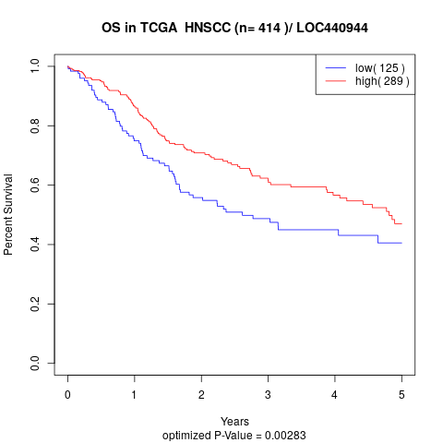

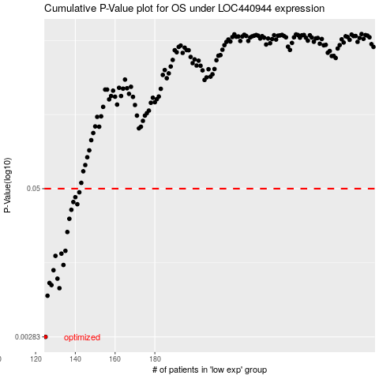

 |  |  |  |  |  | cases_OS | p_OS | rank | exp
 |  |  |  |  |  | 125 | 0.00283 | 270 | -0.60619133401
 |  |  |  |  |  | 126 | 0.00628 | 288 | -0.60595150708
 |  |  |  |  |  | 132 | 0.00727 | 230 | -0.58952583496
 |  |  |  |  |  | 128 | 0.00772 | 328 | -0.60341230857
 |  |  |  |  |  | 127 | 0.00805 | 218 | -0.60420349019
 |  |  |  |  |  | 131 | 0.00875 | 244 | -0.59192657668
 |  |  |  |  |  | 129 | 0.0103 | 30 | -0.59999415674
 |  |  |  |  |  | 134 | 0.0114 | 84 | -0.58599518699
 |  |  |  |  |  | 130 | 0.0136 | 216 | -0.59586270523
 |  |  |  |  |  | 133 | 0.0142 | 215 | -0.58852573195
 |  |  |  |  |  | 135 | 0.015 | 195 | -0.58553407646
 |  |  |  |  |  | 136 | 0.0216 | 152 | -0.57611407032
 |  |  |  |  |  | 137 | 0.0279 | 317 | -0.57314590303
 |  |  |  |  |  | 138 | 0.0332 | 9 | -0.56827271876
 |  |  |  |  |  | 141 | 0.037 | 130 | -0.56402753489
 |  |  |  |  |  | 139 | 0.0386 | 318 | -0.56591400856
 |  |  |  |  |  | 140 | 0.0424 | 142 | -0.56429332246
 |  |  |  |  |  | 142 | 0.0466 | 170 | -0.56361340076
 |  |  |  |  |  |  | cases_RFS | p_RFS | rank | exp
 |  |  |  |  |  |  |  | 0.00283 | 42 | -0.60646083024
 |  |  |  |  |  |  | 125 | 0.00628 | 270 | -0.60619133401
 |  |  |  |  |  |  | 131 | 0.00727 | 244 | -0.59192657668
 |  |  |  |  |  |  | 127 | 0.00772 | 218 | -0.60420349019
 |  |  |  |  |  |  | 126 | 0.00805 | 288 | -0.60595150708
 |  |  |  |  |  |  | 130 | 0.00875 | 216 | -0.59586270523
 |  |  |  |  |  |  | 128 | 0.0103 | 328 | -0.60341230857
 |  |  |  |  |  |  | 133 | 0.0114 | 215 | -0.58852573195
 |  |  |  |  |  |  | 129 | 0.0136 | 30 | -0.59999415674
 |  |  |  |  |  |  | 132 | 0.0142 | 230 | -0.58952583496
 |  |  |  |  |  |  | 134 | 0.015 | 84 | -0.58599518699
 |  |  |  |  |  |  | 135 | 0.0216 | 195 | -0.58553407646
 |  |  |  |  |  |  | 136 | 0.0279 | 152 | -0.57611407032
 |  |  |  |  |  |  | 137 | 0.0332 | 317 | -0.57314590303
 |  |  |  |  |  |  | 140 | 0.037 | 142 | -0.56429332246
 |  |  |  |  |  |  | 138 | 0.0386 | 9 | -0.56827271876
 |  |  |  |  |  |  | 139 | 0.0424 | 318 | -0.56591400856
 |  |  |  |  |  |  | 141 | 0.0466 | 130 | -0.56402753489

