LOC440957 _multivariate
Reported by Tex Li-Hsing Chi. tex@gate.sinica.edu.tw 2019-08-18

Table 2. The clinicopathological features of HNSCC cohort and LOC440957 expression. (Chi square test)
Cutoff at -0.367 (50.0%)
 |  | LOC440957 expression |  | LOC440957 expression |  | (Optimised)
 | Features | Low | (%) | High | (%) | Case no | P-value | Remark | Matthews
Gender | Female | 156 | 37.6 | 150 | 36.1 | 415 | 0.5222 | 0 | 0
2 | Male | 51 | 12.3 | 58 | 14
Age at diagnosis | <=65y | 144 | 34.7 | 130 | 31.3 | 415 | 0.1568 | 0 | 0
4 | >65y | 63 | 15.2 | 78 | 18.8
Clinical T Status | T1+T2 | 71 | 17.1 | 78 | 18.8 | 415 | 0.5638 | 0 | 0
6 | T3+T4 | 136 | 32.8 | 130 | 31.3
Clinical N Status | N0 | 111 | 26.7 | 105 | 25.3 | 415 | 0.5875 | 0 | 0
8 | N1-3 | 96 | 23.1 | 103 | 24.8
Clinical M Status | M0 | 207 | 49.9 | 205 | 49.4 | 415 | 0.2482 | 0 | 0
10 | M1 | 0 | 0 | 3 | 0.7
Clinical Stage | Stage I+II | 52 | 12.5 | 50 | 12 | 415 | 0.8871 | 0 | 0
12 | Stage III+IV | 155 | 37.3 | 158 | 38.1
Surgical Margin status | Negative | 165 | 39.8 | 153 | 36.9 | 415 | 0.1639 | 0 | 0
14 | Positive | 42 | 10.1 | 55 | 13.3
Tobacco Exposure | Low | 76 | 18.3 | 85 | 20.5 | 415 | 0.4207 | 0 | 0
16 | High | 131 | 31.6 | 123 | 29.6

Table 3. Univariate/Multivariate Cox's proportional hazards regression analyses on OS time of LOC440957 gene expression in HNSCC

 |  | Univariate |  |  |  | Multivariate
 | Features | HR | CI95%(L) | CI95%(H) | P-value | HR | CI95%(L) | CI95%(H) | P-value
1 | Female | 1 |  |  |  | 1
Gender | Male | 1.157 | 0.843 | 1.587 | 0.367 | 1.182 | 0.845 | 1.653 | 0.329
11 | <=65y | 1 |  |  |  | 1
Age at diagnosis | >65y | 1.329 | 0.99 | 1.784 | 0.058 | 1.384 | 1.018 | 1.881 | 0.038
12 | T1+T2 | 1 |  |  |  | 1
Clinical T Status | T3+T4 | 1.409 | 1.028 | 1.931 | 0.033 | 2.226 | 1.178 | 4.206 | 0.014
13 | N0 | 1 |  |  |  | 1
Clinical N Status | N1-3 | 1.185 | 0.89 | 1.577 | 0.246 | 1.223 | 0.857 | 1.746 | 0.267
14 | M0 | 1 |  |  |  | 1
Clinical M Status | M1 | 4.097 | 1.009 | 16.644 | 0.049 | 8.616 | 1.871 | 39.683 | 0.006
15 | Stage I+II | 1 |  |  |  | 1
Clinical Stage | Stage III+IV | 1.245 | 0.882 | 1.759 | 0.213 | 0.504 | 0.235 | 1.081 | 0.079
16 | Negative | 1 |  |  |  | 1
Surgical Margin status | Positive | 1.591 | 1.155 | 2.191 | 0.004 | 1.639 | 1.185 | 2.266 | 0.003
17 | Low | 1 |  |  |  | 1
Tobacco Exposure | High | 1.364 | 1.008 | 1.844 | 0.044 | 1.472 | 1.068 | 2.03 | 0.018
18 | Low | 1 |  |  |  | 1
RNAseq(z-score) | High | 1.263 | 0.948 | 1.683 | 0.11 | 1.223 | 0.913 | 1.64 | 0.177

Table 4. Univariate/Multivariate Cox's proportional hazards regression analyses on RFS time of LOC440957 gene expression in HNSCC

 |  | Univariate |  |  |  | Multivariate
 | Features | HR | CI95%(L) | CI95%(H) | P-value | HR | CI95%(L) | CI95%(H) | P-value
1 | Female | 1 |  |  |  | 1
Gender | Male | 1.157 | 0.843 | 1.587 | 0.367 | 1.182 | 0.845 | 1.653 | 0.329
11 | <=65y | 1 |  |  |  | 1
Age at diagnosis | >65y | 1.329 | 0.99 | 1.784 | 0.058 | 1.384 | 1.018 | 1.881 | 0.038
12 | T1+T2 | 1 |  |  |  | 1
Clinical T Status | T3+T4 | 1.409 | 1.028 | 1.931 | 0.033 | 2.226 | 1.178 | 4.206 | 0.014
13 | N0 | 1 |  |  |  | 1
Clinical N Status | N1-3 | 1.185 | 0.89 | 1.577 | 0.246 | 1.223 | 0.857 | 1.746 | 0.267
14 | M0 | 1 |  |  |  | 1
Clinical M Status | M1 | 4.097 | 1.009 | 16.644 | 0.049 | 8.616 | 1.871 | 39.683 | 0.006
15 | Stage I+II | 1 |  |  |  | 1
Clinical Stage | Stage III+IV | 1.245 | 0.882 | 1.759 | 0.213 | 0.504 | 0.235 | 1.081 | 0.079
16 | Negative | 1 |  |  |  | 1
Surgical Margin status | Positive | 1.591 | 1.155 | 2.191 | 0.004 | 1.639 | 1.185 | 2.266 | 0.003
17 | Low | 1 |  |  |  | 1
Tobacco Exposure | High | 1.364 | 1.008 | 1.844 | 0.044 | 1.472 | 1.068 | 2.03 | 0.018
18 | Low | 1 |  |  |  | 1
RNAseq(z-score) | High | 1.263 | 0.948 | 1.683 | 0.11 | 1.223 | 0.913 | 1.64 | 0.177

Kaplan-Meier survival estimate: Cutoff at -0.367 (50.0%)



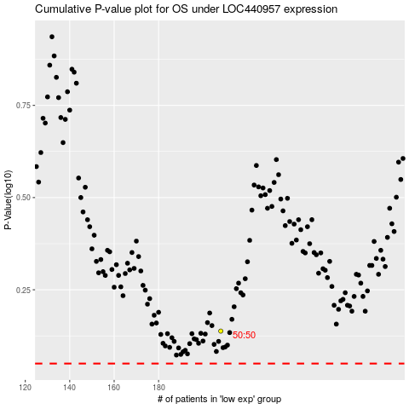

 |  |  |  |  |  | cases_OS | p_OS | rank | exp
 |  |  |  |  |  |  | cases_RFS | p_RFS | rank | exp

