LOC441046 _multivariate
Reported by Tex Li-Hsing Chi. tex@gate.sinica.edu.tw 2019-08-18

Table 2. The clinicopathological features of HNSCC cohort and LOC441046 expression. (Chi square test)
Cutoff at -0.23 (56.8%)
 |  | LOC441046 expression |  | LOC441046 expression |  | (Optimised)
 | Features | Low | (%) | High | (%) | Case no | P-value | Remark | Matthews
Gender | Female | 167 | 40.2 | 139 | 33.5 | 415 | 0.1423 | 0 | 0
2 | Male | 69 | 16.6 | 40 | 9.6
Age at diagnosis | <=65y | 148 | 35.7 | 126 | 30.4 | 415 | 0.1257 | 0 | 0
4 | >65y | 88 | 21.2 | 53 | 12.8
Clinical T Status | T1+T2 | 79 | 19 | 70 | 16.9 | 415 | 0.2797 | 0 | 0
6 | T3+T4 | 157 | 37.8 | 109 | 26.3
Clinical N Status | N0 | 115 | 27.7 | 101 | 24.3 | 415 | 0.1457 | 0 | 0
8 | N1-3 | 121 | 29.2 | 78 | 18.8
Clinical M Status | M0 | 234 | 56.4 | 178 | 42.9 | 415 | 1 | 0 | 0
10 | M1 | 2 | 0.5 | 1 | 0.2
Clinical Stage | Stage I+II | 51 | 12.3 | 51 | 12.3 | 415 | 0.1343 | 0 | 0
12 | Stage III+IV | 185 | 44.6 | 128 | 30.8
Surgical Margin status | Negative | 181 | 43.6 | 137 | 33 | 415 | 1 | 0 | 0
14 | Positive | 55 | 13.3 | 42 | 10.1
Tobacco Exposure | Low | 104 | 25.1 | 57 | 13.7 | 415 | 0.0145 | 1 | 0
16 | High | 132 | 31.8 | 122 | 29.4

Table 3. Univariate/Multivariate Cox's proportional hazards regression analyses on OS time of LOC441046 gene expression in HNSCC

 |  | Univariate |  |  |  | Multivariate
 | Features | HR | CI95%(L) | CI95%(H) | P-value | HR | CI95%(L) | CI95%(H) | P-value
1 | Female | 1 |  |  |  | 1
Gender | Male | 1.157 | 0.843 | 1.587 | 0.367 | 1.233 | 0.883 | 1.721 | 0.219
11 | <=65y | 1 |  |  |  | 1
Age at diagnosis | >65y | 1.329 | 0.99 | 1.784 | 0.058 | 1.431 | 1.051 | 1.949 | 0.023
12 | T1+T2 | 1 |  |  |  | 1
Clinical T Status | T3+T4 | 1.409 | 1.028 | 1.931 | 0.033 | 2.309 | 1.219 | 4.372 | 0.01
13 | N0 | 1 |  |  |  | 1
Clinical N Status | N1-3 | 1.185 | 0.89 | 1.577 | 0.246 | 1.303 | 0.912 | 1.861 | 0.147
14 | M0 | 1 |  |  |  | 1
Clinical M Status | M1 | 4.097 | 1.009 | 16.644 | 0.049 | 9.581 | 2.087 | 43.99 | 0.004
15 | Stage I+II | 1 |  |  |  | 1
Clinical Stage | Stage III+IV | 1.245 | 0.882 | 1.759 | 0.213 | 0.497 | 0.231 | 1.066 | 0.072
16 | Negative | 1 |  |  |  | 1
Surgical Margin status | Positive | 1.591 | 1.155 | 2.191 | 0.004 | 1.666 | 1.205 | 2.304 | 0.002
17 | Low | 1 |  |  |  | 1
Tobacco Exposure | High | 1.364 | 1.008 | 1.844 | 0.044 | 1.413 | 1.024 | 1.95 | 0.035
18 | Low | 1 |  |  |  | 1
RNAseq(z-score) | High | 1.392 | 1.044 | 1.857 | 0.024 | 1.493 | 1.111 | 2.007 | 0.008

Table 4. Univariate/Multivariate Cox's proportional hazards regression analyses on RFS time of LOC441046 gene expression in HNSCC

 |  | Univariate |  |  |  | Multivariate
 | Features | HR | CI95%(L) | CI95%(H) | P-value | HR | CI95%(L) | CI95%(H) | P-value
1 | Female | 1 |  |  |  | 1
Gender | Male | 1.157 | 0.843 | 1.587 | 0.367 | 1.233 | 0.883 | 1.721 | 0.219
11 | <=65y | 1 |  |  |  | 1
Age at diagnosis | >65y | 1.329 | 0.99 | 1.784 | 0.058 | 1.431 | 1.051 | 1.949 | 0.023
12 | T1+T2 | 1 |  |  |  | 1
Clinical T Status | T3+T4 | 1.409 | 1.028 | 1.931 | 0.033 | 2.309 | 1.219 | 4.372 | 0.01
13 | N0 | 1 |  |  |  | 1
Clinical N Status | N1-3 | 1.185 | 0.89 | 1.577 | 0.246 | 1.303 | 0.912 | 1.861 | 0.147
14 | M0 | 1 |  |  |  | 1
Clinical M Status | M1 | 4.097 | 1.009 | 16.644 | 0.049 | 9.581 | 2.087 | 43.99 | 0.004
15 | Stage I+II | 1 |  |  |  | 1
Clinical Stage | Stage III+IV | 1.245 | 0.882 | 1.759 | 0.213 | 0.497 | 0.231 | 1.066 | 0.072
16 | Negative | 1 |  |  |  | 1
Surgical Margin status | Positive | 1.591 | 1.155 | 2.191 | 0.004 | 1.666 | 1.205 | 2.304 | 0.002
17 | Low | 1 |  |  |  | 1
Tobacco Exposure | High | 1.364 | 1.008 | 1.844 | 0.044 | 1.413 | 1.024 | 1.95 | 0.035
18 | Low | 1 |  |  |  | 1
RNAseq(z-score) | High | 1.392 | 1.044 | 1.857 | 0.024 | 1.493 | 1.111 | 2.007 | 0.008

Kaplan-Meier survival estimate: Cutoff at -0.23 (56.8%)

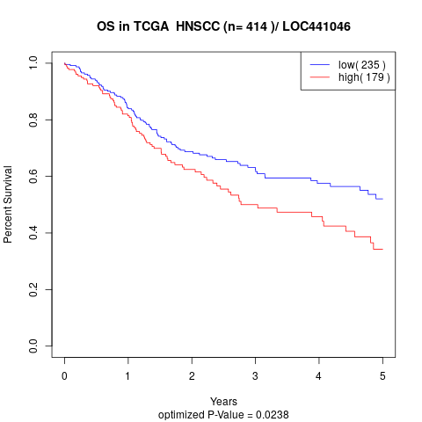

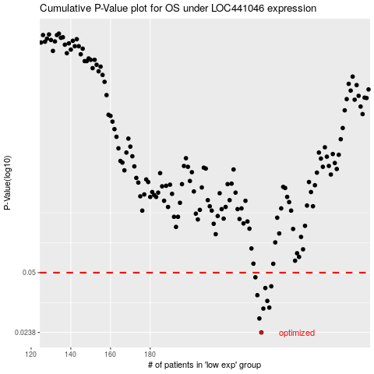

 |  |  |  |  |  | cases_OS | p_OS | rank | exp
 |  |  |  |  |  | 236 | 0.0238 | 52 | -0.22981717695
 |  |  |  |  |  | 235 | 0.0283 | 37 | -0.23668051976
 |  |  |  |  |  | 237 | 0.032 | 263 | -0.22608057564
 |  |  |  |  |  | 240 | 0.0324 | 284 | -0.18267404647
 |  |  |  |  |  | 239 | 0.0352 | 46 | -0.20408690163
 |  |  |  |  |  | 234 | 0.0378 | 282 | -0.23796800156
 |  |  |  |  |  | 238 | 0.0413 | 171 | -0.20846240367
 |  |  |  |  |  | 241 | 0.0422 | 69 | -0.1791697727
 |  |  |  |  |  | 233 | 0.0472 | 262 | -0.23841329602
 |  |  |  |  |  |  | cases_RFS | p_RFS | rank | exp
 |  |  |  |  |  |  | 235 | 0.0238 | 37 | -0.23668051976
 |  |  |  |  |  |  | 234 | 0.0283 | 282 | -0.23796800156
 |  |  |  |  |  |  | 236 | 0.032 | 52 | -0.22981717695
 |  |  |  |  |  |  | 239 | 0.0324 | 46 | -0.20408690163
 |  |  |  |  |  |  | 238 | 0.0352 | 171 | -0.20846240367
 |  |  |  |  |  |  | 233 | 0.0378 | 262 | -0.23841329602
 |  |  |  |  |  |  | 237 | 0.0413 | 263 | -0.22608057564
 |  |  |  |  |  |  | 240 | 0.0422 | 284 | -0.18267404647
 |  |  |  |  |  |  | 232 | 0.0472 | 314 | -0.24146259501

