LOC441294 _multivariate
Reported by Tex Li-Hsing Chi. tex@gate.sinica.edu.tw 2019-08-18

Table 2. The clinicopathological features of HNSCC cohort and LOC441294 expression. (Chi square test)
Cutoff at -0.226 (49.8%)
 |  | LOC441294 expression |  | LOC441294 expression |  | (Optimised)
 | Features | Low | (%) | High | (%) | Case no | P-value | Remark | Matthews
Gender | Female | 157 | 37.8 | 149 | 35.9 | 415 | 0.3881 | 0 | 0
2 | Male | 50 | 12 | 59 | 14.2
Age at diagnosis | <=65y | 149 | 35.9 | 125 | 30.1 | 415 | 0.0142 | 1 | 0
4 | >65y | 58 | 14 | 83 | 20
Clinical T Status | T1+T2 | 83 | 20 | 66 | 15.9 | 415 | 0.0941 | 0 | 0
6 | T3+T4 | 124 | 29.9 | 142 | 34.2
Clinical N Status | N0 | 99 | 23.9 | 117 | 28.2 | 415 | 0.1054 | 0 | 0
8 | N1-3 | 108 | 26 | 91 | 21.9
Clinical M Status | M0 | 206 | 49.6 | 206 | 49.6 | 415 | 1 | 0 | 0
10 | M1 | 1 | 0.2 | 2 | 0.5
Clinical Stage | Stage I+II | 52 | 12.5 | 50 | 12 | 415 | 0.8871 | 0 | 0
12 | Stage III+IV | 155 | 37.3 | 158 | 38.1
Surgical Margin status | Negative | 164 | 39.5 | 154 | 37.1 | 415 | 0.2462 | 0 | 0
14 | Positive | 43 | 10.4 | 54 | 13
Tobacco Exposure | Low | 76 | 18.3 | 85 | 20.5 | 415 | 0.4207 | 0 | 0
16 | High | 131 | 31.6 | 123 | 29.6

Table 3. Univariate/Multivariate Cox's proportional hazards regression analyses on OS time of LOC441294 gene expression in HNSCC

 |  | Univariate |  |  |  | Multivariate
 | Features | HR | CI95%(L) | CI95%(H) | P-value | HR | CI95%(L) | CI95%(H) | P-value
1 | Female | 1 |  |  |  | 1
Gender | Male | 1.157 | 0.843 | 1.587 | 0.367 | 1.203 | 0.861 | 1.681 | 0.278
11 | <=65y | 1 |  |  |  | 1
Age at diagnosis | >65y | 1.329 | 0.99 | 1.784 | 0.058 | 1.402 | 1.028 | 1.912 | 0.033
12 | T1+T2 | 1 |  |  |  | 1
Clinical T Status | T3+T4 | 1.409 | 1.028 | 1.931 | 0.033 | 2.215 | 1.171 | 4.192 | 0.015
13 | N0 | 1 |  |  |  | 1
Clinical N Status | N1-3 | 1.185 | 0.89 | 1.577 | 0.246 | 1.234 | 0.864 | 1.763 | 0.248
14 | M0 | 1 |  |  |  | 1
Clinical M Status | M1 | 4.097 | 1.009 | 16.644 | 0.049 | 9.514 | 2.073 | 43.676 | 0.004
15 | Stage I+II | 1 |  |  |  | 1
Clinical Stage | Stage III+IV | 1.245 | 0.882 | 1.759 | 0.213 | 0.505 | 0.235 | 1.083 | 0.079
16 | Negative | 1 |  |  |  | 1
Surgical Margin status | Positive | 1.591 | 1.155 | 2.191 | 0.004 | 1.677 | 1.213 | 2.319 | 0.002
17 | Low | 1 |  |  |  | 1
Tobacco Exposure | High | 1.364 | 1.008 | 1.844 | 0.044 | 1.451 | 1.053 | 1.999 | 0.023
18 | Low | 1 |  |  |  | 1
RNAseq(z-score) | High | 1.028 | 0.772 | 1.37 | 0.85 | 0.951 | 0.707 | 1.278 | 0.739

Table 4. Univariate/Multivariate Cox's proportional hazards regression analyses on RFS time of LOC441294 gene expression in HNSCC

 |  | Univariate |  |  |  | Multivariate
 | Features | HR | CI95%(L) | CI95%(H) | P-value | HR | CI95%(L) | CI95%(H) | P-value
1 | Female | 1 |  |  |  | 1
Gender | Male | 1.157 | 0.843 | 1.587 | 0.367 | 1.203 | 0.861 | 1.681 | 0.278
11 | <=65y | 1 |  |  |  | 1
Age at diagnosis | >65y | 1.329 | 0.99 | 1.784 | 0.058 | 1.402 | 1.028 | 1.912 | 0.033
12 | T1+T2 | 1 |  |  |  | 1
Clinical T Status | T3+T4 | 1.409 | 1.028 | 1.931 | 0.033 | 2.215 | 1.171 | 4.192 | 0.015
13 | N0 | 1 |  |  |  | 1
Clinical N Status | N1-3 | 1.185 | 0.89 | 1.577 | 0.246 | 1.234 | 0.864 | 1.763 | 0.248
14 | M0 | 1 |  |  |  | 1
Clinical M Status | M1 | 4.097 | 1.009 | 16.644 | 0.049 | 9.514 | 2.073 | 43.676 | 0.004
15 | Stage I+II | 1 |  |  |  | 1
Clinical Stage | Stage III+IV | 1.245 | 0.882 | 1.759 | 0.213 | 0.505 | 0.235 | 1.083 | 0.079
16 | Negative | 1 |  |  |  | 1
Surgical Margin status | Positive | 1.591 | 1.155 | 2.191 | 0.004 | 1.677 | 1.213 | 2.319 | 0.002
17 | Low | 1 |  |  |  | 1
Tobacco Exposure | High | 1.364 | 1.008 | 1.844 | 0.044 | 1.451 | 1.053 | 1.999 | 0.023
18 | Low | 1 |  |  |  | 1
RNAseq(z-score) | High | 1.028 | 0.772 | 1.37 | 0.85 | 0.951 | 0.707 | 1.278 | 0.739

Kaplan-Meier survival estimate: Cutoff at -0.226 (49.8%)

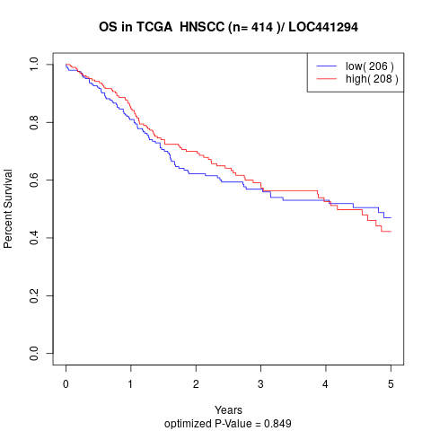

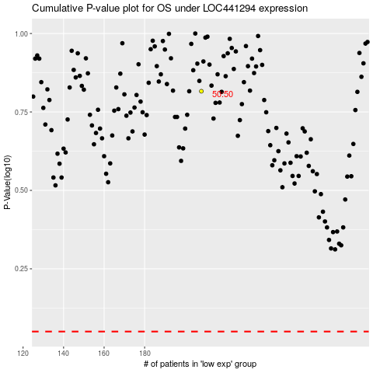

 |  |  |  |  |  | cases_OS | p_OS | rank | exp
 |  |  |  |  |  |  | cases_RFS | p_RFS | rank | exp

