LOC441454 _multivariate
Reported by Tex Li-Hsing Chi. tex@gate.sinica.edu.tw 2019-08-18

Table 2. The clinicopathological features of HNSCC cohort and LOC441454 expression. (Chi square test)
Cutoff at 0.03 (59.7%)
 |  | LOC441454 expression |  | LOC441454 expression |  | (Optimised)
 | Features | Low | (%) | High | (%) | Case no | P-value | Remark | Matthews
Gender | Female | 180 | 43.4 | 126 | 30.4 | 415 | 0.591 | 0 | 0
2 | Male | 68 | 16.4 | 41 | 9.9
Age at diagnosis | <=65y | 166 | 40 | 108 | 26 | 415 | 0.7099 | 0 | 0
4 | >65y | 82 | 19.8 | 59 | 14.2
Clinical T Status | T1+T2 | 83 | 20 | 66 | 15.9 | 415 | 0.2476 | 0 | 0
6 | T3+T4 | 165 | 39.8 | 101 | 24.3
Clinical N Status | N0 | 136 | 32.8 | 80 | 19.3 | 415 | 0.1983 | 0 | 0
8 | N1-3 | 112 | 27 | 87 | 21
Clinical M Status | M0 | 245 | 59 | 167 | 40.2 | 415 | 0.2768 | 0 | 0
10 | M1 | 3 | 0.7 | 0 | 0
Clinical Stage | Stage I+II | 59 | 14.2 | 43 | 10.4 | 415 | 0.7353 | 0 | 0
12 | Stage III+IV | 189 | 45.5 | 124 | 29.9
Surgical Margin status | Negative | 186 | 44.8 | 132 | 31.8 | 415 | 0.4078 | 0 | 0
14 | Positive | 62 | 14.9 | 35 | 8.4
Tobacco Exposure | Low | 95 | 22.9 | 66 | 15.9 | 415 | 0.8375 | 0 | 0
16 | High | 153 | 36.9 | 101 | 24.3

Table 3. Univariate/Multivariate Cox's proportional hazards regression analyses on OS time of LOC441454 gene expression in HNSCC

 |  | Univariate |  |  |  | Multivariate
 | Features | HR | CI95%(L) | CI95%(H) | P-value | HR | CI95%(L) | CI95%(H) | P-value
1 | Female | 1 |  |  |  | 1
Gender | Male | 1.157 | 0.843 | 1.587 | 0.367 | 1.201 | 0.859 | 1.679 | 0.284
11 | <=65y | 1 |  |  |  | 1
Age at diagnosis | >65y | 1.329 | 0.99 | 1.784 | 0.058 | 1.439 | 1.056 | 1.96 | 0.021
12 | T1+T2 | 1 |  |  |  | 1
Clinical T Status | T3+T4 | 1.409 | 1.028 | 1.931 | 0.033 | 2.163 | 1.144 | 4.09 | 0.018
13 | N0 | 1 |  |  |  | 1
Clinical N Status | N1-3 | 1.185 | 0.89 | 1.577 | 0.246 | 1.285 | 0.899 | 1.837 | 0.169
14 | M0 | 1 |  |  |  | 1
Clinical M Status | M1 | 4.097 | 1.009 | 16.644 | 0.049 | 8.189 | 1.775 | 37.78 | 0.007
15 | Stage I+II | 1 |  |  |  | 1
Clinical Stage | Stage III+IV | 1.245 | 0.882 | 1.759 | 0.213 | 0.512 | 0.238 | 1.098 | 0.085
16 | Negative | 1 |  |  |  | 1
Surgical Margin status | Positive | 1.591 | 1.155 | 2.191 | 0.004 | 1.623 | 1.173 | 2.245 | 0.003
17 | Low | 1 |  |  |  | 1
Tobacco Exposure | High | 1.364 | 1.008 | 1.844 | 0.044 | 1.43 | 1.039 | 1.969 | 0.028
18 | Low | 1 |  |  |  | 1
RNAseq(z-score) | High | 0.731 | 0.541 | 0.989 | 0.042 | 0.752 | 0.553 | 1.023 | 0.07

Table 4. Univariate/Multivariate Cox's proportional hazards regression analyses on RFS time of LOC441454 gene expression in HNSCC

 |  | Univariate |  |  |  | Multivariate
 | Features | HR | CI95%(L) | CI95%(H) | P-value | HR | CI95%(L) | CI95%(H) | P-value
1 | Female | 1 |  |  |  | 1
Gender | Male | 1.157 | 0.843 | 1.587 | 0.367 | 1.201 | 0.859 | 1.679 | 0.284
11 | <=65y | 1 |  |  |  | 1
Age at diagnosis | >65y | 1.329 | 0.99 | 1.784 | 0.058 | 1.439 | 1.056 | 1.96 | 0.021
12 | T1+T2 | 1 |  |  |  | 1
Clinical T Status | T3+T4 | 1.409 | 1.028 | 1.931 | 0.033 | 2.163 | 1.144 | 4.09 | 0.018
13 | N0 | 1 |  |  |  | 1
Clinical N Status | N1-3 | 1.185 | 0.89 | 1.577 | 0.246 | 1.285 | 0.899 | 1.837 | 0.169
14 | M0 | 1 |  |  |  | 1
Clinical M Status | M1 | 4.097 | 1.009 | 16.644 | 0.049 | 8.189 | 1.775 | 37.78 | 0.007
15 | Stage I+II | 1 |  |  |  | 1
Clinical Stage | Stage III+IV | 1.245 | 0.882 | 1.759 | 0.213 | 0.512 | 0.238 | 1.098 | 0.085
16 | Negative | 1 |  |  |  | 1
Surgical Margin status | Positive | 1.591 | 1.155 | 2.191 | 0.004 | 1.623 | 1.173 | 2.245 | 0.003
17 | Low | 1 |  |  |  | 1
Tobacco Exposure | High | 1.364 | 1.008 | 1.844 | 0.044 | 1.43 | 1.039 | 1.969 | 0.028
18 | Low | 1 |  |  |  | 1
RNAseq(z-score) | High | 0.731 | 0.541 | 0.989 | 0.042 | 0.752 | 0.553 | 1.023 | 0.07

Kaplan-Meier survival estimate: Cutoff at 0.03 (59.7%)

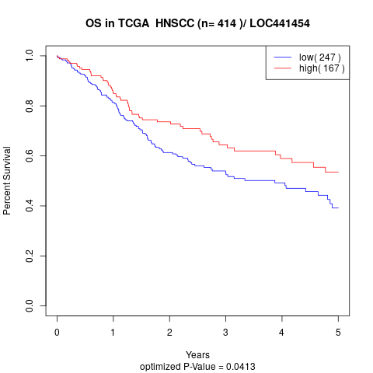

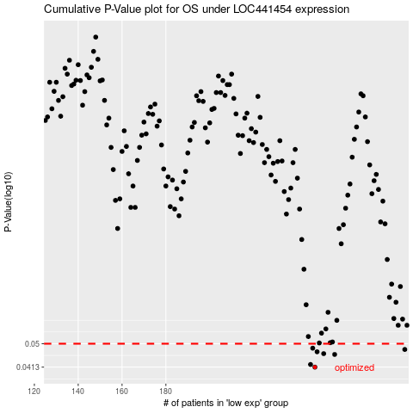

 |  |  |  |  |  | cases_OS | p_OS | rank | exp
 |  |  |  |  |  | 248 | 0.0413 | 383 | 0.029515995021
 |  |  |  |  |  | 246 | 0.0422 | 53 | 0.027070868806
 |  |  |  |  |  | 257 | 0.0458 | 190 | 0.094040159022
 |  |  |  |  |  | 252 | 0.0461 | 139 | 0.061710156849
 |  |  |  |  |  | 249 | 0.0468 | 46 | 0.040043621779
 |  |  |  |  |  | 289 | 0.0477 | 30 | 0.29216330259
 |  |  |  |  |  | 247 | 0.0482 | 266 | 0.027478389842
 |  |  |  |  |  |  | cases_RFS | p_RFS | rank | exp
 |  |  |  |  |  |  | 247 | 0.0413 | 266 | 0.027478389842
 |  |  |  |  |  |  | 245 | 0.0422 | 77 | 0.020143011198
 |  |  |  |  |  |  | 256 | 0.0458 | 254 | 0.088334864521
 |  |  |  |  |  |  | 251 | 0.0461 | 48 | 0.056684064074
 |  |  |  |  |  |  | 248 | 0.0468 | 383 | 0.029515995021
 |  |  |  |  |  |  | 288 | 0.0477 | 181 | 0.27056468769
 |  |  |  |  |  |  | 246 | 0.0482 | 53 | 0.027070868806

