LOC441455 _multivariate
Reported by Tex Li-Hsing Chi. tex@gate.sinica.edu.tw 2019-08-18

Table 2. The clinicopathological features of HNSCC cohort and LOC441455 expression. (Chi square test)
Cutoff at -0.349 (49.8%)
 |  | LOC441455 expression |  | LOC441455 expression |  | (Optimised)
 | Features | Low | (%) | High | (%) | Case no | P-value | Remark | Matthews
Gender | Female | 142 | 34.2 | 164 | 39.5 | 415 | 0.0238 | 1 | 0
2 | Male | 65 | 15.7 | 44 | 10.6
Age at diagnosis | <=65y | 131 | 31.6 | 143 | 34.5 | 415 | 0.2839 | 0 | 0
4 | >65y | 76 | 18.3 | 65 | 15.7
Clinical T Status | T1+T2 | 75 | 18.1 | 74 | 17.8 | 415 | 0.9707 | 0 | 0
6 | T3+T4 | 132 | 31.8 | 134 | 32.3
Clinical N Status | N0 | 109 | 26.3 | 107 | 25.8 | 415 | 0.8812 | 0 | 0
8 | N1-3 | 98 | 23.6 | 101 | 24.3
Clinical M Status | M0 | 207 | 49.9 | 205 | 49.4 | 415 | 0.2482 | 0 | 0
10 | M1 | 0 | 0 | 3 | 0.7
Clinical Stage | Stage I+II | 56 | 13.5 | 46 | 11.1 | 415 | 0.2918 | 0 | 0
12 | Stage III+IV | 151 | 36.4 | 162 | 39
Surgical Margin status | Negative | 165 | 39.8 | 153 | 36.9 | 415 | 0.1639 | 0 | 0
14 | Positive | 42 | 10.1 | 55 | 13.3
Tobacco Exposure | Low | 86 | 20.7 | 75 | 18.1 | 415 | 0.2687 | 0 | 0
16 | High | 121 | 29.2 | 133 | 32

Table 3. Univariate/Multivariate Cox's proportional hazards regression analyses on OS time of LOC441455 gene expression in HNSCC

 |  | Univariate |  |  |  | Multivariate
 | Features | HR | CI95%(L) | CI95%(H) | P-value | HR | CI95%(L) | CI95%(H) | P-value
1 | Female | 1 |  |  |  | 1
Gender | Male | 1.157 | 0.843 | 1.587 | 0.367 | 1.202 | 0.86 | 1.679 | 0.282
11 | <=65y | 1 |  |  |  | 1
Age at diagnosis | >65y | 1.329 | 0.99 | 1.784 | 0.058 | 1.388 | 1.021 | 1.888 | 0.036
12 | T1+T2 | 1 |  |  |  | 1
Clinical T Status | T3+T4 | 1.409 | 1.028 | 1.931 | 0.033 | 2.191 | 1.158 | 4.146 | 0.016
13 | N0 | 1 |  |  |  | 1
Clinical N Status | N1-3 | 1.185 | 0.89 | 1.577 | 0.246 | 1.232 | 0.862 | 1.76 | 0.252
14 | M0 | 1 |  |  |  | 1
Clinical M Status | M1 | 4.097 | 1.009 | 16.644 | 0.049 | 9.723 | 2.106 | 44.887 | 0.004
15 | Stage I+II | 1 |  |  |  | 1
Clinical Stage | Stage III+IV | 1.245 | 0.882 | 1.759 | 0.213 | 0.509 | 0.237 | 1.093 | 0.083
16 | Negative | 1 |  |  |  | 1
Surgical Margin status | Positive | 1.591 | 1.155 | 2.191 | 0.004 | 1.686 | 1.218 | 2.336 | 0.002
17 | Low | 1 |  |  |  | 1
Tobacco Exposure | High | 1.364 | 1.008 | 1.844 | 0.044 | 1.459 | 1.058 | 2.012 | 0.021
18 | Low | 1 |  |  |  | 1
RNAseq(z-score) | High | 0.971 | 0.728 | 1.294 | 0.838 | 0.935 | 0.697 | 1.253 | 0.652

Table 4. Univariate/Multivariate Cox's proportional hazards regression analyses on RFS time of LOC441455 gene expression in HNSCC

 |  | Univariate |  |  |  | Multivariate
 | Features | HR | CI95%(L) | CI95%(H) | P-value | HR | CI95%(L) | CI95%(H) | P-value
1 | Female | 1 |  |  |  | 1
Gender | Male | 1.157 | 0.843 | 1.587 | 0.367 | 1.202 | 0.86 | 1.679 | 0.282
11 | <=65y | 1 |  |  |  | 1
Age at diagnosis | >65y | 1.329 | 0.99 | 1.784 | 0.058 | 1.388 | 1.021 | 1.888 | 0.036
12 | T1+T2 | 1 |  |  |  | 1
Clinical T Status | T3+T4 | 1.409 | 1.028 | 1.931 | 0.033 | 2.191 | 1.158 | 4.146 | 0.016
13 | N0 | 1 |  |  |  | 1
Clinical N Status | N1-3 | 1.185 | 0.89 | 1.577 | 0.246 | 1.232 | 0.862 | 1.76 | 0.252
14 | M0 | 1 |  |  |  | 1
Clinical M Status | M1 | 4.097 | 1.009 | 16.644 | 0.049 | 9.723 | 2.106 | 44.887 | 0.004
15 | Stage I+II | 1 |  |  |  | 1
Clinical Stage | Stage III+IV | 1.245 | 0.882 | 1.759 | 0.213 | 0.509 | 0.237 | 1.093 | 0.083
16 | Negative | 1 |  |  |  | 1
Surgical Margin status | Positive | 1.591 | 1.155 | 2.191 | 0.004 | 1.686 | 1.218 | 2.336 | 0.002
17 | Low | 1 |  |  |  | 1
Tobacco Exposure | High | 1.364 | 1.008 | 1.844 | 0.044 | 1.459 | 1.058 | 2.012 | 0.021
18 | Low | 1 |  |  |  | 1
RNAseq(z-score) | High | 0.971 | 0.728 | 1.294 | 0.838 | 0.935 | 0.697 | 1.253 | 0.652

Kaplan-Meier survival estimate: Cutoff at -0.349 (49.8%)

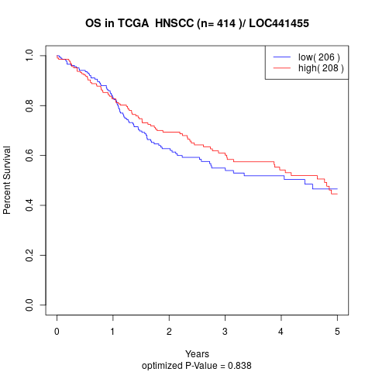

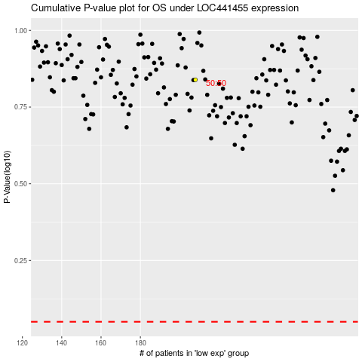

 |  |  |  |  |  | cases_OS | p_OS | rank | exp
 |  |  |  |  |  |  | cases_RFS | p_RFS | rank | exp

