LOC442308 _multivariate
Reported by Tex Li-Hsing Chi. tex@gate.sinica.edu.tw 2019-08-18

Table 2. The clinicopathological features of HNSCC cohort and LOC442308 expression. (Chi square test)
Cutoff at -0.115 (59.9%)
 |  | LOC442308 expression |  | LOC442308 expression |  | (Optimised)
 | Features | Low | (%) | High | (%) | Case no | P-value | Remark | Matthews
Gender | Female | 180 | 43.4 | 126 | 30.4 | 415 | 0.4803 | 0 | 0
2 | Male | 69 | 16.6 | 40 | 9.6
Age at diagnosis | <=65y | 168 | 40.5 | 106 | 25.5 | 415 | 0.5119 | 0 | 0
4 | >65y | 81 | 19.5 | 60 | 14.5
Clinical T Status | T1+T2 | 95 | 22.9 | 54 | 13 | 415 | 0.2868 | 0 | 0
6 | T3+T4 | 154 | 37.1 | 112 | 27
Clinical N Status | N0 | 135 | 32.5 | 81 | 19.5 | 415 | 0.3257 | 0 | 0
8 | N1-3 | 114 | 27.5 | 85 | 20.5
Clinical M Status | M0 | 247 | 59.5 | 165 | 39.8 | 415 | 1 | 0 | 0
10 | M1 | 2 | 0.5 | 1 | 0.2
Clinical Stage | Stage I+II | 63 | 15.2 | 39 | 9.4 | 415 | 0.7622 | 0 | 0
12 | Stage III+IV | 186 | 44.8 | 127 | 30.6
Surgical Margin status | Negative | 190 | 45.8 | 128 | 30.8 | 415 | 0.906 | 0 | 0
14 | Positive | 59 | 14.2 | 38 | 9.2
Tobacco Exposure | Low | 90 | 21.7 | 71 | 17.1 | 415 | 0.1827 | 0 | 0
16 | High | 159 | 38.3 | 95 | 22.9

Table 3. Univariate/Multivariate Cox's proportional hazards regression analyses on OS time of LOC442308 gene expression in HNSCC

 |  | Univariate |  |  |  | Multivariate
 | Features | HR | CI95%(L) | CI95%(H) | P-value | HR | CI95%(L) | CI95%(H) | P-value
1 | Female | 1 |  |  |  | 1
Gender | Male | 1.157 | 0.843 | 1.587 | 0.367 | 1.259 | 0.9 | 1.761 | 0.179
11 | <=65y | 1 |  |  |  | 1
Age at diagnosis | >65y | 1.329 | 0.99 | 1.784 | 0.058 | 1.417 | 1.04 | 1.93 | 0.027
12 | T1+T2 | 1 |  |  |  | 1
Clinical T Status | T3+T4 | 1.409 | 1.028 | 1.931 | 0.033 | 2.081 | 1.099 | 3.94 | 0.024
13 | N0 | 1 |  |  |  | 1
Clinical N Status | N1-3 | 1.185 | 0.89 | 1.577 | 0.246 | 1.196 | 0.837 | 1.709 | 0.325
14 | M0 | 1 |  |  |  | 1
Clinical M Status | M1 | 4.097 | 1.009 | 16.644 | 0.049 | 9.298 | 2.027 | 42.649 | 0.004
15 | Stage I+II | 1 |  |  |  | 1
Clinical Stage | Stage III+IV | 1.245 | 0.882 | 1.759 | 0.213 | 0.536 | 0.249 | 1.151 | 0.11
16 | Negative | 1 |  |  |  | 1
Surgical Margin status | Positive | 1.591 | 1.155 | 2.191 | 0.004 | 1.674 | 1.211 | 2.316 | 0.002
17 | Low | 1 |  |  |  | 1
Tobacco Exposure | High | 1.364 | 1.008 | 1.844 | 0.044 | 1.527 | 1.105 | 2.11 | 0.01
18 | Low | 1 |  |  |  | 1
RNAseq(z-score) | High | 1.344 | 1.008 | 1.792 | 0.044 | 1.407 | 1.049 | 1.887 | 0.023

Table 4. Univariate/Multivariate Cox's proportional hazards regression analyses on RFS time of LOC442308 gene expression in HNSCC

 |  | Univariate |  |  |  | Multivariate
 | Features | HR | CI95%(L) | CI95%(H) | P-value | HR | CI95%(L) | CI95%(H) | P-value
1 | Female | 1 |  |  |  | 1
Gender | Male | 1.157 | 0.843 | 1.587 | 0.367 | 1.259 | 0.9 | 1.761 | 0.179
11 | <=65y | 1 |  |  |  | 1
Age at diagnosis | >65y | 1.329 | 0.99 | 1.784 | 0.058 | 1.417 | 1.04 | 1.93 | 0.027
12 | T1+T2 | 1 |  |  |  | 1
Clinical T Status | T3+T4 | 1.409 | 1.028 | 1.931 | 0.033 | 2.081 | 1.099 | 3.94 | 0.024
13 | N0 | 1 |  |  |  | 1
Clinical N Status | N1-3 | 1.185 | 0.89 | 1.577 | 0.246 | 1.196 | 0.837 | 1.709 | 0.325
14 | M0 | 1 |  |  |  | 1
Clinical M Status | M1 | 4.097 | 1.009 | 16.644 | 0.049 | 9.298 | 2.027 | 42.649 | 0.004
15 | Stage I+II | 1 |  |  |  | 1
Clinical Stage | Stage III+IV | 1.245 | 0.882 | 1.759 | 0.213 | 0.536 | 0.249 | 1.151 | 0.11
16 | Negative | 1 |  |  |  | 1
Surgical Margin status | Positive | 1.591 | 1.155 | 2.191 | 0.004 | 1.674 | 1.211 | 2.316 | 0.002
17 | Low | 1 |  |  |  | 1
Tobacco Exposure | High | 1.364 | 1.008 | 1.844 | 0.044 | 1.527 | 1.105 | 2.11 | 0.01
18 | Low | 1 |  |  |  | 1
RNAseq(z-score) | High | 1.344 | 1.008 | 1.792 | 0.044 | 1.407 | 1.049 | 1.887 | 0.023

Kaplan-Meier survival estimate: Cutoff at -0.115 (59.9%)

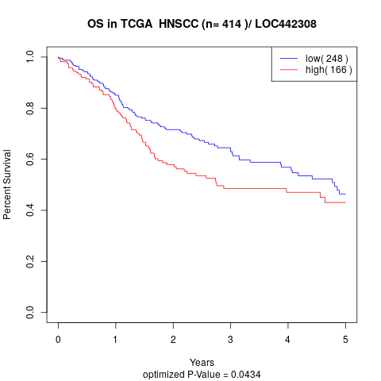

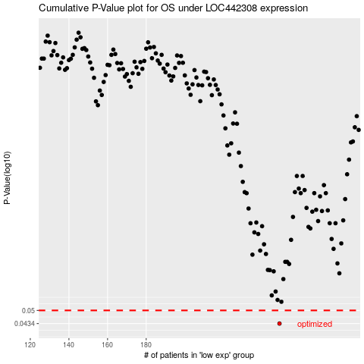

 |  |  |  |  |  | cases_OS | p_OS | rank | exp
 |  |  |  |  |  | 249 | 0.0434 | 86 | -0.11505314797
 |  |  |  |  |  |  | cases_RFS | p_RFS | rank | exp
 |  |  |  |  |  |  | 248 | 0.0434 | 397 | -0.11674682331

