LOC442459 _multivariate
Reported by Tex Li-Hsing Chi. tex@gate.sinica.edu.tw 2019-08-18

Table 2. The clinicopathological features of HNSCC cohort and LOC442459 expression. (Chi square test)
Cutoff at -0.081 (49.8%)
 |  | LOC442459 expression |  | LOC442459 expression |  | (Optimised)
 | Features | Low | (%) | High | (%) | Case no | P-value | Remark | Matthews
Gender | Female | 145 | 34.9 | 161 | 38.8 | 415 | 0.1537 | 0 | 0
2 | Male | 61 | 14.7 | 48 | 11.6
Age at diagnosis | <=65y | 140 | 33.7 | 134 | 32.3 | 415 | 0.4694 | 0 | 0
4 | >65y | 66 | 15.9 | 75 | 18.1
Clinical T Status | T1+T2 | 75 | 18.1 | 74 | 17.8 | 415 | 0.9122 | 0 | 0
6 | T3+T4 | 131 | 31.6 | 135 | 32.5
Clinical N Status | N0 | 115 | 27.7 | 101 | 24.3 | 415 | 0.1525 | 1 | 0
8 | N1-3 | 91 | 21.9 | 108 | 26
Clinical M Status | M0 | 204 | 49.2 | 208 | 50.1 | 415 | 0.6214 | 0 | 0
10 | M1 | 2 | 0.5 | 1 | 0.2
Clinical Stage | Stage I+II | 52 | 12.5 | 50 | 12 | 415 | 0.843 | 0 | 0
12 | Stage III+IV | 154 | 37.1 | 159 | 38.3
Surgical Margin status | Negative | 159 | 38.3 | 159 | 38.3 | 415 | 0.8172 | 0 | 0
14 | Positive | 47 | 11.3 | 50 | 12
Tobacco Exposure | Low | 88 | 21.2 | 73 | 17.6 | 415 | 0.1081 | 0 | 0
16 | High | 118 | 28.4 | 136 | 32.8

Table 3. Univariate/Multivariate Cox's proportional hazards regression analyses on OS time of LOC442459 gene expression in HNSCC

 |  | Univariate |  |  |  | Multivariate
 | Features | HR | CI95%(L) | CI95%(H) | P-value | HR | CI95%(L) | CI95%(H) | P-value
1 | Female | 1 |  |  |  | 1
Gender | Male | 1.157 | 0.843 | 1.587 | 0.367 | 1.213 | 0.868 | 1.695 | 0.258
11 | <=65y | 1 |  |  |  | 1
Age at diagnosis | >65y | 1.329 | 0.99 | 1.784 | 0.058 | 1.375 | 1.011 | 1.87 | 0.042
12 | T1+T2 | 1 |  |  |  | 1
Clinical T Status | T3+T4 | 1.409 | 1.028 | 1.931 | 0.033 | 2.209 | 1.169 | 4.176 | 0.015
13 | N0 | 1 |  |  |  | 1
Clinical N Status | N1-3 | 1.185 | 0.89 | 1.577 | 0.246 | 1.227 | 0.859 | 1.753 | 0.26
14 | M0 | 1 |  |  |  | 1
Clinical M Status | M1 | 4.097 | 1.009 | 16.644 | 0.049 | 9.592 | 2.091 | 44.002 | 0.004
15 | Stage I+II | 1 |  |  |  | 1
Clinical Stage | Stage III+IV | 1.245 | 0.882 | 1.759 | 0.213 | 0.505 | 0.235 | 1.084 | 0.079
16 | Negative | 1 |  |  |  | 1
Surgical Margin status | Positive | 1.591 | 1.155 | 2.191 | 0.004 | 1.676 | 1.213 | 2.316 | 0.002
17 | Low | 1 |  |  |  | 1
Tobacco Exposure | High | 1.364 | 1.008 | 1.844 | 0.044 | 1.447 | 1.05 | 1.994 | 0.024
18 | Low | 1 |  |  |  | 1
RNAseq(z-score) | High | 1.148 | 0.861 | 1.529 | 0.347 | 1.132 | 0.847 | 1.513 | 0.403

Table 4. Univariate/Multivariate Cox's proportional hazards regression analyses on RFS time of LOC442459 gene expression in HNSCC

 |  | Univariate |  |  |  | Multivariate
 | Features | HR | CI95%(L) | CI95%(H) | P-value | HR | CI95%(L) | CI95%(H) | P-value
1 | Female | 1 |  |  |  | 1
Gender | Male | 1.157 | 0.843 | 1.587 | 0.367 | 1.213 | 0.868 | 1.695 | 0.258
11 | <=65y | 1 |  |  |  | 1
Age at diagnosis | >65y | 1.329 | 0.99 | 1.784 | 0.058 | 1.375 | 1.011 | 1.87 | 0.042
12 | T1+T2 | 1 |  |  |  | 1
Clinical T Status | T3+T4 | 1.409 | 1.028 | 1.931 | 0.033 | 2.209 | 1.169 | 4.176 | 0.015
13 | N0 | 1 |  |  |  | 1
Clinical N Status | N1-3 | 1.185 | 0.89 | 1.577 | 0.246 | 1.227 | 0.859 | 1.753 | 0.26
14 | M0 | 1 |  |  |  | 1
Clinical M Status | M1 | 4.097 | 1.009 | 16.644 | 0.049 | 9.592 | 2.091 | 44.002 | 0.004
15 | Stage I+II | 1 |  |  |  | 1
Clinical Stage | Stage III+IV | 1.245 | 0.882 | 1.759 | 0.213 | 0.505 | 0.235 | 1.084 | 0.079
16 | Negative | 1 |  |  |  | 1
Surgical Margin status | Positive | 1.591 | 1.155 | 2.191 | 0.004 | 1.676 | 1.213 | 2.316 | 0.002
17 | Low | 1 |  |  |  | 1
Tobacco Exposure | High | 1.364 | 1.008 | 1.844 | 0.044 | 1.447 | 1.05 | 1.994 | 0.024
18 | Low | 1 |  |  |  | 1
RNAseq(z-score) | High | 1.148 | 0.861 | 1.529 | 0.347 | 1.132 | 0.847 | 1.513 | 0.403

Kaplan-Meier survival estimate: Cutoff at -0.081 (49.8%)

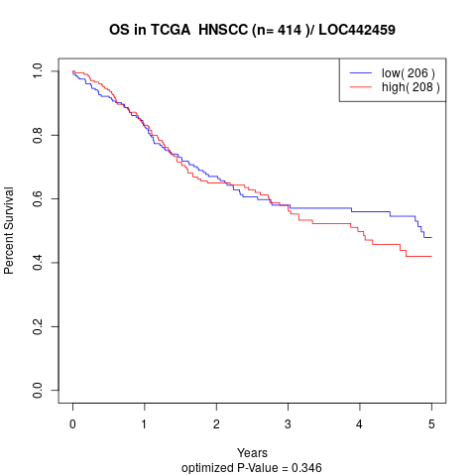

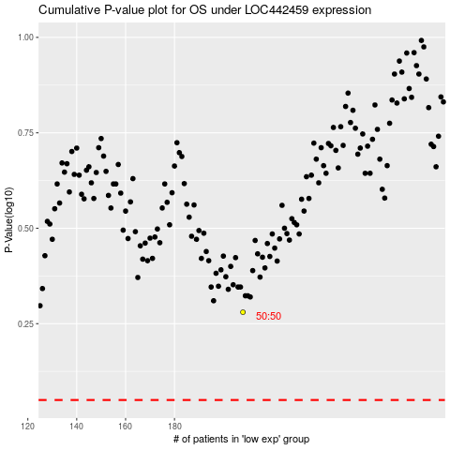

 |  |  |  |  |  | cases_OS | p_OS | rank | exp
 |  |  |  |  |  |  | cases_RFS | p_RFS | rank | exp

