LOC493754 _multivariate
Reported by Tex Li-Hsing Chi. tex@gate.sinica.edu.tw 2019-08-18

Table 2. The clinicopathological features of HNSCC cohort and LOC493754 expression. (Chi square test)
Cutoff at -0.137 (50.0%)
 |  | LOC493754 expression |  | LOC493754 expression |  | (Optimised)
 | Features | Low | (%) | High | (%) | Case no | P-value | Remark | Matthews
Gender | Female | 152 | 36.6 | 154 | 37.1 | 415 | 0.9766 | 0 | 0
2 | Male | 55 | 13.3 | 54 | 13
Age at diagnosis | <=65y | 137 | 33 | 137 | 33 | 415 | 1 | 0 | 0
4 | >65y | 70 | 16.9 | 71 | 17.1
Clinical T Status | T1+T2 | 91 | 21.9 | 58 | 14 | 415 | 9e-04 | 1 | 0
6 | T3+T4 | 116 | 28 | 150 | 36.1
Clinical N Status | N0 | 104 | 25.1 | 112 | 27 | 415 | 0.5243 | 0 | 0
8 | N1-3 | 103 | 24.8 | 96 | 23.1
Clinical M Status | M0 | 206 | 49.6 | 206 | 49.6 | 415 | 1 | 0 | 0
10 | M1 | 1 | 0.2 | 2 | 0.5
Clinical Stage | Stage I+II | 61 | 14.7 | 41 | 9.9 | 415 | 0.0282 | 1 | 0
12 | Stage III+IV | 146 | 35.2 | 167 | 40.2
Surgical Margin status | Negative | 165 | 39.8 | 153 | 36.9 | 415 | 0.1639 | 0 | 0
14 | Positive | 42 | 10.1 | 55 | 13.3
Tobacco Exposure | Low | 90 | 21.7 | 71 | 17.1 | 415 | 0.0559 | 0 | 0
16 | High | 117 | 28.2 | 137 | 33

Table 3. Univariate/Multivariate Cox's proportional hazards regression analyses on OS time of LOC493754 gene expression in HNSCC

 |  | Univariate |  |  |  | Multivariate
 | Features | HR | CI95%(L) | CI95%(H) | P-value | HR | CI95%(L) | CI95%(H) | P-value
1 | Female | 1 |  |  |  | 1
Gender | Male | 1.157 | 0.843 | 1.587 | 0.367 | 1.21 | 0.866 | 1.691 | 0.265
11 | <=65y | 1 |  |  |  | 1
Age at diagnosis | >65y | 1.329 | 0.99 | 1.784 | 0.058 | 1.404 | 1.032 | 1.911 | 0.031
12 | T1+T2 | 1 |  |  |  | 1
Clinical T Status | T3+T4 | 1.409 | 1.028 | 1.931 | 0.033 | 2.232 | 1.179 | 4.225 | 0.014
13 | N0 | 1 |  |  |  | 1
Clinical N Status | N1-3 | 1.185 | 0.89 | 1.577 | 0.246 | 1.233 | 0.864 | 1.759 | 0.249
14 | M0 | 1 |  |  |  | 1
Clinical M Status | M1 | 4.097 | 1.009 | 16.644 | 0.049 | 9.617 | 2.096 | 44.128 | 0.004
15 | Stage I+II | 1 |  |  |  | 1
Clinical Stage | Stage III+IV | 1.245 | 0.882 | 1.759 | 0.213 | 0.509 | 0.237 | 1.093 | 0.083
16 | Negative | 1 |  |  |  | 1
Surgical Margin status | Positive | 1.591 | 1.155 | 2.191 | 0.004 | 1.679 | 1.215 | 2.319 | 0.002
17 | Low | 1 |  |  |  | 1
Tobacco Exposure | High | 1.364 | 1.008 | 1.844 | 0.044 | 1.472 | 1.066 | 2.032 | 0.019
18 | Low | 1 |  |  |  | 1
RNAseq(z-score) | High | 1.012 | 0.759 | 1.349 | 0.935 | 0.895 | 0.667 | 1.2 | 0.458

Table 4. Univariate/Multivariate Cox's proportional hazards regression analyses on RFS time of LOC493754 gene expression in HNSCC

 |  | Univariate |  |  |  | Multivariate
 | Features | HR | CI95%(L) | CI95%(H) | P-value | HR | CI95%(L) | CI95%(H) | P-value
1 | Female | 1 |  |  |  | 1
Gender | Male | 1.157 | 0.843 | 1.587 | 0.367 | 1.21 | 0.866 | 1.691 | 0.265
11 | <=65y | 1 |  |  |  | 1
Age at diagnosis | >65y | 1.329 | 0.99 | 1.784 | 0.058 | 1.404 | 1.032 | 1.911 | 0.031
12 | T1+T2 | 1 |  |  |  | 1
Clinical T Status | T3+T4 | 1.409 | 1.028 | 1.931 | 0.033 | 2.232 | 1.179 | 4.225 | 0.014
13 | N0 | 1 |  |  |  | 1
Clinical N Status | N1-3 | 1.185 | 0.89 | 1.577 | 0.246 | 1.233 | 0.864 | 1.759 | 0.249
14 | M0 | 1 |  |  |  | 1
Clinical M Status | M1 | 4.097 | 1.009 | 16.644 | 0.049 | 9.617 | 2.096 | 44.128 | 0.004
15 | Stage I+II | 1 |  |  |  | 1
Clinical Stage | Stage III+IV | 1.245 | 0.882 | 1.759 | 0.213 | 0.509 | 0.237 | 1.093 | 0.083
16 | Negative | 1 |  |  |  | 1
Surgical Margin status | Positive | 1.591 | 1.155 | 2.191 | 0.004 | 1.679 | 1.215 | 2.319 | 0.002
17 | Low | 1 |  |  |  | 1
Tobacco Exposure | High | 1.364 | 1.008 | 1.844 | 0.044 | 1.472 | 1.066 | 2.032 | 0.019
18 | Low | 1 |  |  |  | 1
RNAseq(z-score) | High | 1.012 | 0.759 | 1.349 | 0.935 | 0.895 | 0.667 | 1.2 | 0.458

Kaplan-Meier survival estimate: Cutoff at -0.137 (50.0%)



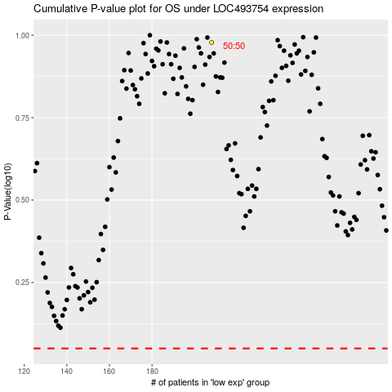

 |  |  |  |  |  | cases_OS | p_OS | rank | exp
 |  |  |  |  |  |  | cases_RFS | p_RFS | rank | exp

