LOC541473 _multivariate
Reported by Tex Li-Hsing Chi. tex@gate.sinica.edu.tw 2019-08-18

Table 2. The clinicopathological features of HNSCC cohort and LOC541473 expression. (Chi square test)
Cutoff at -0.299 (60.6%)
 |  | LOC541473 expression |  | LOC541473 expression |  | (Optimised)
 | Features | Low | (%) | High | (%) | Case no | P-value | Remark | Matthews
Gender | Female | 176 | 42.4 | 130 | 31.3 | 415 | 0.0334 | 1 | 0
2 | Male | 76 | 18.3 | 33 | 8
Age at diagnosis | <=65y | 158 | 38.1 | 116 | 28 | 415 | 0.0944 | 0 | 0
4 | >65y | 94 | 22.7 | 47 | 11.3
Clinical T Status | T1+T2 | 92 | 22.2 | 57 | 13.7 | 415 | 0.8303 | 0 | 0
6 | T3+T4 | 160 | 38.6 | 106 | 25.5
Clinical N Status | N0 | 128 | 30.8 | 88 | 21.2 | 415 | 0.5923 | 0 | 0
8 | N1-3 | 124 | 29.9 | 75 | 18.1
Clinical M Status | M0 | 250 | 60.2 | 162 | 39 | 415 | 1 | 0 | 0
10 | M1 | 2 | 0.5 | 1 | 0.2
Clinical Stage | Stage I+II | 70 | 16.9 | 32 | 7.7 | 415 | 0.0775 | 0 | 0
12 | Stage III+IV | 182 | 43.9 | 131 | 31.6
Surgical Margin status | Negative | 197 | 47.5 | 121 | 29.2 | 415 | 0.4059 | 0 | 0
14 | Positive | 55 | 13.3 | 42 | 10.1
Tobacco Exposure | Low | 113 | 27.2 | 48 | 11.6 | 415 | 0.0019 | 1 | 0
16 | High | 139 | 33.5 | 115 | 27.7

Table 3. Univariate/Multivariate Cox's proportional hazards regression analyses on OS time of LOC541473 gene expression in HNSCC

 |  | Univariate |  |  |  | Multivariate
 | Features | HR | CI95%(L) | CI95%(H) | P-value | HR | CI95%(L) | CI95%(H) | P-value
1 | Female | 1 |  |  |  | 1
Gender | Male | 1.157 | 0.843 | 1.587 | 0.367 | 1.169 | 0.836 | 1.633 | 0.361
11 | <=65y | 1 |  |  |  | 1
Age at diagnosis | >65y | 1.329 | 0.99 | 1.784 | 0.058 | 1.412 | 1.038 | 1.922 | 0.028
12 | T1+T2 | 1 |  |  |  | 1
Clinical T Status | T3+T4 | 1.409 | 1.028 | 1.931 | 0.033 | 1.998 | 1.052 | 3.795 | 0.034
13 | N0 | 1 |  |  |  | 1
Clinical N Status | N1-3 | 1.185 | 0.89 | 1.577 | 0.246 | 1.181 | 0.826 | 1.687 | 0.361
14 | M0 | 1 |  |  |  | 1
Clinical M Status | M1 | 4.097 | 1.009 | 16.644 | 0.049 | 8.11 | 1.762 | 37.338 | 0.007
15 | Stage I+II | 1 |  |  |  | 1
Clinical Stage | Stage III+IV | 1.245 | 0.882 | 1.759 | 0.213 | 0.587 | 0.271 | 1.273 | 0.177
16 | Negative | 1 |  |  |  | 1
Surgical Margin status | Positive | 1.591 | 1.155 | 2.191 | 0.004 | 1.702 | 1.232 | 2.35 | 0.001
17 | Low | 1 |  |  |  | 1
Tobacco Exposure | High | 1.364 | 1.008 | 1.844 | 0.044 | 1.586 | 1.142 | 2.201 | 0.006
18 | Low | 1 |  |  |  | 1
RNAseq(z-score) | High | 0.703 | 0.517 | 0.955 | 0.024 | 0.667 | 0.485 | 0.918 | 0.013

Table 4. Univariate/Multivariate Cox's proportional hazards regression analyses on RFS time of LOC541473 gene expression in HNSCC

 |  | Univariate |  |  |  | Multivariate
 | Features | HR | CI95%(L) | CI95%(H) | P-value | HR | CI95%(L) | CI95%(H) | P-value
1 | Female | 1 |  |  |  | 1
Gender | Male | 1.157 | 0.843 | 1.587 | 0.367 | 1.169 | 0.836 | 1.633 | 0.361
11 | <=65y | 1 |  |  |  | 1
Age at diagnosis | >65y | 1.329 | 0.99 | 1.784 | 0.058 | 1.412 | 1.038 | 1.922 | 0.028
12 | T1+T2 | 1 |  |  |  | 1
Clinical T Status | T3+T4 | 1.409 | 1.028 | 1.931 | 0.033 | 1.998 | 1.052 | 3.795 | 0.034
13 | N0 | 1 |  |  |  | 1
Clinical N Status | N1-3 | 1.185 | 0.89 | 1.577 | 0.246 | 1.181 | 0.826 | 1.687 | 0.361
14 | M0 | 1 |  |  |  | 1
Clinical M Status | M1 | 4.097 | 1.009 | 16.644 | 0.049 | 8.11 | 1.762 | 37.338 | 0.007
15 | Stage I+II | 1 |  |  |  | 1
Clinical Stage | Stage III+IV | 1.245 | 0.882 | 1.759 | 0.213 | 0.587 | 0.271 | 1.273 | 0.177
16 | Negative | 1 |  |  |  | 1
Surgical Margin status | Positive | 1.591 | 1.155 | 2.191 | 0.004 | 1.702 | 1.232 | 2.35 | 0.001
17 | Low | 1 |  |  |  | 1
Tobacco Exposure | High | 1.364 | 1.008 | 1.844 | 0.044 | 1.586 | 1.142 | 2.201 | 0.006
18 | Low | 1 |  |  |  | 1
RNAseq(z-score) | High | 0.703 | 0.517 | 0.955 | 0.024 | 0.667 | 0.485 | 0.918 | 0.013

Kaplan-Meier survival estimate: Cutoff at -0.299 (60.6%)

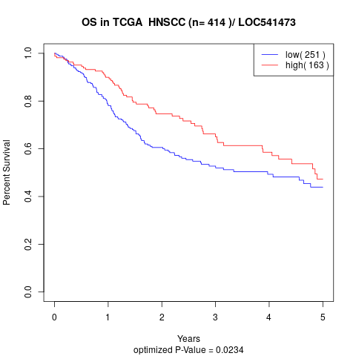

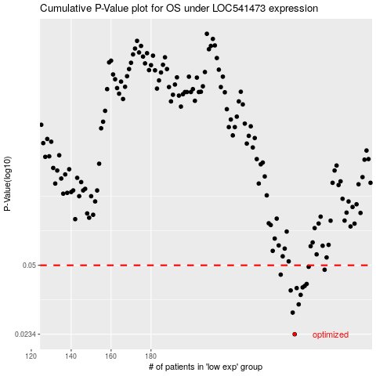

 |  |  |  |  |  | cases_OS | p_OS | rank | exp
 |  |  |  |  |  | 252 | 0.0234 | 219 | -0.29894606352
 |  |  |  |  |  | 251 | 0.0297 | 375 | -0.29961099678
 |  |  |  |  |  | 254 | 0.0325 | 346 | -0.2968789447
 |  |  |  |  |  | 255 | 0.0361 | 374 | -0.29624414437
 |  |  |  |  |  | 250 | 0.0379 | 369 | -0.30055717069
 |  |  |  |  |  | 253 | 0.0389 | 48 | -0.2969372017
 |  |  |  |  |  | 256 | 0.0392 | 154 | -0.29217619919
 |  |  |  |  |  | 257 | 0.0398 | 172 | -0.29133448609
 |  |  |  |  |  | 258 | 0.0407 | 286 | -0.28834128197
 |  |  |  |  |  | 245 | 0.0451 | 42 | -0.30573802533
 |  |  |  |  |  | 267 | 0.0476 | 376 | -0.26061497115
 |  |  |  |  |  | 259 | 0.0492 | 166 | -0.2793536342
 |  |  |  |  |  |  | cases_RFS | p_RFS | rank | exp
 |  |  |  |  |  |  | 251 | 0.0234 | 375 | -0.29961099678
 |  |  |  |  |  |  | 250 | 0.0297 | 369 | -0.30055717069
 |  |  |  |  |  |  | 253 | 0.0325 | 48 | -0.2969372017
 |  |  |  |  |  |  | 254 | 0.0361 | 346 | -0.2968789447
 |  |  |  |  |  |  | 249 | 0.0379 | 377 | -0.30201560438
 |  |  |  |  |  |  | 252 | 0.0389 | 219 | -0.29894606352
 |  |  |  |  |  |  | 255 | 0.0392 | 374 | -0.29624414437
 |  |  |  |  |  |  | 256 | 0.0398 | 154 | -0.29217619919
 |  |  |  |  |  |  | 257 | 0.0407 | 172 | -0.29133448609
 |  |  |  |  |  |  | 244 | 0.0451 | 21 | -0.30609359387
 |  |  |  |  |  |  | 266 | 0.0476 | 54 | -0.26152900328
 |  |  |  |  |  |  | 258 | 0.0492 | 286 | -0.28834128197

