LOC550112 _multivariate
Reported by Tex Li-Hsing Chi. tex@gate.sinica.edu.tw 2019-08-18

Table 2. The clinicopathological features of HNSCC cohort and LOC550112 expression. (Chi square test)
Cutoff at -0.133 (49.8%)
 |  | LOC550112 expression |  | LOC550112 expression |  | (Optimised)
 | Features | Low | (%) | High | (%) | Case no | P-value | Remark | Matthews
Gender | Female | 146 | 35.2 | 160 | 38.6 | 415 | 0.1714 | 0 | 0
2 | Male | 61 | 14.7 | 48 | 11.6
Age at diagnosis | <=65y | 136 | 32.8 | 138 | 33.3 | 415 | 0.9719 | 0 | 0
4 | >65y | 71 | 17.1 | 70 | 16.9
Clinical T Status | T1+T2 | 79 | 19 | 70 | 16.9 | 415 | 0.3924 | 0 | 0
6 | T3+T4 | 128 | 30.8 | 138 | 33.3
Clinical N Status | N0 | 111 | 26.7 | 105 | 25.3 | 415 | 0.5875 | 0 | 0
8 | N1-3 | 96 | 23.1 | 103 | 24.8
Clinical M Status | M0 | 206 | 49.6 | 206 | 49.6 | 415 | 1 | 0 | 0
10 | M1 | 1 | 0.2 | 2 | 0.5
Clinical Stage | Stage I+II | 53 | 12.8 | 49 | 11.8 | 415 | 0.7113 | 0 | 0
12 | Stage III+IV | 154 | 37.1 | 159 | 38.3
Surgical Margin status | Negative | 165 | 39.8 | 153 | 36.9 | 415 | 0.1639 | 0 | 0
14 | Positive | 42 | 10.1 | 55 | 13.3
Tobacco Exposure | Low | 86 | 20.7 | 75 | 18.1 | 415 | 0.2687 | 0 | 0
16 | High | 121 | 29.2 | 133 | 32

Table 3. Univariate/Multivariate Cox's proportional hazards regression analyses on OS time of LOC550112 gene expression in HNSCC

 |  | Univariate |  |  |  | Multivariate
 | Features | HR | CI95%(L) | CI95%(H) | P-value | HR | CI95%(L) | CI95%(H) | P-value
1 | Female | 1 |  |  |  | 1
Gender | Male | 1.157 | 0.843 | 1.587 | 0.367 | 1.214 | 0.869 | 1.696 | 0.255
11 | <=65y | 1 |  |  |  | 1
Age at diagnosis | >65y | 1.329 | 0.99 | 1.784 | 0.058 | 1.387 | 1.02 | 1.888 | 0.037
12 | T1+T2 | 1 |  |  |  | 1
Clinical T Status | T3+T4 | 1.409 | 1.028 | 1.931 | 0.033 | 2.176 | 1.151 | 4.117 | 0.017
13 | N0 | 1 |  |  |  | 1
Clinical N Status | N1-3 | 1.185 | 0.89 | 1.577 | 0.246 | 1.232 | 0.863 | 1.759 | 0.25
14 | M0 | 1 |  |  |  | 1
Clinical M Status | M1 | 4.097 | 1.009 | 16.644 | 0.049 | 8.91 | 1.938 | 40.965 | 0.005
15 | Stage I+II | 1 |  |  |  | 1
Clinical Stage | Stage III+IV | 1.245 | 0.882 | 1.759 | 0.213 | 0.511 | 0.238 | 1.096 | 0.085
16 | Negative | 1 |  |  |  | 1
Surgical Margin status | Positive | 1.591 | 1.155 | 2.191 | 0.004 | 1.658 | 1.199 | 2.292 | 0.002
17 | Low | 1 |  |  |  | 1
Tobacco Exposure | High | 1.364 | 1.008 | 1.844 | 0.044 | 1.456 | 1.057 | 2.007 | 0.022
18 | Low | 1 |  |  |  | 1
RNAseq(z-score) | High | 1.255 | 0.94 | 1.676 | 0.123 | 1.202 | 0.899 | 1.608 | 0.214

Table 4. Univariate/Multivariate Cox's proportional hazards regression analyses on RFS time of LOC550112 gene expression in HNSCC

 |  | Univariate |  |  |  | Multivariate
 | Features | HR | CI95%(L) | CI95%(H) | P-value | HR | CI95%(L) | CI95%(H) | P-value
1 | Female | 1 |  |  |  | 1
Gender | Male | 1.157 | 0.843 | 1.587 | 0.367 | 1.214 | 0.869 | 1.696 | 0.255
11 | <=65y | 1 |  |  |  | 1
Age at diagnosis | >65y | 1.329 | 0.99 | 1.784 | 0.058 | 1.387 | 1.02 | 1.888 | 0.037
12 | T1+T2 | 1 |  |  |  | 1
Clinical T Status | T3+T4 | 1.409 | 1.028 | 1.931 | 0.033 | 2.176 | 1.151 | 4.117 | 0.017
13 | N0 | 1 |  |  |  | 1
Clinical N Status | N1-3 | 1.185 | 0.89 | 1.577 | 0.246 | 1.232 | 0.863 | 1.759 | 0.25
14 | M0 | 1 |  |  |  | 1
Clinical M Status | M1 | 4.097 | 1.009 | 16.644 | 0.049 | 8.91 | 1.938 | 40.965 | 0.005
15 | Stage I+II | 1 |  |  |  | 1
Clinical Stage | Stage III+IV | 1.245 | 0.882 | 1.759 | 0.213 | 0.511 | 0.238 | 1.096 | 0.085
16 | Negative | 1 |  |  |  | 1
Surgical Margin status | Positive | 1.591 | 1.155 | 2.191 | 0.004 | 1.658 | 1.199 | 2.292 | 0.002
17 | Low | 1 |  |  |  | 1
Tobacco Exposure | High | 1.364 | 1.008 | 1.844 | 0.044 | 1.456 | 1.057 | 2.007 | 0.022
18 | Low | 1 |  |  |  | 1
RNAseq(z-score) | High | 1.255 | 0.94 | 1.676 | 0.123 | 1.202 | 0.899 | 1.608 | 0.214

Kaplan-Meier survival estimate: Cutoff at -0.133 (49.8%)

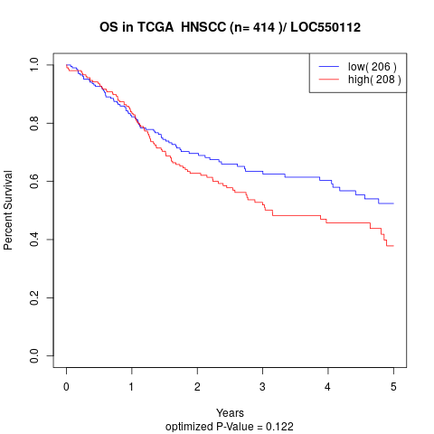

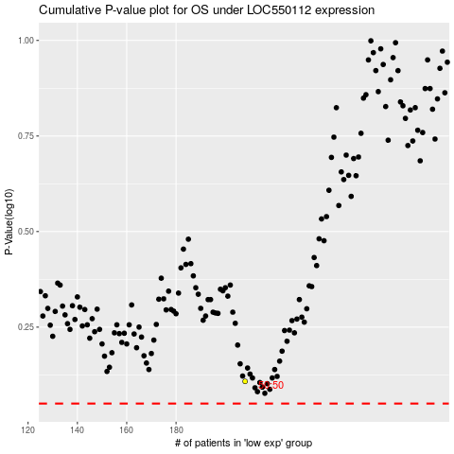

 |  |  |  |  |  | cases_OS | p_OS | rank | exp
 |  |  |  |  |  |  | cases_RFS | p_RFS | rank | exp

