LOC554202 _multivariate
Reported by Tex Li-Hsing Chi. tex@gate.sinica.edu.tw 2019-08-18

Table 2. The clinicopathological features of HNSCC cohort and LOC554202 expression. (Chi square test)
Cutoff at -0.245 (49.8%)
 |  | LOC554202 expression |  | LOC554202 expression |  | (Optimised)
 | Features | Low | (%) | High | (%) | Case no | P-value | Remark | Matthews
Gender | Female | 160 | 38.6 | 146 | 35.2 | 415 | 0.1254 | 0 | 0
2 | Male | 47 | 11.3 | 62 | 14.9
Age at diagnosis | <=65y | 139 | 33.5 | 135 | 32.5 | 415 | 0.7044 | 0 | 0
4 | >65y | 68 | 16.4 | 73 | 17.6
Clinical T Status | T1+T2 | 75 | 18.1 | 74 | 17.8 | 415 | 0.9707 | 0 | 0
6 | T3+T4 | 132 | 31.8 | 134 | 32.3
Clinical N Status | N0 | 105 | 25.3 | 111 | 26.7 | 415 | 0.6598 | 0 | 0
8 | N1-3 | 102 | 24.6 | 97 | 23.4
Clinical M Status | M0 | 206 | 49.6 | 206 | 49.6 | 415 | 1 | 0 | 0
10 | M1 | 1 | 0.2 | 2 | 0.5
Clinical Stage | Stage I+II | 45 | 10.8 | 57 | 13.7 | 415 | 0.2202 | 0 | 0
12 | Stage III+IV | 162 | 39 | 151 | 36.4
Surgical Margin status | Negative | 155 | 37.3 | 163 | 39.3 | 415 | 0.4187 | 0 | 0
14 | Positive | 52 | 12.5 | 45 | 10.8
Tobacco Exposure | Low | 66 | 15.9 | 95 | 22.9 | 415 | 0.0048 | 1 | 0
16 | High | 141 | 34 | 113 | 27.2

Table 3. Univariate/Multivariate Cox's proportional hazards regression analyses on OS time of LOC554202 gene expression in HNSCC

 |  | Univariate |  |  |  | Multivariate
 | Features | HR | CI95%(L) | CI95%(H) | P-value | HR | CI95%(L) | CI95%(H) | P-value
1 | Female | 1 |  |  |  | 1
Gender | Male | 1.157 | 0.843 | 1.587 | 0.367 | 1.182 | 0.844 | 1.657 | 0.33
11 | <=65y | 1 |  |  |  | 1
Age at diagnosis | >65y | 1.329 | 0.99 | 1.784 | 0.058 | 1.396 | 1.027 | 1.899 | 0.033
12 | T1+T2 | 1 |  |  |  | 1
Clinical T Status | T3+T4 | 1.409 | 1.028 | 1.931 | 0.033 | 2.173 | 1.148 | 4.114 | 0.017
13 | N0 | 1 |  |  |  | 1
Clinical N Status | N1-3 | 1.185 | 0.89 | 1.577 | 0.246 | 1.239 | 0.869 | 1.768 | 0.236
14 | M0 | 1 |  |  |  | 1
Clinical M Status | M1 | 4.097 | 1.009 | 16.644 | 0.049 | 8.984 | 1.949 | 41.415 | 0.005
15 | Stage I+II | 1 |  |  |  | 1
Clinical Stage | Stage III+IV | 1.245 | 0.882 | 1.759 | 0.213 | 0.516 | 0.24 | 1.109 | 0.09
16 | Negative | 1 |  |  |  | 1
Surgical Margin status | Positive | 1.591 | 1.155 | 2.191 | 0.004 | 1.674 | 1.211 | 2.313 | 0.002
17 | Low | 1 |  |  |  | 1
Tobacco Exposure | High | 1.364 | 1.008 | 1.844 | 0.044 | 1.476 | 1.068 | 2.041 | 0.019
18 | Low | 1 |  |  |  | 1
RNAseq(z-score) | High | 1.101 | 0.824 | 1.472 | 0.515 | 1.112 | 0.824 | 1.5 | 0.489

Table 4. Univariate/Multivariate Cox's proportional hazards regression analyses on RFS time of LOC554202 gene expression in HNSCC

 |  | Univariate |  |  |  | Multivariate
 | Features | HR | CI95%(L) | CI95%(H) | P-value | HR | CI95%(L) | CI95%(H) | P-value
1 | Female | 1 |  |  |  | 1
Gender | Male | 1.157 | 0.843 | 1.587 | 0.367 | 1.182 | 0.844 | 1.657 | 0.33
11 | <=65y | 1 |  |  |  | 1
Age at diagnosis | >65y | 1.329 | 0.99 | 1.784 | 0.058 | 1.396 | 1.027 | 1.899 | 0.033
12 | T1+T2 | 1 |  |  |  | 1
Clinical T Status | T3+T4 | 1.409 | 1.028 | 1.931 | 0.033 | 2.173 | 1.148 | 4.114 | 0.017
13 | N0 | 1 |  |  |  | 1
Clinical N Status | N1-3 | 1.185 | 0.89 | 1.577 | 0.246 | 1.239 | 0.869 | 1.768 | 0.236
14 | M0 | 1 |  |  |  | 1
Clinical M Status | M1 | 4.097 | 1.009 | 16.644 | 0.049 | 8.984 | 1.949 | 41.415 | 0.005
15 | Stage I+II | 1 |  |  |  | 1
Clinical Stage | Stage III+IV | 1.245 | 0.882 | 1.759 | 0.213 | 0.516 | 0.24 | 1.109 | 0.09
16 | Negative | 1 |  |  |  | 1
Surgical Margin status | Positive | 1.591 | 1.155 | 2.191 | 0.004 | 1.674 | 1.211 | 2.313 | 0.002
17 | Low | 1 |  |  |  | 1
Tobacco Exposure | High | 1.364 | 1.008 | 1.844 | 0.044 | 1.476 | 1.068 | 2.041 | 0.019
18 | Low | 1 |  |  |  | 1
RNAseq(z-score) | High | 1.101 | 0.824 | 1.472 | 0.515 | 1.112 | 0.824 | 1.5 | 0.489

Kaplan-Meier survival estimate: Cutoff at -0.245 (49.8%)

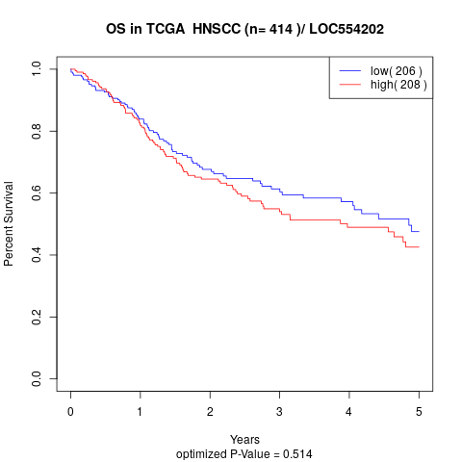

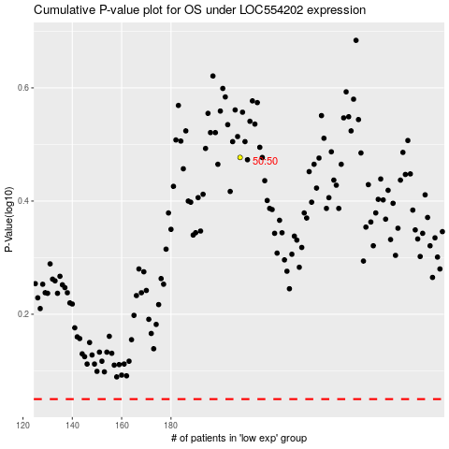

 |  |  |  |  |  | cases_OS | p_OS | rank | exp
 |  |  |  |  |  |  | cases_RFS | p_RFS | rank | exp

