LOC613037 _multivariate
Reported by Tex Li-Hsing Chi. tex@gate.sinica.edu.tw 2019-08-18

Table 2. The clinicopathological features of HNSCC cohort and LOC613037 expression. (Chi square test)
Cutoff at -0.328 (49.8%)
 |  | LOC613037 expression |  | LOC613037 expression |  | (Optimised)
 | Features | Low | (%) | High | (%) | Case no | P-value | Remark | Matthews
Gender | Female | 151 | 36.4 | 155 | 37.3 | 415 | 0.8007 | 0 | 0
2 | Male | 56 | 13.5 | 53 | 12.8
Age at diagnosis | <=65y | 133 | 32 | 141 | 34 | 415 | 0.5111 | 0 | 0
4 | >65y | 74 | 17.8 | 67 | 16.1
Clinical T Status | T1+T2 | 66 | 15.9 | 83 | 20 | 415 | 0.1095 | 0 | 0
6 | T3+T4 | 141 | 34 | 125 | 30.1
Clinical N Status | N0 | 97 | 23.4 | 119 | 28.7 | 415 | 0.0442 | 1 | 0
8 | N1-3 | 110 | 26.5 | 89 | 21.4
Clinical M Status | M0 | 207 | 49.9 | 205 | 49.4 | 415 | 0.2482 | 0 | 0
10 | M1 | 0 | 0 | 3 | 0.7
Clinical Stage | Stage I+II | 41 | 9.9 | 61 | 14.7 | 415 | 0.0325 | 1 | 0
12 | Stage III+IV | 166 | 40 | 147 | 35.4
Surgical Margin status | Negative | 158 | 38.1 | 160 | 38.6 | 415 | 0.9081 | 0 | 0
14 | Positive | 49 | 11.8 | 48 | 11.6
Tobacco Exposure | Low | 92 | 22.2 | 69 | 16.6 | 415 | 0.0206 | 1 | 0
16 | High | 115 | 27.7 | 139 | 33.5

Table 3. Univariate/Multivariate Cox's proportional hazards regression analyses on OS time of LOC613037 gene expression in HNSCC

 |  | Univariate |  |  |  | Multivariate
 | Features | HR | CI95%(L) | CI95%(H) | P-value | HR | CI95%(L) | CI95%(H) | P-value
1 | Female | 1 |  |  |  | 1
Gender | Male | 1.157 | 0.843 | 1.587 | 0.367 | 1.21 | 0.865 | 1.692 | 0.265
11 | <=65y | 1 |  |  |  | 1
Age at diagnosis | >65y | 1.329 | 0.99 | 1.784 | 0.058 | 1.39 | 1.022 | 1.89 | 0.036
12 | T1+T2 | 1 |  |  |  | 1
Clinical T Status | T3+T4 | 1.409 | 1.028 | 1.931 | 0.033 | 2.208 | 1.167 | 4.178 | 0.015
13 | N0 | 1 |  |  |  | 1
Clinical N Status | N1-3 | 1.185 | 0.89 | 1.577 | 0.246 | 1.222 | 0.855 | 1.746 | 0.271
14 | M0 | 1 |  |  |  | 1
Clinical M Status | M1 | 4.097 | 1.009 | 16.644 | 0.049 | 10.456 | 2.253 | 48.53 | 0.003
15 | Stage I+II | 1 |  |  |  | 1
Clinical Stage | Stage III+IV | 1.245 | 0.882 | 1.759 | 0.213 | 0.492 | 0.229 | 1.059 | 0.07
16 | Negative | 1 |  |  |  | 1
Surgical Margin status | Positive | 1.591 | 1.155 | 2.191 | 0.004 | 1.696 | 1.226 | 2.345 | 0.001
17 | Low | 1 |  |  |  | 1
Tobacco Exposure | High | 1.364 | 1.008 | 1.844 | 0.044 | 1.512 | 1.088 | 2.101 | 0.014
18 | Low | 1 |  |  |  | 1
RNAseq(z-score) | High | 0.924 | 0.694 | 1.23 | 0.587 | 0.847 | 0.627 | 1.143 | 0.277

Table 4. Univariate/Multivariate Cox's proportional hazards regression analyses on RFS time of LOC613037 gene expression in HNSCC

 |  | Univariate |  |  |  | Multivariate
 | Features | HR | CI95%(L) | CI95%(H) | P-value | HR | CI95%(L) | CI95%(H) | P-value
1 | Female | 1 |  |  |  | 1
Gender | Male | 1.157 | 0.843 | 1.587 | 0.367 | 1.21 | 0.865 | 1.692 | 0.265
11 | <=65y | 1 |  |  |  | 1
Age at diagnosis | >65y | 1.329 | 0.99 | 1.784 | 0.058 | 1.39 | 1.022 | 1.89 | 0.036
12 | T1+T2 | 1 |  |  |  | 1
Clinical T Status | T3+T4 | 1.409 | 1.028 | 1.931 | 0.033 | 2.208 | 1.167 | 4.178 | 0.015
13 | N0 | 1 |  |  |  | 1
Clinical N Status | N1-3 | 1.185 | 0.89 | 1.577 | 0.246 | 1.222 | 0.855 | 1.746 | 0.271
14 | M0 | 1 |  |  |  | 1
Clinical M Status | M1 | 4.097 | 1.009 | 16.644 | 0.049 | 10.456 | 2.253 | 48.53 | 0.003
15 | Stage I+II | 1 |  |  |  | 1
Clinical Stage | Stage III+IV | 1.245 | 0.882 | 1.759 | 0.213 | 0.492 | 0.229 | 1.059 | 0.07
16 | Negative | 1 |  |  |  | 1
Surgical Margin status | Positive | 1.591 | 1.155 | 2.191 | 0.004 | 1.696 | 1.226 | 2.345 | 0.001
17 | Low | 1 |  |  |  | 1
Tobacco Exposure | High | 1.364 | 1.008 | 1.844 | 0.044 | 1.512 | 1.088 | 2.101 | 0.014
18 | Low | 1 |  |  |  | 1
RNAseq(z-score) | High | 0.924 | 0.694 | 1.23 | 0.587 | 0.847 | 0.627 | 1.143 | 0.277

Kaplan-Meier survival estimate: Cutoff at -0.328 (49.8%)



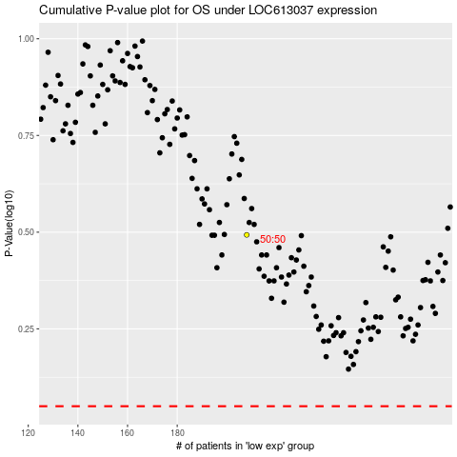

 |  |  |  |  |  | cases_OS | p_OS | rank | exp
 |  |  |  |  |  |  | cases_RFS | p_RFS | rank | exp

