LOC643719 _multivariate
Reported by Tex Li-Hsing Chi. tex@gate.sinica.edu.tw 2019-08-18

Table 2. The clinicopathological features of HNSCC cohort and LOC643719 expression. (Chi square test)
Cutoff at -0.092 (38.4%)
 |  | LOC643719 expression |  | LOC643719 expression |  | (Optimised)
 | Features | Low | (%) | High | (%) | Case no | P-value | Remark | Matthews
Gender | Female | 115 | 27.7 | 191 | 46 | 415 | 0.69 | 0 | 0
2 | Male | 44 | 10.6 | 65 | 15.7
Age at diagnosis | <=65y | 102 | 24.6 | 172 | 41.4 | 415 | 0.5973 | 0 | 0
4 | >65y | 57 | 13.7 | 84 | 20.2
Clinical T Status | T1+T2 | 55 | 13.3 | 94 | 22.7 | 415 | 0.7384 | 0 | 0
6 | T3+T4 | 104 | 25.1 | 162 | 39
Clinical N Status | N0 | 76 | 18.3 | 140 | 33.7 | 415 | 0.206 | 0 | 0
8 | N1-3 | 83 | 20 | 116 | 28
Clinical M Status | M0 | 158 | 38.1 | 254 | 61.2 | 415 | 1 | 0 | 0
10 | M1 | 1 | 0.2 | 2 | 0.5
Clinical Stage | Stage I+II | 36 | 8.7 | 66 | 15.9 | 415 | 0.5452 | 0 | 0
12 | Stage III+IV | 123 | 29.6 | 190 | 45.8
Surgical Margin status | Negative | 118 | 28.4 | 200 | 48.2 | 415 | 0.4039 | 0 | 0
14 | Positive | 41 | 9.9 | 56 | 13.5
Tobacco Exposure | Low | 51 | 12.3 | 110 | 26.5 | 415 | 0.0297 | 1 | 0
16 | High | 108 | 26 | 146 | 35.2

Table 3. Univariate/Multivariate Cox's proportional hazards regression analyses on OS time of LOC643719 gene expression in HNSCC

 |  | Univariate |  |  |  | Multivariate
 | Features | HR | CI95%(L) | CI95%(H) | P-value | HR | CI95%(L) | CI95%(H) | P-value
1 | Female | 1 |  |  |  | 1
Gender | Male | 1.157 | 0.843 | 1.587 | 0.367 | 1.143 | 0.817 | 1.601 | 0.435
11 | <=65y | 1 |  |  |  | 1
Age at diagnosis | >65y | 1.329 | 0.99 | 1.784 | 0.058 | 1.368 | 1.007 | 1.859 | 0.045
12 | T1+T2 | 1 |  |  |  | 1
Clinical T Status | T3+T4 | 1.409 | 1.028 | 1.931 | 0.033 | 2.261 | 1.195 | 4.278 | 0.012
13 | N0 | 1 |  |  |  | 1
Clinical N Status | N1-3 | 1.185 | 0.89 | 1.577 | 0.246 | 1.235 | 0.866 | 1.76 | 0.244
14 | M0 | 1 |  |  |  | 1
Clinical M Status | M1 | 4.097 | 1.009 | 16.644 | 0.049 | 10.224 | 2.226 | 46.952 | 0.003
15 | Stage I+II | 1 |  |  |  | 1
Clinical Stage | Stage III+IV | 1.245 | 0.882 | 1.759 | 0.213 | 0.491 | 0.228 | 1.055 | 0.068
16 | Negative | 1 |  |  |  | 1
Surgical Margin status | Positive | 1.591 | 1.155 | 2.191 | 0.004 | 1.681 | 1.216 | 2.325 | 0.002
17 | Low | 1 |  |  |  | 1
Tobacco Exposure | High | 1.364 | 1.008 | 1.844 | 0.044 | 1.424 | 1.033 | 1.964 | 0.031
18 | Low | 1 |  |  |  | 1
RNAseq(z-score) | High | 0.683 | 0.512 | 0.91 | 0.009 | 0.698 | 0.522 | 0.933 | 0.015

Table 4. Univariate/Multivariate Cox's proportional hazards regression analyses on RFS time of LOC643719 gene expression in HNSCC

 |  | Univariate |  |  |  | Multivariate
 | Features | HR | CI95%(L) | CI95%(H) | P-value | HR | CI95%(L) | CI95%(H) | P-value
1 | Female | 1 |  |  |  | 1
Gender | Male | 1.157 | 0.843 | 1.587 | 0.367 | 1.143 | 0.817 | 1.601 | 0.435
11 | <=65y | 1 |  |  |  | 1
Age at diagnosis | >65y | 1.329 | 0.99 | 1.784 | 0.058 | 1.368 | 1.007 | 1.859 | 0.045
12 | T1+T2 | 1 |  |  |  | 1
Clinical T Status | T3+T4 | 1.409 | 1.028 | 1.931 | 0.033 | 2.261 | 1.195 | 4.278 | 0.012
13 | N0 | 1 |  |  |  | 1
Clinical N Status | N1-3 | 1.185 | 0.89 | 1.577 | 0.246 | 1.235 | 0.866 | 1.76 | 0.244
14 | M0 | 1 |  |  |  | 1
Clinical M Status | M1 | 4.097 | 1.009 | 16.644 | 0.049 | 10.224 | 2.226 | 46.952 | 0.003
15 | Stage I+II | 1 |  |  |  | 1
Clinical Stage | Stage III+IV | 1.245 | 0.882 | 1.759 | 0.213 | 0.491 | 0.228 | 1.055 | 0.068
16 | Negative | 1 |  |  |  | 1
Surgical Margin status | Positive | 1.591 | 1.155 | 2.191 | 0.004 | 1.681 | 1.216 | 2.325 | 0.002
17 | Low | 1 |  |  |  | 1
Tobacco Exposure | High | 1.364 | 1.008 | 1.844 | 0.044 | 1.424 | 1.033 | 1.964 | 0.031
18 | Low | 1 |  |  |  | 1
RNAseq(z-score) | High | 0.683 | 0.512 | 0.91 | 0.009 | 0.698 | 0.522 | 0.933 | 0.015

Kaplan-Meier survival estimate: Cutoff at -0.092 (38.4%)

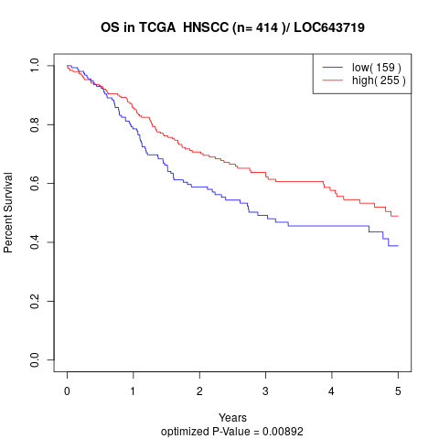

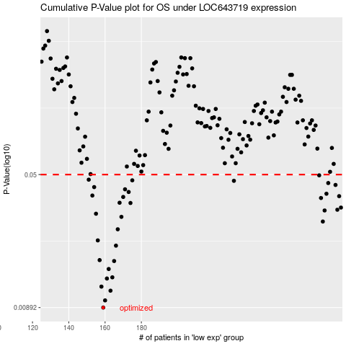

 |  |  |  |  |  | cases_OS | p_OS | rank | exp
 |  |  |  |  |  | 159 | 0.00892 | 146 | -0.091570285824
 |  |  |  |  |  | 160 | 0.00979 | 121 | -0.091536550972
 |  |  |  |  |  | 163 | 0.0111 | 378 | -0.091283539582
 |  |  |  |  |  | 158 | 0.0117 | 77 | -0.091604020677
 |  |  |  |  |  | 161 | 0.013 | 238 | -0.09152718018
 |  |  |  |  |  | 164 | 0.0132 | 93 | -0.090987422547
 |  |  |  |  |  | 162 | 0.0147 | 163 | -0.091461584634
 |  |  |  |  |  | 165 | 0.0163 | 314 | -0.090676312244
 |  |  |  |  |  | 157 | 0.0165 | 88 | -0.092050070387
 |  |  |  |  |  | 166 | 0.0199 | 168 | -0.090588226797
 |  |  |  |  |  | 156 | 0.0213 | 369 | -0.093202677834
 |  |  |  |  |  | 167 | 0.0246 | 32 | -0.090483273924
 |  |  |  |  |  | 280 | 0.0272 | 53 | -0.057505581846
 |  |  |  |  |  | 169 | 0.0289 | 363 | -0.090245255801
 |  |  |  |  |  | 155 | 0.0301 | 222 | -0.093318875658
 |  |  |  |  |  | 281 | 0.0314 | 84 | -0.057308795209
 |  |  |  |  |  | 288 | 0.0317 | 167 | -0.052878284634
 |  |  |  |  |  | 290 | 0.0326 | 37 | -0.052014297589
 |  |  |  |  |  | 174 | 0.0346 | 321 | -0.089173237168
 |  |  |  |  |  | 168 | 0.0347 | 267 | -0.090460784022
 |  |  |  |  |  | 279 | 0.0369 | 123 | -0.058035968687
 |  |  |  |  |  | 170 | 0.0374 | 331 | -0.089913529755
 |  |  |  |  |  | 289 | 0.0378 | 278 | -0.052816437406
 |  |  |  |  |  | 153 | 0.0381 | 346 | -0.094121015474
 |  |  |  |  |  | 282 | 0.039 | 194 | -0.056129949544
 |  |  |  |  |  | 173 | 0.0399 | 3 | -0.08924258103
 |  |  |  |  |  | 171 | 0.0413 | 190 | -0.089564936283
 |  |  |  |  |  | 154 | 0.0425 | 210 | -0.093348862193
 |  |  |  |  |  | 287 | 0.0437 | 68 | -0.052964495923
 |  |  |  |  |  | 283 | 0.0448 | 293 | -0.054831157739
 |  |  |  |  |  | 231 | 0.0461 | 141 | -0.076854393679
 |  |  |  |  |  | 175 | 0.0464 | 59 | -0.088549142404
 |  |  |  |  |  | 151 | 0.0468 | 98 | -0.094493973006
 |  |  |  |  |  | 278 | 0.0495 | 227 | -0.058234629483
 |  |  |  |  |  |  | cases_RFS | p_RFS | rank | exp
 |  |  |  |  |  |  | 158 | 0.00892 | 77 | -0.091604020677
 |  |  |  |  |  |  | 159 | 0.00979 | 146 | -0.091570285824
 |  |  |  |  |  |  | 162 | 0.0111 | 163 | -0.091461584634
 |  |  |  |  |  |  | 157 | 0.0117 | 88 | -0.092050070387
 |  |  |  |  |  |  | 160 | 0.013 | 121 | -0.091536550972
 |  |  |  |  |  |  | 163 | 0.0132 | 378 | -0.091283539582
 |  |  |  |  |  |  | 161 | 0.0147 | 238 | -0.09152718018
 |  |  |  |  |  |  | 164 | 0.0163 | 93 | -0.090987422547
 |  |  |  |  |  |  | 156 | 0.0165 | 369 | -0.093202677834
 |  |  |  |  |  |  | 165 | 0.0199 | 314 | -0.090676312244
 |  |  |  |  |  |  | 155 | 0.0213 | 222 | -0.093318875658
 |  |  |  |  |  |  | 166 | 0.0246 | 168 | -0.090588226797
 |  |  |  |  |  |  | 279 | 0.0272 | 123 | -0.058035968687
 |  |  |  |  |  |  | 168 | 0.0289 | 267 | -0.090460784022
 |  |  |  |  |  |  | 154 | 0.0301 | 210 | -0.093348862193
 |  |  |  |  |  |  | 280 | 0.0314 | 53 | -0.057505581846
 |  |  |  |  |  |  | 287 | 0.0317 | 68 | -0.052964495923
 |  |  |  |  |  |  | 289 | 0.0326 | 278 | -0.052816437406
 |  |  |  |  |  |  | 173 | 0.0346 | 3 | -0.08924258103
 |  |  |  |  |  |  | 167 | 0.0347 | 32 | -0.090483273924
 |  |  |  |  |  |  | 278 | 0.0369 | 227 | -0.058234629483
 |  |  |  |  |  |  | 169 | 0.0374 | 363 | -0.090245255801
 |  |  |  |  |  |  | 288 | 0.0378 | 167 | -0.052878284634
 |  |  |  |  |  |  | 152 | 0.0381 | 52 | -0.094443370728
 |  |  |  |  |  |  | 281 | 0.039 | 84 | -0.057308795209
 |  |  |  |  |  |  | 172 | 0.0399 | 124 | -0.08943561935
 |  |  |  |  |  |  | 170 | 0.0413 | 331 | -0.089913529755
 |  |  |  |  |  |  | 153 | 0.0425 | 346 | -0.094121015474
 |  |  |  |  |  |  | 286 | 0.0437 | 284 | -0.053901575148
 |  |  |  |  |  |  | 282 | 0.0448 | 194 | -0.056129949544
 |  |  |  |  |  |  | 230 | 0.0461 | 21 | -0.077133643288
 |  |  |  |  |  |  | 174 | 0.0464 | 321 | -0.089173237168
 |  |  |  |  |  |  | 150 | 0.0468 | 372 | -0.094810705784
 |  |  |  |  |  |  | 277 | 0.0495 | 241 | -0.058849353455

