LOC644538 _multivariate
Reported by Tex Li-Hsing Chi. tex@gate.sinica.edu.tw 2019-08-18

Table 2. The clinicopathological features of HNSCC cohort and LOC644538 expression. (Chi square test)
Cutoff at -0.388 (34.1%)
 |  | LOC644538 expression |  | LOC644538 expression |  | (Optimised)
 | Features | Low | (%) | High | (%) | Case no | P-value | Remark | Matthews
Gender | Female | 108 | 26 | 198 | 47.7 | 415 | 0.5109 | 0 | 0
2 | Male | 34 | 8.2 | 75 | 18.1
Age at diagnosis | <=65y | 96 | 23.1 | 178 | 42.9 | 415 | 0.7029 | 0 | 0
4 | >65y | 46 | 11.1 | 95 | 22.9
Clinical T Status | T1+T2 | 47 | 11.3 | 102 | 24.6 | 415 | 0.4525 | 0 | 0
6 | T3+T4 | 95 | 22.9 | 171 | 41.2
Clinical N Status | N0 | 67 | 16.1 | 149 | 35.9 | 415 | 0.1844 | 0 | 0
8 | N1-3 | 75 | 18.1 | 124 | 29.9
Clinical M Status | M0 | 139 | 33.5 | 273 | 65.8 | 415 | 0.0395 | 1 | 0
10 | M1 | 3 | 0.7 | 0 | 0
Clinical Stage | Stage I+II | 30 | 7.2 | 72 | 17.3 | 415 | 0.2902 | 0 | 0
12 | Stage III+IV | 112 | 27 | 201 | 48.4
Surgical Margin status | Negative | 110 | 26.5 | 208 | 50.1 | 415 | 0.8078 | 0 | 0
14 | Positive | 32 | 7.7 | 65 | 15.7
Tobacco Exposure | Low | 54 | 13 | 107 | 25.8 | 415 | 0.8326 | 0 | 0
16 | High | 88 | 21.2 | 166 | 40

Table 3. Univariate/Multivariate Cox's proportional hazards regression analyses on OS time of LOC644538 gene expression in HNSCC

 |  | Univariate |  |  |  | Multivariate
 | Features | HR | CI95%(L) | CI95%(H) | P-value | HR | CI95%(L) | CI95%(H) | P-value
1 | Female | 1 |  |  |  | 1
Gender | Male | 1.157 | 0.843 | 1.587 | 0.367 | 1.222 | 0.873 | 1.712 | 0.243
11 | <=65y | 1 |  |  |  | 1
Age at diagnosis | >65y | 1.329 | 0.99 | 1.784 | 0.058 | 1.386 | 1.021 | 1.882 | 0.037
12 | T1+T2 | 1 |  |  |  | 1
Clinical T Status | T3+T4 | 1.409 | 1.028 | 1.931 | 0.033 | 2.143 | 1.133 | 4.053 | 0.019
13 | N0 | 1 |  |  |  | 1
Clinical N Status | N1-3 | 1.185 | 0.89 | 1.577 | 0.246 | 1.184 | 0.829 | 1.692 | 0.353
14 | M0 | 1 |  |  |  | 1
Clinical M Status | M1 | 4.097 | 1.009 | 16.644 | 0.049 | 7.457 | 1.612 | 34.491 | 0.01
15 | Stage I+II | 1 |  |  |  | 1
Clinical Stage | Stage III+IV | 1.245 | 0.882 | 1.759 | 0.213 | 0.518 | 0.241 | 1.111 | 0.091
16 | Negative | 1 |  |  |  | 1
Surgical Margin status | Positive | 1.591 | 1.155 | 2.191 | 0.004 | 1.703 | 1.233 | 2.354 | 0.001
17 | Low | 1 |  |  |  | 1
Tobacco Exposure | High | 1.364 | 1.008 | 1.844 | 0.044 | 1.474 | 1.07 | 2.033 | 0.018
18 | Low | 1 |  |  |  | 1
RNAseq(z-score) | High | 0.674 | 0.502 | 0.904 | 0.008 | 0.681 | 0.505 | 0.919 | 0.012

Table 4. Univariate/Multivariate Cox's proportional hazards regression analyses on RFS time of LOC644538 gene expression in HNSCC

 |  | Univariate |  |  |  | Multivariate
 | Features | HR | CI95%(L) | CI95%(H) | P-value | HR | CI95%(L) | CI95%(H) | P-value
1 | Female | 1 |  |  |  | 1
Gender | Male | 1.157 | 0.843 | 1.587 | 0.367 | 1.222 | 0.873 | 1.712 | 0.243
11 | <=65y | 1 |  |  |  | 1
Age at diagnosis | >65y | 1.329 | 0.99 | 1.784 | 0.058 | 1.386 | 1.021 | 1.882 | 0.037
12 | T1+T2 | 1 |  |  |  | 1
Clinical T Status | T3+T4 | 1.409 | 1.028 | 1.931 | 0.033 | 2.143 | 1.133 | 4.053 | 0.019
13 | N0 | 1 |  |  |  | 1
Clinical N Status | N1-3 | 1.185 | 0.89 | 1.577 | 0.246 | 1.184 | 0.829 | 1.692 | 0.353
14 | M0 | 1 |  |  |  | 1
Clinical M Status | M1 | 4.097 | 1.009 | 16.644 | 0.049 | 7.457 | 1.612 | 34.491 | 0.01
15 | Stage I+II | 1 |  |  |  | 1
Clinical Stage | Stage III+IV | 1.245 | 0.882 | 1.759 | 0.213 | 0.518 | 0.241 | 1.111 | 0.091
16 | Negative | 1 |  |  |  | 1
Surgical Margin status | Positive | 1.591 | 1.155 | 2.191 | 0.004 | 1.703 | 1.233 | 2.354 | 0.001
17 | Low | 1 |  |  |  | 1
Tobacco Exposure | High | 1.364 | 1.008 | 1.844 | 0.044 | 1.474 | 1.07 | 2.033 | 0.018
18 | Low | 1 |  |  |  | 1
RNAseq(z-score) | High | 0.674 | 0.502 | 0.904 | 0.008 | 0.681 | 0.505 | 0.919 | 0.012

Kaplan-Meier survival estimate: Cutoff at -0.388 (34.1%)

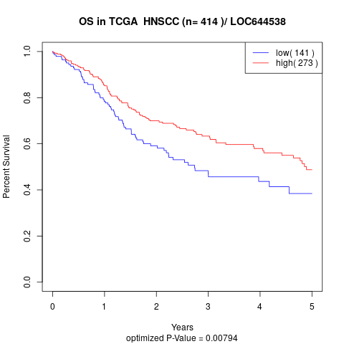

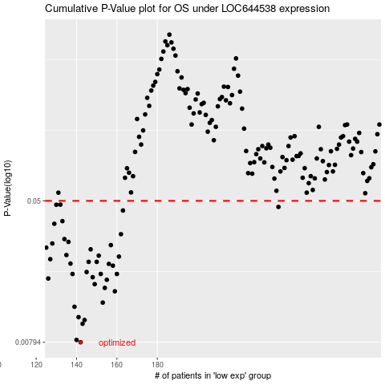

 |  |  |  |  |  | cases_OS | p_OS | rank | exp
 |  |  |  |  |  | 142 | 0.00794 | 17 | -0.38805124797
 |  |  |  |  |  | 140 | 0.00818 | 6 | -0.38954956964
 |  |  |  |  |  | 143 | 0.0101 | 356 | -0.38746696892
 |  |  |  |  |  | 144 | 0.0106 | 182 | -0.38414277519
 |  |  |  |  |  | 141 | 0.011 | 208 | -0.3894322712
 |  |  |  |  |  | 139 | 0.0126 | 85 | -0.3906937828
 |  |  |  |  |  | 153 | 0.0133 | 102 | -0.36125408578
 |  |  |  |  |  | 159 | 0.0154 | 392 | -0.35034754339
 |  |  |  |  |  | 154 | 0.0161 | 343 | -0.3573965161
 |  |  |  |  |  | 149 | 0.0169 | 166 | -0.37939550786
 |  |  |  |  |  | 155 | 0.0179 | 136 | -0.35631648512
 |  |  |  |  |  | 126 | 0.0182 | 329 | -0.41149323194
 |  |  |  |  |  | 148 | 0.0185 | 254 | -0.37943534506
 |  |  |  |  |  | 160 | 0.0193 | 83 | -0.35022581859
 |  |  |  |  |  | 138 | 0.0193 | 108 | -0.39180037192
 |  |  |  |  |  | 152 | 0.0193 | 214 | -0.36801091896
 |  |  |  |  |  | 145 | 0.0198 | 8 | -0.38385948838
 |  |  |  |  |  | 158 | 0.0215 | 68 | -0.35097165966
 |  |  |  |  |  | 156 | 0.022 | 327 | -0.35464110919
 |  |  |  |  |  | 137 | 0.0221 | 366 | -0.39298663546
 |  |  |  |  |  | 150 | 0.0226 | 246 | -0.37844162803
 |  |  |  |  |  | 146 | 0.0226 | 252 | -0.38359390699
 |  |  |  |  |  | 127 | 0.0234 | 381 | -0.41055263119
 |  |  |  |  |  | 161 | 0.0242 | 50 | -0.34618676829
 |  |  |  |  |  | 151 | 0.0245 | 375 | -0.36971063986
 |  |  |  |  |  | 135 | 0.0247 | 382 | -0.39447167806
 |  |  |  |  |  | 147 | 0.0266 | 377 | -0.3833482442
 |  |  |  |  |  | 125 | 0.0272 | 239 | -0.4120575924
 |  |  |  |  |  | 157 | 0.0281 | 176 | -0.35386870998
 |  |  |  |  |  | 128 | 0.0287 | 84 | -0.40883741805
 |  |  |  |  |  | 136 | 0.0293 | 65 | -0.39369706568
 |  |  |  |  |  | 134 | 0.0304 | 338 | -0.39543883695
 |  |  |  |  |  | 162 | 0.0324 | 140 | -0.34422367919
 |  |  |  |  |  | 129 | 0.0371 | 42 | -0.40495107705
 |  |  |  |  |  | 133 | 0.0384 | 410 | -0.40082349962
 |  |  |  |  |  | 163 | 0.0441 | 184 | -0.34378325672
 |  |  |  |  |  | 240 | 0.0462 | 219 | -0.20270199632
 |  |  |  |  |  | 130 | 0.0475 | 11 | -0.40381571661
 |  |  |  |  |  | 132 | 0.0476 | 74 | -0.40116654225
 |  |  |  |  |  |  | cases_RFS | p_RFS | rank | exp
 |  |  |  |  |  |  | 141 | 0.00794 | 208 | -0.3894322712
 |  |  |  |  |  |  | 139 | 0.00818 | 85 | -0.3906937828
 |  |  |  |  |  |  | 142 | 0.0101 | 17 | -0.38805124797
 |  |  |  |  |  |  | 143 | 0.0106 | 356 | -0.38746696892
 |  |  |  |  |  |  | 140 | 0.011 | 6 | -0.38954956964
 |  |  |  |  |  |  | 138 | 0.0126 | 108 | -0.39180037192
 |  |  |  |  |  |  | 152 | 0.0133 | 214 | -0.36801091896
 |  |  |  |  |  |  | 158 | 0.0154 | 68 | -0.35097165966
 |  |  |  |  |  |  | 153 | 0.0161 | 102 | -0.36125408578
 |  |  |  |  |  |  | 148 | 0.0169 | 254 | -0.37943534506
 |  |  |  |  |  |  | 154 | 0.0179 | 343 | -0.3573965161
 |  |  |  |  |  |  | 125 | 0.0182 | 239 | -0.4120575924
 |  |  |  |  |  |  | 147 | 0.0185 | 377 | -0.3833482442
 |  |  |  |  |  |  | 137 | 0.0193 | 366 | -0.39298663546
 |  |  |  |  |  |  | 151 | 0.0193 | 375 | -0.36971063986
 |  |  |  |  |  |  | 159 | 0.0193 | 392 | -0.35034754339
 |  |  |  |  |  |  | 144 | 0.0198 | 182 | -0.38414277519
 |  |  |  |  |  |  | 157 | 0.0215 | 176 | -0.35386870998
 |  |  |  |  |  |  | 155 | 0.022 | 136 | -0.35631648512
 |  |  |  |  |  |  | 136 | 0.0221 | 65 | -0.39369706568
 |  |  |  |  |  |  | 145 | 0.0226 | 8 | -0.38385948838
 |  |  |  |  |  |  | 149 | 0.0226 | 166 | -0.37939550786
 |  |  |  |  |  |  | 126 | 0.0234 | 329 | -0.41149323194
 |  |  |  |  |  |  | 160 | 0.0242 | 83 | -0.35022581859
 |  |  |  |  |  |  | 150 | 0.0245 | 246 | -0.37844162803
 |  |  |  |  |  |  | 134 | 0.0247 | 338 | -0.39543883695
 |  |  |  |  |  |  | 146 | 0.0266 | 252 | -0.38359390699
 |  |  |  |  |  |  |  | 0.0272 | 211 | -0.413033604
 |  |  |  |  |  |  | 156 | 0.0281 | 327 | -0.35464110919
 |  |  |  |  |  |  | 127 | 0.0287 | 381 | -0.41055263119
 |  |  |  |  |  |  | 135 | 0.0293 | 382 | -0.39447167806
 |  |  |  |  |  |  | 133 | 0.0304 | 410 | -0.40082349962
 |  |  |  |  |  |  | 161 | 0.0324 | 50 | -0.34618676829
 |  |  |  |  |  |  | 128 | 0.0371 | 84 | -0.40883741805
 |  |  |  |  |  |  | 132 | 0.0384 | 74 | -0.40116654225
 |  |  |  |  |  |  | 162 | 0.0441 | 140 | -0.34422367919
 |  |  |  |  |  |  | 239 | 0.0462 | 107 | -0.20519846138
 |  |  |  |  |  |  | 129 | 0.0475 | 42 | -0.40495107705
 |  |  |  |  |  |  | 131 | 0.0476 | 273 | -0.40120416628

