LOC645166 _multivariate
Reported by Tex Li-Hsing Chi. tex@gate.sinica.edu.tw 2019-08-18

Table 2. The clinicopathological features of HNSCC cohort and LOC645166 expression. (Chi square test)
Cutoff at -0.207 (50.0%)
 |  | LOC645166 expression |  | LOC645166 expression |  | (Optimised)
 | Features | Low | (%) | High | (%) | Case no | P-value | Remark | Matthews
Gender | Female | 152 | 36.6 | 154 | 37.1 | 415 | 0.9766 | 0 | 0
2 | Male | 55 | 13.3 | 54 | 13
Age at diagnosis | <=65y | 136 | 32.8 | 138 | 33.3 | 415 | 0.9719 | 0 | 0
4 | >65y | 71 | 17.1 | 70 | 16.9
Clinical T Status | T1+T2 | 89 | 21.4 | 60 | 14.5 | 415 | 0.0037 | 1 | 0
6 | T3+T4 | 118 | 28.4 | 148 | 35.7
Clinical N Status | N0 | 106 | 25.5 | 110 | 26.5 | 415 | 0.8075 | 0 | 0
8 | N1-3 | 101 | 24.3 | 98 | 23.6
Clinical M Status | M0 | 206 | 49.6 | 206 | 49.6 | 415 | 1 | 0 | 0
10 | M1 | 1 | 0.2 | 2 | 0.5
Clinical Stage | Stage I+II | 55 | 13.3 | 47 | 11.3 | 415 | 0.4087 | 0 | 0
12 | Stage III+IV | 152 | 36.6 | 161 | 38.8
Surgical Margin status | Negative | 151 | 36.4 | 167 | 40.2 | 415 | 0.0828 | 0 | 0
14 | Positive | 56 | 13.5 | 41 | 9.9
Tobacco Exposure | Low | 82 | 19.8 | 79 | 19 | 415 | 0.763 | 0 | 0
16 | High | 125 | 30.1 | 129 | 31.1

Table 3. Univariate/Multivariate Cox's proportional hazards regression analyses on OS time of LOC645166 gene expression in HNSCC

 |  | Univariate |  |  |  | Multivariate
 | Features | HR | CI95%(L) | CI95%(H) | P-value | HR | CI95%(L) | CI95%(H) | P-value
1 | Female | 1 |  |  |  | 1
Gender | Male | 1.157 | 0.843 | 1.587 | 0.367 | 1.202 | 0.86 | 1.679 | 0.281
11 | <=65y | 1 |  |  |  | 1
Age at diagnosis | >65y | 1.329 | 0.99 | 1.784 | 0.058 | 1.393 | 1.024 | 1.894 | 0.034
12 | T1+T2 | 1 |  |  |  | 1
Clinical T Status | T3+T4 | 1.409 | 1.028 | 1.931 | 0.033 | 2.234 | 1.173 | 4.254 | 0.014
13 | N0 | 1 |  |  |  | 1
Clinical N Status | N1-3 | 1.185 | 0.89 | 1.577 | 0.246 | 1.243 | 0.871 | 1.774 | 0.231
14 | M0 | 1 |  |  |  | 1
Clinical M Status | M1 | 4.097 | 1.009 | 16.644 | 0.049 | 9.642 | 2.084 | 44.603 | 0.004
15 | Stage I+II | 1 |  |  |  | 1
Clinical Stage | Stage III+IV | 1.245 | 0.882 | 1.759 | 0.213 | 0.499 | 0.231 | 1.075 | 0.076
16 | Negative | 1 |  |  |  | 1
Surgical Margin status | Positive | 1.591 | 1.155 | 2.191 | 0.004 | 1.666 | 1.204 | 2.304 | 0.002
17 | Low | 1 |  |  |  | 1
Tobacco Exposure | High | 1.364 | 1.008 | 1.844 | 0.044 | 1.455 | 1.056 | 2.005 | 0.022
18 | Low | 1 |  |  |  | 1
RNAseq(z-score) | High | 1.023 | 0.768 | 1.362 | 0.879 | 0.957 | 0.715 | 1.283 | 0.771

Table 4. Univariate/Multivariate Cox's proportional hazards regression analyses on RFS time of LOC645166 gene expression in HNSCC

 |  | Univariate |  |  |  | Multivariate
 | Features | HR | CI95%(L) | CI95%(H) | P-value | HR | CI95%(L) | CI95%(H) | P-value
1 | Female | 1 |  |  |  | 1
Gender | Male | 1.157 | 0.843 | 1.587 | 0.367 | 1.202 | 0.86 | 1.679 | 0.281
11 | <=65y | 1 |  |  |  | 1
Age at diagnosis | >65y | 1.329 | 0.99 | 1.784 | 0.058 | 1.393 | 1.024 | 1.894 | 0.034
12 | T1+T2 | 1 |  |  |  | 1
Clinical T Status | T3+T4 | 1.409 | 1.028 | 1.931 | 0.033 | 2.234 | 1.173 | 4.254 | 0.014
13 | N0 | 1 |  |  |  | 1
Clinical N Status | N1-3 | 1.185 | 0.89 | 1.577 | 0.246 | 1.243 | 0.871 | 1.774 | 0.231
14 | M0 | 1 |  |  |  | 1
Clinical M Status | M1 | 4.097 | 1.009 | 16.644 | 0.049 | 9.642 | 2.084 | 44.603 | 0.004
15 | Stage I+II | 1 |  |  |  | 1
Clinical Stage | Stage III+IV | 1.245 | 0.882 | 1.759 | 0.213 | 0.499 | 0.231 | 1.075 | 0.076
16 | Negative | 1 |  |  |  | 1
Surgical Margin status | Positive | 1.591 | 1.155 | 2.191 | 0.004 | 1.666 | 1.204 | 2.304 | 0.002
17 | Low | 1 |  |  |  | 1
Tobacco Exposure | High | 1.364 | 1.008 | 1.844 | 0.044 | 1.455 | 1.056 | 2.005 | 0.022
18 | Low | 1 |  |  |  | 1
RNAseq(z-score) | High | 1.023 | 0.768 | 1.362 | 0.879 | 0.957 | 0.715 | 1.283 | 0.771

Kaplan-Meier survival estimate: Cutoff at -0.207 (50.0%)

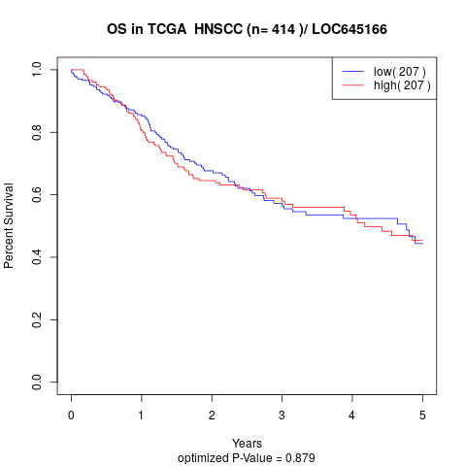

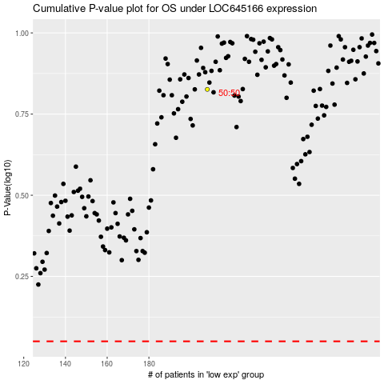

 |  |  |  |  |  | cases_OS | p_OS | rank | exp
 |  |  |  |  |  |  | cases_RFS | p_RFS | rank | exp

