LOC646762 _multivariate
Reported by Tex Li-Hsing Chi. tex@gate.sinica.edu.tw 2019-08-18

Table 2. The clinicopathological features of HNSCC cohort and LOC646762 expression. (Chi square test)
Cutoff at 0.043 (66.4%)
 |  | LOC646762 expression |  | LOC646762 expression |  | (Optimised)
 | Features | Low | (%) | High | (%) | Case no | P-value | Remark | Matthews
Gender | Female | 201 | 48.4 | 105 | 25.3 | 415 | 0.635 | 0 | 0
2 | Male | 75 | 18.1 | 34 | 8.2
Age at diagnosis | <=65y | 175 | 42.2 | 99 | 23.9 | 415 | 0.1396 | 0 | 0
4 | >65y | 101 | 24.3 | 40 | 9.6
Clinical T Status | T1+T2 | 96 | 23.1 | 53 | 12.8 | 415 | 0.5738 | 0 | 0
6 | T3+T4 | 180 | 43.4 | 86 | 20.7
Clinical N Status | N0 | 140 | 33.7 | 76 | 18.3 | 415 | 0.5116 | 0 | 0
8 | N1-3 | 136 | 32.8 | 63 | 15.2
Clinical M Status | M0 | 274 | 66 | 138 | 33.3 | 415 | 1 | 0 | 0
10 | M1 | 2 | 0.5 | 1 | 0.2
Clinical Stage | Stage I+II | 68 | 16.4 | 34 | 8.2 | 415 | 1 | 0 | 0
12 | Stage III+IV | 208 | 50.1 | 105 | 25.3
Surgical Margin status | Negative | 218 | 52.5 | 100 | 24.1 | 415 | 0.1122 | 0 | 0
14 | Positive | 58 | 14 | 39 | 9.4
Tobacco Exposure | Low | 118 | 28.4 | 43 | 10.4 | 415 | 0.0248 | 1 | 0
16 | High | 158 | 38.1 | 96 | 23.1

Table 3. Univariate/Multivariate Cox's proportional hazards regression analyses on OS time of LOC646762 gene expression in HNSCC

 |  | Univariate |  |  |  | Multivariate
 | Features | HR | CI95%(L) | CI95%(H) | P-value | HR | CI95%(L) | CI95%(H) | P-value
1 | Female | 1 |  |  |  | 1
Gender | Male | 1.157 | 0.843 | 1.587 | 0.367 | 1.205 | 0.864 | 1.682 | 0.272
11 | <=65y | 1 |  |  |  | 1
Age at diagnosis | >65y | 1.329 | 0.99 | 1.784 | 0.058 | 1.393 | 1.025 | 1.891 | 0.034
12 | T1+T2 | 1 |  |  |  | 1
Clinical T Status | T3+T4 | 1.409 | 1.028 | 1.931 | 0.033 | 2.298 | 1.213 | 4.354 | 0.011
13 | N0 | 1 |  |  |  | 1
Clinical N Status | N1-3 | 1.185 | 0.89 | 1.577 | 0.246 | 1.258 | 0.881 | 1.796 | 0.207
14 | M0 | 1 |  |  |  | 1
Clinical M Status | M1 | 4.097 | 1.009 | 16.644 | 0.049 | 10.118 | 2.201 | 46.509 | 0.003
15 | Stage I+II | 1 |  |  |  | 1
Clinical Stage | Stage III+IV | 1.245 | 0.882 | 1.759 | 0.213 | 0.475 | 0.221 | 1.023 | 0.057
16 | Negative | 1 |  |  |  | 1
Surgical Margin status | Positive | 1.591 | 1.155 | 2.191 | 0.004 | 1.616 | 1.167 | 2.239 | 0.004
17 | Low | 1 |  |  |  | 1
Tobacco Exposure | High | 1.364 | 1.008 | 1.844 | 0.044 | 1.413 | 1.024 | 1.948 | 0.035
18 | Low | 1 |  |  |  | 1
RNAseq(z-score) | High | 1.35 | 1 | 1.822 | 0.05 | 1.322 | 0.974 | 1.794 | 0.073

Table 4. Univariate/Multivariate Cox's proportional hazards regression analyses on RFS time of LOC646762 gene expression in HNSCC

 |  | Univariate |  |  |  | Multivariate
 | Features | HR | CI95%(L) | CI95%(H) | P-value | HR | CI95%(L) | CI95%(H) | P-value
1 | Female | 1 |  |  |  | 1
Gender | Male | 1.157 | 0.843 | 1.587 | 0.367 | 1.205 | 0.864 | 1.682 | 0.272
11 | <=65y | 1 |  |  |  | 1
Age at diagnosis | >65y | 1.329 | 0.99 | 1.784 | 0.058 | 1.393 | 1.025 | 1.891 | 0.034
12 | T1+T2 | 1 |  |  |  | 1
Clinical T Status | T3+T4 | 1.409 | 1.028 | 1.931 | 0.033 | 2.298 | 1.213 | 4.354 | 0.011
13 | N0 | 1 |  |  |  | 1
Clinical N Status | N1-3 | 1.185 | 0.89 | 1.577 | 0.246 | 1.258 | 0.881 | 1.796 | 0.207
14 | M0 | 1 |  |  |  | 1
Clinical M Status | M1 | 4.097 | 1.009 | 16.644 | 0.049 | 10.118 | 2.201 | 46.509 | 0.003
15 | Stage I+II | 1 |  |  |  | 1
Clinical Stage | Stage III+IV | 1.245 | 0.882 | 1.759 | 0.213 | 0.475 | 0.221 | 1.023 | 0.057
16 | Negative | 1 |  |  |  | 1
Surgical Margin status | Positive | 1.591 | 1.155 | 2.191 | 0.004 | 1.616 | 1.167 | 2.239 | 0.004
17 | Low | 1 |  |  |  | 1
Tobacco Exposure | High | 1.364 | 1.008 | 1.844 | 0.044 | 1.413 | 1.024 | 1.948 | 0.035
18 | Low | 1 |  |  |  | 1
RNAseq(z-score) | High | 1.35 | 1 | 1.822 | 0.05 | 1.322 | 0.974 | 1.794 | 0.073

Kaplan-Meier survival estimate: Cutoff at 0.043 (66.4%)



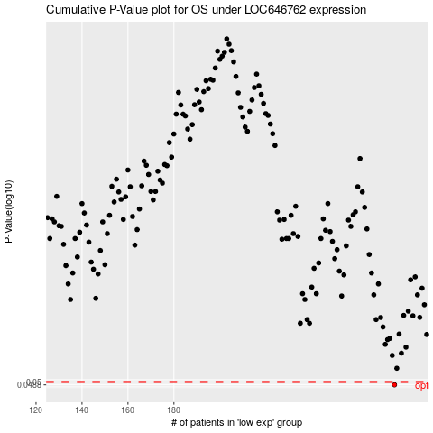

 |  |  |  |  |  | cases_OS | p_OS | rank | exp
 |  |  |  |  |  | 276 | 0.0488 | 3 | 0.043405987666
 |  |  |  |  |  |  | cases_RFS | p_RFS | rank | exp
 |  |  |  |  |  |  | 275 | 0.0488 | 75 | 0.03871298255

