LOC646982 _multivariate
Reported by Tex Li-Hsing Chi. tex@gate.sinica.edu.tw 2019-08-18

Table 2. The clinicopathological features of HNSCC cohort and LOC646982 expression. (Chi square test)
Cutoff at -0.25 (49.8%)
 |  | LOC646982 expression |  | LOC646982 expression |  | (Optimised)
 | Features | Low | (%) | High | (%) | Case no | P-value | Remark | Matthews
Gender | Female | 156 | 37.6 | 150 | 36.1 | 415 | 0.5222 | 0 | 0
2 | Male | 51 | 12.3 | 58 | 14
Age at diagnosis | <=65y | 136 | 32.8 | 138 | 33.3 | 415 | 0.9719 | 0 | 0
4 | >65y | 71 | 17.1 | 70 | 16.9
Clinical T Status | T1+T2 | 70 | 16.9 | 79 | 19 | 415 | 0.4343 | 0 | 0
6 | T3+T4 | 137 | 33 | 129 | 31.1
Clinical N Status | N0 | 106 | 25.5 | 110 | 26.5 | 415 | 0.8075 | 0 | 0
8 | N1-3 | 101 | 24.3 | 98 | 23.6
Clinical M Status | M0 | 206 | 49.6 | 206 | 49.6 | 415 | 1 | 0 | 0
10 | M1 | 1 | 0.2 | 2 | 0.5
Clinical Stage | Stage I+II | 47 | 11.3 | 55 | 13.3 | 415 | 0.4413 | 0 | 0
12 | Stage III+IV | 160 | 38.6 | 153 | 36.9
Surgical Margin status | Negative | 164 | 39.5 | 154 | 37.1 | 415 | 0.2462 | 0 | 0
14 | Positive | 43 | 10.4 | 54 | 13
Tobacco Exposure | Low | 80 | 19.3 | 81 | 19.5 | 415 | 1 | 0 | 0
16 | High | 127 | 30.6 | 127 | 30.6

Table 3. Univariate/Multivariate Cox's proportional hazards regression analyses on OS time of LOC646982 gene expression in HNSCC

 |  | Univariate |  |  |  | Multivariate
 | Features | HR | CI95%(L) | CI95%(H) | P-value | HR | CI95%(L) | CI95%(H) | P-value
1 | Female | 1 |  |  |  | 1
Gender | Male | 1.157 | 0.843 | 1.587 | 0.367 | 1.199 | 0.858 | 1.676 | 0.288
11 | <=65y | 1 |  |  |  | 1
Age at diagnosis | >65y | 1.329 | 0.99 | 1.784 | 0.058 | 1.391 | 1.023 | 1.89 | 0.035
12 | T1+T2 | 1 |  |  |  | 1
Clinical T Status | T3+T4 | 1.409 | 1.028 | 1.931 | 0.033 | 2.201 | 1.164 | 4.162 | 0.015
13 | N0 | 1 |  |  |  | 1
Clinical N Status | N1-3 | 1.185 | 0.89 | 1.577 | 0.246 | 1.237 | 0.867 | 1.766 | 0.241
14 | M0 | 1 |  |  |  | 1
Clinical M Status | M1 | 4.097 | 1.009 | 16.644 | 0.049 | 9.441 | 2.059 | 43.284 | 0.004
15 | Stage I+II | 1 |  |  |  | 1
Clinical Stage | Stage III+IV | 1.245 | 0.882 | 1.759 | 0.213 | 0.505 | 0.235 | 1.084 | 0.079
16 | Negative | 1 |  |  |  | 1
Surgical Margin status | Positive | 1.591 | 1.155 | 2.191 | 0.004 | 1.676 | 1.213 | 2.317 | 0.002
17 | Low | 1 |  |  |  | 1
Tobacco Exposure | High | 1.364 | 1.008 | 1.844 | 0.044 | 1.452 | 1.053 | 2 | 0.023
18 | Low | 1 |  |  |  | 1
RNAseq(z-score) | High | 0.946 | 0.711 | 1.26 | 0.707 | 0.958 | 0.719 | 1.278 | 0.772

Table 4. Univariate/Multivariate Cox's proportional hazards regression analyses on RFS time of LOC646982 gene expression in HNSCC

 |  | Univariate |  |  |  | Multivariate
 | Features | HR | CI95%(L) | CI95%(H) | P-value | HR | CI95%(L) | CI95%(H) | P-value
1 | Female | 1 |  |  |  | 1
Gender | Male | 1.157 | 0.843 | 1.587 | 0.367 | 1.199 | 0.858 | 1.676 | 0.288
11 | <=65y | 1 |  |  |  | 1
Age at diagnosis | >65y | 1.329 | 0.99 | 1.784 | 0.058 | 1.391 | 1.023 | 1.89 | 0.035
12 | T1+T2 | 1 |  |  |  | 1
Clinical T Status | T3+T4 | 1.409 | 1.028 | 1.931 | 0.033 | 2.201 | 1.164 | 4.162 | 0.015
13 | N0 | 1 |  |  |  | 1
Clinical N Status | N1-3 | 1.185 | 0.89 | 1.577 | 0.246 | 1.237 | 0.867 | 1.766 | 0.241
14 | M0 | 1 |  |  |  | 1
Clinical M Status | M1 | 4.097 | 1.009 | 16.644 | 0.049 | 9.441 | 2.059 | 43.284 | 0.004
15 | Stage I+II | 1 |  |  |  | 1
Clinical Stage | Stage III+IV | 1.245 | 0.882 | 1.759 | 0.213 | 0.505 | 0.235 | 1.084 | 0.079
16 | Negative | 1 |  |  |  | 1
Surgical Margin status | Positive | 1.591 | 1.155 | 2.191 | 0.004 | 1.676 | 1.213 | 2.317 | 0.002
17 | Low | 1 |  |  |  | 1
Tobacco Exposure | High | 1.364 | 1.008 | 1.844 | 0.044 | 1.452 | 1.053 | 2 | 0.023
18 | Low | 1 |  |  |  | 1
RNAseq(z-score) | High | 0.946 | 0.711 | 1.26 | 0.707 | 0.958 | 0.719 | 1.278 | 0.772

Kaplan-Meier survival estimate: Cutoff at -0.25 (49.8%)



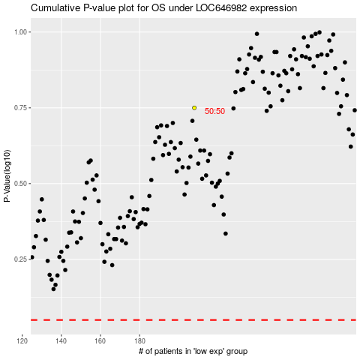

 |  |  |  |  |  | cases_OS | p_OS | rank | exp
 |  |  |  |  |  |  | cases_RFS | p_RFS | rank | exp

