LOC646999 _multivariate
Reported by Tex Li-Hsing Chi. tex@gate.sinica.edu.tw 2019-08-18

Table 2. The clinicopathological features of HNSCC cohort and LOC646999 expression. (Chi square test)
Cutoff at -0.23 (50.0%)
 |  | LOC646999 expression |  | LOC646999 expression |  | (Optimised)
 | Features | Low | (%) | High | (%) | Case no | P-value | Remark | Matthews
Gender | Female | 152 | 36.6 | 154 | 37.1 | 415 | 0.9766 | 0 | 0
2 | Male | 55 | 13.3 | 54 | 13
Age at diagnosis | <=65y | 135 | 32.5 | 139 | 33.5 | 415 | 0.8084 | 0 | 0
4 | >65y | 72 | 17.3 | 69 | 16.6
Clinical T Status | T1+T2 | 70 | 16.9 | 79 | 19 | 415 | 0.4343 | 0 | 0
6 | T3+T4 | 137 | 33 | 129 | 31.1
Clinical N Status | N0 | 113 | 27.2 | 103 | 24.8 | 415 | 0.3495 | 1 | 0
8 | N1-3 | 94 | 22.7 | 105 | 25.3
Clinical M Status | M0 | 207 | 49.9 | 205 | 49.4 | 415 | 0.2482 | 0 | 0
10 | M1 | 0 | 0 | 3 | 0.7
Clinical Stage | Stage I+II | 46 | 11.1 | 56 | 13.5 | 415 | 0.3182 | 0 | 0
12 | Stage III+IV | 161 | 38.8 | 152 | 36.6
Surgical Margin status | Negative | 162 | 39 | 156 | 37.6 | 415 | 0.4867 | 0 | 0
14 | Positive | 45 | 10.8 | 52 | 12.5
Tobacco Exposure | Low | 78 | 18.8 | 83 | 20 | 415 | 0.6873 | 0 | 0
16 | High | 129 | 31.1 | 125 | 30.1

Table 3. Univariate/Multivariate Cox's proportional hazards regression analyses on OS time of LOC646999 gene expression in HNSCC

 |  | Univariate |  |  |  | Multivariate
 | Features | HR | CI95%(L) | CI95%(H) | P-value | HR | CI95%(L) | CI95%(H) | P-value
1 | Female | 1 |  |  |  | 1
Gender | Male | 1.157 | 0.843 | 1.587 | 0.367 | 1.197 | 0.856 | 1.672 | 0.293
11 | <=65y | 1 |  |  |  | 1
Age at diagnosis | >65y | 1.329 | 0.99 | 1.784 | 0.058 | 1.386 | 1.019 | 1.886 | 0.038
12 | T1+T2 | 1 |  |  |  | 1
Clinical T Status | T3+T4 | 1.409 | 1.028 | 1.931 | 0.033 | 2.252 | 1.19 | 4.262 | 0.013
13 | N0 | 1 |  |  |  | 1
Clinical N Status | N1-3 | 1.185 | 0.89 | 1.577 | 0.246 | 1.266 | 0.885 | 1.811 | 0.197
14 | M0 | 1 |  |  |  | 1
Clinical M Status | M1 | 4.097 | 1.009 | 16.644 | 0.049 | 10.307 | 2.222 | 47.8 | 0.003
15 | Stage I+II | 1 |  |  |  | 1
Clinical Stage | Stage III+IV | 1.245 | 0.882 | 1.759 | 0.213 | 0.481 | 0.223 | 1.038 | 0.062
16 | Negative | 1 |  |  |  | 1
Surgical Margin status | Positive | 1.591 | 1.155 | 2.191 | 0.004 | 1.68 | 1.215 | 2.322 | 0.002
17 | Low | 1 |  |  |  | 1
Tobacco Exposure | High | 1.364 | 1.008 | 1.844 | 0.044 | 1.451 | 1.053 | 2.001 | 0.023
18 | Low | 1 |  |  |  | 1
RNAseq(z-score) | High | 0.891 | 0.669 | 1.187 | 0.431 | 0.864 | 0.645 | 1.157 | 0.327

Table 4. Univariate/Multivariate Cox's proportional hazards regression analyses on RFS time of LOC646999 gene expression in HNSCC

 |  | Univariate |  |  |  | Multivariate
 | Features | HR | CI95%(L) | CI95%(H) | P-value | HR | CI95%(L) | CI95%(H) | P-value
1 | Female | 1 |  |  |  | 1
Gender | Male | 1.157 | 0.843 | 1.587 | 0.367 | 1.197 | 0.856 | 1.672 | 0.293
11 | <=65y | 1 |  |  |  | 1
Age at diagnosis | >65y | 1.329 | 0.99 | 1.784 | 0.058 | 1.386 | 1.019 | 1.886 | 0.038
12 | T1+T2 | 1 |  |  |  | 1
Clinical T Status | T3+T4 | 1.409 | 1.028 | 1.931 | 0.033 | 2.252 | 1.19 | 4.262 | 0.013
13 | N0 | 1 |  |  |  | 1
Clinical N Status | N1-3 | 1.185 | 0.89 | 1.577 | 0.246 | 1.266 | 0.885 | 1.811 | 0.197
14 | M0 | 1 |  |  |  | 1
Clinical M Status | M1 | 4.097 | 1.009 | 16.644 | 0.049 | 10.307 | 2.222 | 47.8 | 0.003
15 | Stage I+II | 1 |  |  |  | 1
Clinical Stage | Stage III+IV | 1.245 | 0.882 | 1.759 | 0.213 | 0.481 | 0.223 | 1.038 | 0.062
16 | Negative | 1 |  |  |  | 1
Surgical Margin status | Positive | 1.591 | 1.155 | 2.191 | 0.004 | 1.68 | 1.215 | 2.322 | 0.002
17 | Low | 1 |  |  |  | 1
Tobacco Exposure | High | 1.364 | 1.008 | 1.844 | 0.044 | 1.451 | 1.053 | 2.001 | 0.023
18 | Low | 1 |  |  |  | 1
RNAseq(z-score) | High | 0.891 | 0.669 | 1.187 | 0.431 | 0.864 | 0.645 | 1.157 | 0.327

Kaplan-Meier survival estimate: Cutoff at -0.23 (50.0%)



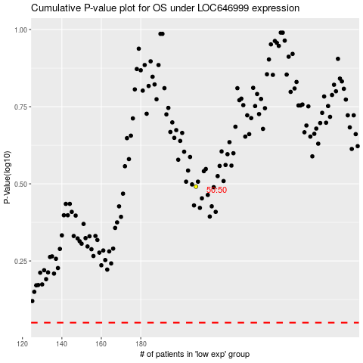

 |  |  |  |  |  | cases_OS | p_OS | rank | exp
 |  |  |  |  |  |  | cases_RFS | p_RFS | rank | exp

