LOC647946 _multivariate
Reported by Tex Li-Hsing Chi. tex@gate.sinica.edu.tw 2019-08-18

Table 2. The clinicopathological features of HNSCC cohort and LOC647946 expression. (Chi square test)
Cutoff at -0.337 (49.8%)
 |  | LOC647946 expression |  | LOC647946 expression |  | (Optimised)
 | Features | Low | (%) | High | (%) | Case no | P-value | Remark | Matthews
Gender | Female | 148 | 35.7 | 158 | 38.1 | 415 | 0.3567 | 0 | 0
2 | Male | 59 | 14.2 | 50 | 12
Age at diagnosis | <=65y | 136 | 32.8 | 138 | 33.3 | 415 | 0.9719 | 0 | 0
4 | >65y | 71 | 17.1 | 70 | 16.9
Clinical T Status | T1+T2 | 85 | 20.5 | 64 | 15.4 | 415 | 0.0372 | 1 | 0
6 | T3+T4 | 122 | 29.4 | 144 | 34.7
Clinical N Status | N0 | 113 | 27.2 | 103 | 24.8 | 415 | 0.3495 | 1 | 0
8 | N1-3 | 94 | 22.7 | 105 | 25.3
Clinical M Status | M0 | 205 | 49.4 | 207 | 49.9 | 415 | 0.6232 | 0 | 0
10 | M1 | 2 | 0.5 | 1 | 0.2
Clinical Stage | Stage I+II | 62 | 14.9 | 40 | 9.6 | 415 | 0.0154 | 1 | 0
12 | Stage III+IV | 145 | 34.9 | 168 | 40.5
Surgical Margin status | Negative | 165 | 39.8 | 153 | 36.9 | 415 | 0.1639 | 0 | 0
14 | Positive | 42 | 10.1 | 55 | 13.3
Tobacco Exposure | Low | 84 | 20.2 | 77 | 18.6 | 415 | 0.4816 | 0 | 0
16 | High | 123 | 29.6 | 131 | 31.6

Table 3. Univariate/Multivariate Cox's proportional hazards regression analyses on OS time of LOC647946 gene expression in HNSCC

 |  | Univariate |  |  |  | Multivariate
 | Features | HR | CI95%(L) | CI95%(H) | P-value | HR | CI95%(L) | CI95%(H) | P-value
1 | Female | 1 |  |  |  | 1
Gender | Male | 1.157 | 0.843 | 1.587 | 0.367 | 1.219 | 0.871 | 1.706 | 0.249
11 | <=65y | 1 |  |  |  | 1
Age at diagnosis | >65y | 1.329 | 0.99 | 1.784 | 0.058 | 1.388 | 1.021 | 1.887 | 0.037
12 | T1+T2 | 1 |  |  |  | 1
Clinical T Status | T3+T4 | 1.409 | 1.028 | 1.931 | 0.033 | 2.18 | 1.152 | 4.125 | 0.017
13 | N0 | 1 |  |  |  | 1
Clinical N Status | N1-3 | 1.185 | 0.89 | 1.577 | 0.246 | 1.25 | 0.875 | 1.784 | 0.22
14 | M0 | 1 |  |  |  | 1
Clinical M Status | M1 | 4.097 | 1.009 | 16.644 | 0.049 | 9.505 | 2.073 | 43.58 | 0.004
15 | Stage I+II | 1 |  |  |  | 1
Clinical Stage | Stage III+IV | 1.245 | 0.882 | 1.759 | 0.213 | 0.496 | 0.231 | 1.066 | 0.072
16 | Negative | 1 |  |  |  | 1
Surgical Margin status | Positive | 1.591 | 1.155 | 2.191 | 0.004 | 1.655 | 1.197 | 2.289 | 0.002
17 | Low | 1 |  |  |  | 1
Tobacco Exposure | High | 1.364 | 1.008 | 1.844 | 0.044 | 1.452 | 1.054 | 2.001 | 0.023
18 | Low | 1 |  |  |  | 1
RNAseq(z-score) | High | 1.181 | 0.885 | 1.577 | 0.258 | 1.119 | 0.831 | 1.508 | 0.459

Table 4. Univariate/Multivariate Cox's proportional hazards regression analyses on RFS time of LOC647946 gene expression in HNSCC

 |  | Univariate |  |  |  | Multivariate
 | Features | HR | CI95%(L) | CI95%(H) | P-value | HR | CI95%(L) | CI95%(H) | P-value
1 | Female | 1 |  |  |  | 1
Gender | Male | 1.157 | 0.843 | 1.587 | 0.367 | 1.219 | 0.871 | 1.706 | 0.249
11 | <=65y | 1 |  |  |  | 1
Age at diagnosis | >65y | 1.329 | 0.99 | 1.784 | 0.058 | 1.388 | 1.021 | 1.887 | 0.037
12 | T1+T2 | 1 |  |  |  | 1
Clinical T Status | T3+T4 | 1.409 | 1.028 | 1.931 | 0.033 | 2.18 | 1.152 | 4.125 | 0.017
13 | N0 | 1 |  |  |  | 1
Clinical N Status | N1-3 | 1.185 | 0.89 | 1.577 | 0.246 | 1.25 | 0.875 | 1.784 | 0.22
14 | M0 | 1 |  |  |  | 1
Clinical M Status | M1 | 4.097 | 1.009 | 16.644 | 0.049 | 9.505 | 2.073 | 43.58 | 0.004
15 | Stage I+II | 1 |  |  |  | 1
Clinical Stage | Stage III+IV | 1.245 | 0.882 | 1.759 | 0.213 | 0.496 | 0.231 | 1.066 | 0.072
16 | Negative | 1 |  |  |  | 1
Surgical Margin status | Positive | 1.591 | 1.155 | 2.191 | 0.004 | 1.655 | 1.197 | 2.289 | 0.002
17 | Low | 1 |  |  |  | 1
Tobacco Exposure | High | 1.364 | 1.008 | 1.844 | 0.044 | 1.452 | 1.054 | 2.001 | 0.023
18 | Low | 1 |  |  |  | 1
RNAseq(z-score) | High | 1.181 | 0.885 | 1.577 | 0.258 | 1.119 | 0.831 | 1.508 | 0.459

Kaplan-Meier survival estimate: Cutoff at -0.337 (49.8%)



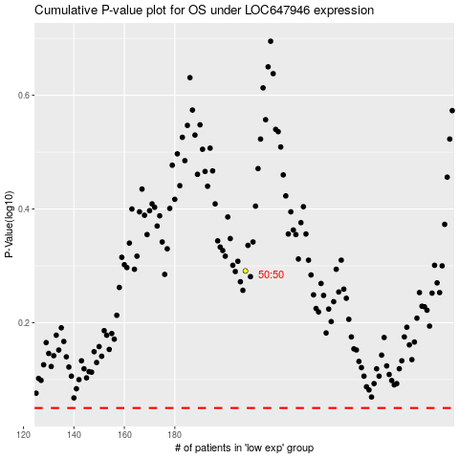

 |  |  |  |  |  | cases_OS | p_OS | rank | exp
 |  |  |  |  |  |  | cases_RFS | p_RFS | rank | exp

