LOC650368 _multivariate
Reported by Tex Li-Hsing Chi. tex@gate.sinica.edu.tw 2019-08-18

Table 2. The clinicopathological features of HNSCC cohort and LOC650368 expression. (Chi square test)
Cutoff at -0.248 (49.8%)
 |  | LOC650368 expression |  | LOC650368 expression |  | (Optimised)
 | Features | Low | (%) | High | (%) | Case no | P-value | Remark | Matthews
Gender | Female | 145 | 34.9 | 161 | 38.8 | 415 | 0.1116 | 0 | 0
2 | Male | 62 | 14.9 | 47 | 11.3
Age at diagnosis | <=65y | 131 | 31.6 | 143 | 34.5 | 415 | 0.2839 | 0 | 0
4 | >65y | 76 | 18.3 | 65 | 15.7
Clinical T Status | T1+T2 | 89 | 21.4 | 60 | 14.5 | 415 | 0.0037 | 1 | 0
6 | T3+T4 | 118 | 28.4 | 148 | 35.7
Clinical N Status | N0 | 112 | 27 | 104 | 25.1 | 415 | 0.4599 | 0 | 0
8 | N1-3 | 95 | 22.9 | 104 | 25.1
Clinical M Status | M0 | 206 | 49.6 | 206 | 49.6 | 415 | 1 | 0 | 0
10 | M1 | 1 | 0.2 | 2 | 0.5
Clinical Stage | Stage I+II | 64 | 15.4 | 38 | 9.2 | 415 | 0.004 | 1 | 0
12 | Stage III+IV | 143 | 34.5 | 170 | 41
Surgical Margin status | Negative | 164 | 39.5 | 154 | 37.1 | 415 | 0.2462 | 0 | 0
14 | Positive | 43 | 10.4 | 54 | 13
Tobacco Exposure | Low | 96 | 23.1 | 65 | 15.7 | 415 | 0.0018 | 1 | 0
16 | High | 111 | 26.7 | 143 | 34.5

Table 3. Univariate/Multivariate Cox's proportional hazards regression analyses on OS time of LOC650368 gene expression in HNSCC

 |  | Univariate |  |  |  | Multivariate
 | Features | HR | CI95%(L) | CI95%(H) | P-value | HR | CI95%(L) | CI95%(H) | P-value
1 | Female | 1 |  |  |  | 1
Gender | Male | 1.157 | 0.843 | 1.587 | 0.367 | 1.204 | 0.862 | 1.682 | 0.276
11 | <=65y | 1 |  |  |  | 1
Age at diagnosis | >65y | 1.329 | 0.99 | 1.784 | 0.058 | 1.388 | 1.02 | 1.89 | 0.037
12 | T1+T2 | 1 |  |  |  | 1
Clinical T Status | T3+T4 | 1.409 | 1.028 | 1.931 | 0.033 | 2.252 | 1.19 | 4.264 | 0.013
13 | N0 | 1 |  |  |  | 1
Clinical N Status | N1-3 | 1.185 | 0.89 | 1.577 | 0.246 | 1.23 | 0.862 | 1.756 | 0.254
14 | M0 | 1 |  |  |  | 1
Clinical M Status | M1 | 4.097 | 1.009 | 16.644 | 0.049 | 10.212 | 2.22 | 46.981 | 0.003
15 | Stage I+II | 1 |  |  |  | 1
Clinical Stage | Stage III+IV | 1.245 | 0.882 | 1.759 | 0.213 | 0.518 | 0.241 | 1.114 | 0.092
16 | Negative | 1 |  |  |  | 1
Surgical Margin status | Positive | 1.591 | 1.155 | 2.191 | 0.004 | 1.711 | 1.236 | 2.369 | 0.001
17 | Low | 1 |  |  |  | 1
Tobacco Exposure | High | 1.364 | 1.008 | 1.844 | 0.044 | 1.505 | 1.088 | 2.081 | 0.014
18 | Low | 1 |  |  |  | 1
RNAseq(z-score) | High | 0.92 | 0.691 | 1.226 | 0.569 | 0.797 | 0.593 | 1.072 | 0.134

Table 4. Univariate/Multivariate Cox's proportional hazards regression analyses on RFS time of LOC650368 gene expression in HNSCC

 |  | Univariate |  |  |  | Multivariate
 | Features | HR | CI95%(L) | CI95%(H) | P-value | HR | CI95%(L) | CI95%(H) | P-value
1 | Female | 1 |  |  |  | 1
Gender | Male | 1.157 | 0.843 | 1.587 | 0.367 | 1.204 | 0.862 | 1.682 | 0.276
11 | <=65y | 1 |  |  |  | 1
Age at diagnosis | >65y | 1.329 | 0.99 | 1.784 | 0.058 | 1.388 | 1.02 | 1.89 | 0.037
12 | T1+T2 | 1 |  |  |  | 1
Clinical T Status | T3+T4 | 1.409 | 1.028 | 1.931 | 0.033 | 2.252 | 1.19 | 4.264 | 0.013
13 | N0 | 1 |  |  |  | 1
Clinical N Status | N1-3 | 1.185 | 0.89 | 1.577 | 0.246 | 1.23 | 0.862 | 1.756 | 0.254
14 | M0 | 1 |  |  |  | 1
Clinical M Status | M1 | 4.097 | 1.009 | 16.644 | 0.049 | 10.212 | 2.22 | 46.981 | 0.003
15 | Stage I+II | 1 |  |  |  | 1
Clinical Stage | Stage III+IV | 1.245 | 0.882 | 1.759 | 0.213 | 0.518 | 0.241 | 1.114 | 0.092
16 | Negative | 1 |  |  |  | 1
Surgical Margin status | Positive | 1.591 | 1.155 | 2.191 | 0.004 | 1.711 | 1.236 | 2.369 | 0.001
17 | Low | 1 |  |  |  | 1
Tobacco Exposure | High | 1.364 | 1.008 | 1.844 | 0.044 | 1.505 | 1.088 | 2.081 | 0.014
18 | Low | 1 |  |  |  | 1
RNAseq(z-score) | High | 0.92 | 0.691 | 1.226 | 0.569 | 0.797 | 0.593 | 1.072 | 0.134

Kaplan-Meier survival estimate: Cutoff at -0.248 (49.8%)

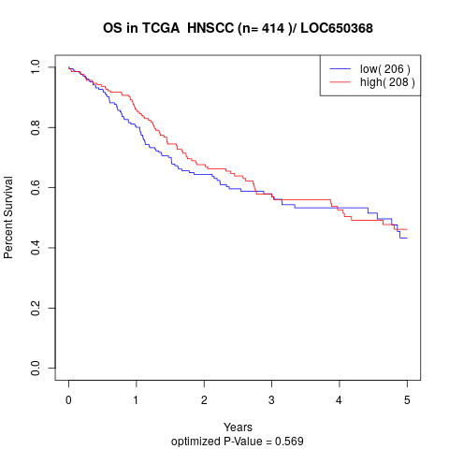

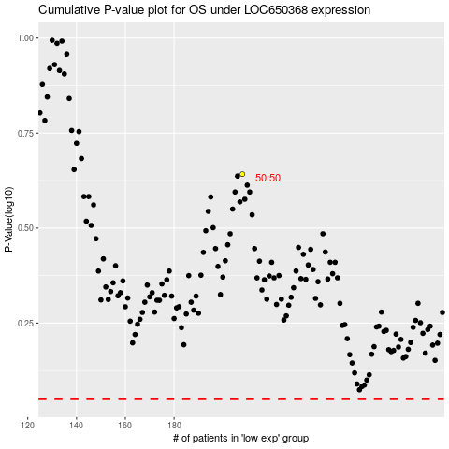

 |  |  |  |  |  | cases_OS | p_OS | rank | exp
 |  |  |  |  |  |  | cases_RFS | p_RFS | rank | exp

