LOC651250 _multivariate
Reported by Tex Li-Hsing Chi. tex@gate.sinica.edu.tw 2019-08-18

Table 2. The clinicopathological features of HNSCC cohort and LOC651250 expression. (Chi square test)
Cutoff at 0.298 (67.6%)
 |  | LOC651250 expression |  | LOC651250 expression |  | (Optimised)
 | Features | Low | (%) | High | (%) | Case no | P-value | Remark | Matthews
Gender | Female | 199 | 48 | 107 | 25.8 | 415 | 0.0664 | 0 | 0
2 | Male | 82 | 19.8 | 27 | 6.5
Age at diagnosis | <=65y | 180 | 43.4 | 94 | 22.7 | 415 | 0.2651 | 0 | 0
4 | >65y | 101 | 24.3 | 40 | 9.6
Clinical T Status | T1+T2 | 93 | 22.4 | 56 | 13.5 | 415 | 0.1059 | 0 | 0
6 | T3+T4 | 188 | 45.3 | 78 | 18.8
Clinical N Status | N0 | 147 | 35.4 | 69 | 16.6 | 415 | 0.959 | 0 | 0
8 | N1-3 | 134 | 32.3 | 65 | 15.7
Clinical M Status | M0 | 278 | 67 | 134 | 32.3 | 415 | 0.5542 | 0 | 0
10 | M1 | 3 | 0.7 | 0 | 0
Clinical Stage | Stage I+II | 68 | 16.4 | 34 | 8.2 | 415 | 0.8904 | 0 | 0
12 | Stage III+IV | 213 | 51.3 | 100 | 24.1
Surgical Margin status | Negative | 223 | 53.7 | 95 | 22.9 | 415 | 0.0632 | 0 | 0
14 | Positive | 58 | 14 | 39 | 9.4
Tobacco Exposure | Low | 114 | 27.5 | 47 | 11.3 | 415 | 0.3323 | 0 | 0
16 | High | 167 | 40.2 | 87 | 21

Table 3. Univariate/Multivariate Cox's proportional hazards regression analyses on OS time of LOC651250 gene expression in HNSCC

 |  | Univariate |  |  |  | Multivariate
 | Features | HR | CI95%(L) | CI95%(H) | P-value | HR | CI95%(L) | CI95%(H) | P-value
1 | Female | 1 |  |  |  | 1
Gender | Male | 1.157 | 0.843 | 1.587 | 0.367 | 1.158 | 0.825 | 1.624 | 0.396
11 | <=65y | 1 |  |  |  | 1
Age at diagnosis | >65y | 1.329 | 0.99 | 1.784 | 0.058 | 1.373 | 1.01 | 1.867 | 0.043
12 | T1+T2 | 1 |  |  |  | 1
Clinical T Status | T3+T4 | 1.409 | 1.028 | 1.931 | 0.033 | 2.072 | 1.093 | 3.93 | 0.026
13 | N0 | 1 |  |  |  | 1
Clinical N Status | N1-3 | 1.185 | 0.89 | 1.577 | 0.246 | 1.237 | 0.867 | 1.763 | 0.241
14 | M0 | 1 |  |  |  | 1
Clinical M Status | M1 | 4.097 | 1.009 | 16.644 | 0.049 | 8.093 | 1.752 | 37.382 | 0.007
15 | Stage I+II | 1 |  |  |  | 1
Clinical Stage | Stage III+IV | 1.245 | 0.882 | 1.759 | 0.213 | 0.539 | 0.25 | 1.16 | 0.114
16 | Negative | 1 |  |  |  | 1
Surgical Margin status | Positive | 1.591 | 1.155 | 2.191 | 0.004 | 1.695 | 1.227 | 2.341 | 0.001
17 | Low | 1 |  |  |  | 1
Tobacco Exposure | High | 1.364 | 1.008 | 1.844 | 0.044 | 1.468 | 1.064 | 2.025 | 0.019
18 | Low | 1 |  |  |  | 1
RNAseq(z-score) | High | 0.722 | 0.526 | 0.99 | 0.043 | 0.752 | 0.544 | 1.038 | 0.083

Table 4. Univariate/Multivariate Cox's proportional hazards regression analyses on RFS time of LOC651250 gene expression in HNSCC

 |  | Univariate |  |  |  | Multivariate
 | Features | HR | CI95%(L) | CI95%(H) | P-value | HR | CI95%(L) | CI95%(H) | P-value
1 | Female | 1 |  |  |  | 1
Gender | Male | 1.157 | 0.843 | 1.587 | 0.367 | 1.158 | 0.825 | 1.624 | 0.396
11 | <=65y | 1 |  |  |  | 1
Age at diagnosis | >65y | 1.329 | 0.99 | 1.784 | 0.058 | 1.373 | 1.01 | 1.867 | 0.043
12 | T1+T2 | 1 |  |  |  | 1
Clinical T Status | T3+T4 | 1.409 | 1.028 | 1.931 | 0.033 | 2.072 | 1.093 | 3.93 | 0.026
13 | N0 | 1 |  |  |  | 1
Clinical N Status | N1-3 | 1.185 | 0.89 | 1.577 | 0.246 | 1.237 | 0.867 | 1.763 | 0.241
14 | M0 | 1 |  |  |  | 1
Clinical M Status | M1 | 4.097 | 1.009 | 16.644 | 0.049 | 8.093 | 1.752 | 37.382 | 0.007
15 | Stage I+II | 1 |  |  |  | 1
Clinical Stage | Stage III+IV | 1.245 | 0.882 | 1.759 | 0.213 | 0.539 | 0.25 | 1.16 | 0.114
16 | Negative | 1 |  |  |  | 1
Surgical Margin status | Positive | 1.591 | 1.155 | 2.191 | 0.004 | 1.695 | 1.227 | 2.341 | 0.001
17 | Low | 1 |  |  |  | 1
Tobacco Exposure | High | 1.364 | 1.008 | 1.844 | 0.044 | 1.468 | 1.064 | 2.025 | 0.019
18 | Low | 1 |  |  |  | 1
RNAseq(z-score) | High | 0.722 | 0.526 | 0.99 | 0.043 | 0.752 | 0.544 | 1.038 | 0.083

Kaplan-Meier survival estimate: Cutoff at 0.298 (67.6%)

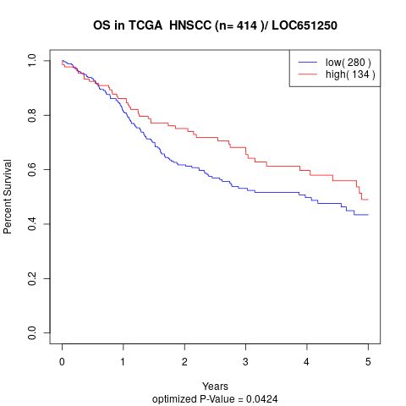

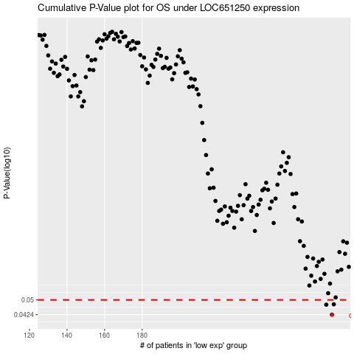

 |  |  |  |  |  | cases_OS | p_OS | rank | exp
 |  |  |  |  |  | 281 | 0.0424 | 408 | 0.29830825622
 |  |  |  |  |  | 278 | 0.0474 | 294 | 0.26691283886
 |  |  |  |  |  | 282 | 0.0476 | 374 | 0.30141739814
 |  |  |  |  |  |  | cases_RFS | p_RFS | rank | exp
 |  |  |  |  |  |  | 280 | 0.0424 | 198 | 0.2837942821
 |  |  |  |  |  |  | 277 | 0.0474 | 225 | 0.25386775882
 |  |  |  |  |  |  | 281 | 0.0476 | 408 | 0.29830825622

