LOC652276 _multivariate
Reported by Tex Li-Hsing Chi. tex@gate.sinica.edu.tw 2019-08-18

Table 2. The clinicopathological features of HNSCC cohort and LOC652276 expression. (Chi square test)
Cutoff at -0.119 (49.8%)
 |  | LOC652276 expression |  | LOC652276 expression |  | (Optimised)
 | Features | Low | (%) | High | (%) | Case no | P-value | Remark | Matthews
Gender | Female | 158 | 38.1 | 148 | 35.7 | 415 | 0.2774 | 0 | 0
2 | Male | 49 | 11.8 | 60 | 14.5
Age at diagnosis | <=65y | 139 | 33.5 | 135 | 32.5 | 415 | 0.7044 | 0 | 0
4 | >65y | 68 | 16.4 | 73 | 17.6
Clinical T Status | T1+T2 | 86 | 20.7 | 63 | 15.2 | 415 | 0.0221 | 1 | 0
6 | T3+T4 | 121 | 29.2 | 145 | 34.9
Clinical N Status | N0 | 111 | 26.7 | 105 | 25.3 | 415 | 0.5875 | 0 | 0
8 | N1-3 | 96 | 23.1 | 103 | 24.8
Clinical M Status | M0 | 207 | 49.9 | 205 | 49.4 | 415 | 0.2482 | 0 | 0
10 | M1 | 0 | 0 | 3 | 0.7
Clinical Stage | Stage I+II | 63 | 15.2 | 39 | 9.4 | 415 | 0.008 | 1 | 0
12 | Stage III+IV | 144 | 34.7 | 169 | 40.7
Surgical Margin status | Negative | 158 | 38.1 | 160 | 38.6 | 415 | 0.9081 | 0 | 0
14 | Positive | 49 | 11.8 | 48 | 11.6
Tobacco Exposure | Low | 81 | 19.5 | 80 | 19.3 | 415 | 0.9199 | 0 | 0
16 | High | 126 | 30.4 | 128 | 30.8

Table 3. Univariate/Multivariate Cox's proportional hazards regression analyses on OS time of LOC652276 gene expression in HNSCC

 |  | Univariate |  |  |  | Multivariate
 | Features | HR | CI95%(L) | CI95%(H) | P-value | HR | CI95%(L) | CI95%(H) | P-value
1 | Female | 1 |  |  |  | 1
Gender | Male | 1.157 | 0.843 | 1.587 | 0.367 | 1.216 | 0.869 | 1.701 | 0.254
11 | <=65y | 1 |  |  |  | 1
Age at diagnosis | >65y | 1.329 | 0.99 | 1.784 | 0.058 | 1.382 | 1.016 | 1.88 | 0.039
12 | T1+T2 | 1 |  |  |  | 1
Clinical T Status | T3+T4 | 1.409 | 1.028 | 1.931 | 0.033 | 2.21 | 1.168 | 4.181 | 0.015
13 | N0 | 1 |  |  |  | 1
Clinical N Status | N1-3 | 1.185 | 0.89 | 1.577 | 0.246 | 1.224 | 0.857 | 1.748 | 0.267
14 | M0 | 1 |  |  |  | 1
Clinical M Status | M1 | 4.097 | 1.009 | 16.644 | 0.049 | 10.094 | 2.182 | 46.701 | 0.003
15 | Stage I+II | 1 |  |  |  | 1
Clinical Stage | Stage III+IV | 1.245 | 0.882 | 1.759 | 0.213 | 0.515 | 0.24 | 1.106 | 0.089
16 | Negative | 1 |  |  |  | 1
Surgical Margin status | Positive | 1.591 | 1.155 | 2.191 | 0.004 | 1.678 | 1.214 | 2.32 | 0.002
17 | Low | 1 |  |  |  | 1
Tobacco Exposure | High | 1.364 | 1.008 | 1.844 | 0.044 | 1.438 | 1.042 | 1.983 | 0.027
18 | Low | 1 |  |  |  | 1
RNAseq(z-score) | High | 0.901 | 0.676 | 1.2 | 0.475 | 0.881 | 0.657 | 1.181 | 0.398

Table 4. Univariate/Multivariate Cox's proportional hazards regression analyses on RFS time of LOC652276 gene expression in HNSCC

 |  | Univariate |  |  |  | Multivariate
 | Features | HR | CI95%(L) | CI95%(H) | P-value | HR | CI95%(L) | CI95%(H) | P-value
1 | Female | 1 |  |  |  | 1
Gender | Male | 1.157 | 0.843 | 1.587 | 0.367 | 1.216 | 0.869 | 1.701 | 0.254
11 | <=65y | 1 |  |  |  | 1
Age at diagnosis | >65y | 1.329 | 0.99 | 1.784 | 0.058 | 1.382 | 1.016 | 1.88 | 0.039
12 | T1+T2 | 1 |  |  |  | 1
Clinical T Status | T3+T4 | 1.409 | 1.028 | 1.931 | 0.033 | 2.21 | 1.168 | 4.181 | 0.015
13 | N0 | 1 |  |  |  | 1
Clinical N Status | N1-3 | 1.185 | 0.89 | 1.577 | 0.246 | 1.224 | 0.857 | 1.748 | 0.267
14 | M0 | 1 |  |  |  | 1
Clinical M Status | M1 | 4.097 | 1.009 | 16.644 | 0.049 | 10.094 | 2.182 | 46.701 | 0.003
15 | Stage I+II | 1 |  |  |  | 1
Clinical Stage | Stage III+IV | 1.245 | 0.882 | 1.759 | 0.213 | 0.515 | 0.24 | 1.106 | 0.089
16 | Negative | 1 |  |  |  | 1
Surgical Margin status | Positive | 1.591 | 1.155 | 2.191 | 0.004 | 1.678 | 1.214 | 2.32 | 0.002
17 | Low | 1 |  |  |  | 1
Tobacco Exposure | High | 1.364 | 1.008 | 1.844 | 0.044 | 1.438 | 1.042 | 1.983 | 0.027
18 | Low | 1 |  |  |  | 1
RNAseq(z-score) | High | 0.901 | 0.676 | 1.2 | 0.475 | 0.881 | 0.657 | 1.181 | 0.398

Kaplan-Meier survival estimate: Cutoff at -0.119 (49.8%)

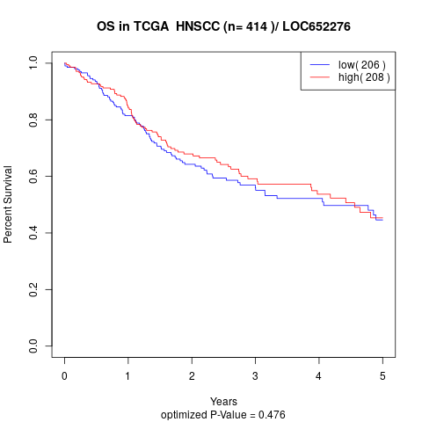

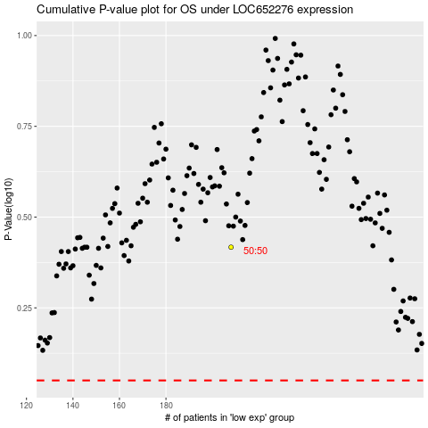

 |  |  |  |  |  | cases_OS | p_OS | rank | exp
 |  |  |  |  |  |  | cases_RFS | p_RFS | rank | exp

