LOC653501 _multivariate
Reported by Tex Li-Hsing Chi. tex@gate.sinica.edu.tw 2019-08-18

Table 2. The clinicopathological features of HNSCC cohort and LOC653501 expression. (Chi square test)
Cutoff at -0.687 (30.0%)
 |  | LOC653501 expression |  | LOC653501 expression |  | (Optimised)
 | Features | Low | (%) | High | (%) | Case no | P-value | Remark | Matthews
Gender | Female | 97 | 23.4 | 209 | 50.4 | 415 | 0.2923 | 0 | 0
2 | Male | 28 | 6.7 | 81 | 19.5
Age at diagnosis | <=65y | 90 | 21.7 | 184 | 44.3 | 415 | 0.1154 | 0 | 0
4 | >65y | 35 | 8.4 | 106 | 25.5
Clinical T Status | T1+T2 | 26 | 6.3 | 123 | 29.6 | 415 | 0 | 1 | 0
6 | T3+T4 | 99 | 23.9 | 167 | 40.2
Clinical N Status | N0 | 55 | 13.3 | 161 | 38.8 | 415 | 0.0406 | 1 | 0
8 | N1-3 | 70 | 16.9 | 129 | 31.1
Clinical M Status | M0 | 124 | 29.9 | 288 | 69.4 | 415 | 1 | 0 | 0
10 | M1 | 1 | 0.2 | 2 | 0.5
Clinical Stage | Stage I+II | 18 | 4.3 | 84 | 20.2 | 415 | 0.0024 | 1 | 0
12 | Stage III+IV | 107 | 25.8 | 206 | 49.6
Surgical Margin status | Negative | 94 | 22.7 | 224 | 54 | 415 | 0.7047 | 0 | 0
14 | Positive | 31 | 7.5 | 66 | 15.9
Tobacco Exposure | Low | 37 | 8.9 | 124 | 29.9 | 415 | 0.0118 | 1 | 0
16 | High | 88 | 21.2 | 166 | 40

Table 3. Univariate/Multivariate Cox's proportional hazards regression analyses on OS time of LOC653501 gene expression in HNSCC

 |  | Univariate |  |  |  | Multivariate
 | Features | HR | CI95%(L) | CI95%(H) | P-value | HR | CI95%(L) | CI95%(H) | P-value
1 | Female | 1 |  |  |  | 1
Gender | Male | 1.157 | 0.843 | 1.587 | 0.367 | 1.204 | 0.861 | 1.683 | 0.279
11 | <=65y | 1 |  |  |  | 1
Age at diagnosis | >65y | 1.329 | 0.99 | 1.784 | 0.058 | 1.403 | 1.031 | 1.909 | 0.031
12 | T1+T2 | 1 |  |  |  | 1
Clinical T Status | T3+T4 | 1.409 | 1.028 | 1.931 | 0.033 | 2.078 | 1.091 | 3.958 | 0.026
13 | N0 | 1 |  |  |  | 1
Clinical N Status | N1-3 | 1.185 | 0.89 | 1.577 | 0.246 | 1.227 | 0.86 | 1.752 | 0.26
14 | M0 | 1 |  |  |  | 1
Clinical M Status | M1 | 4.097 | 1.009 | 16.644 | 0.049 | 8.867 | 1.928 | 40.775 | 0.005
15 | Stage I+II | 1 |  |  |  | 1
Clinical Stage | Stage III+IV | 1.245 | 0.882 | 1.759 | 0.213 | 0.511 | 0.238 | 1.097 | 0.085
16 | Negative | 1 |  |  |  | 1
Surgical Margin status | Positive | 1.591 | 1.155 | 2.191 | 0.004 | 1.655 | 1.197 | 2.288 | 0.002
17 | Low | 1 |  |  |  | 1
Tobacco Exposure | High | 1.364 | 1.008 | 1.844 | 0.044 | 1.452 | 1.052 | 2.003 | 0.023
18 | Low | 1 |  |  |  | 1
RNAseq(z-score) | High | 0.738 | 0.545 | 1 | 0.05 | 0.822 | 0.599 | 1.127 | 0.224

Table 4. Univariate/Multivariate Cox's proportional hazards regression analyses on RFS time of LOC653501 gene expression in HNSCC

 |  | Univariate |  |  |  | Multivariate
 | Features | HR | CI95%(L) | CI95%(H) | P-value | HR | CI95%(L) | CI95%(H) | P-value
1 | Female | 1 |  |  |  | 1
Gender | Male | 1.157 | 0.843 | 1.587 | 0.367 | 1.204 | 0.861 | 1.683 | 0.279
11 | <=65y | 1 |  |  |  | 1
Age at diagnosis | >65y | 1.329 | 0.99 | 1.784 | 0.058 | 1.403 | 1.031 | 1.909 | 0.031
12 | T1+T2 | 1 |  |  |  | 1
Clinical T Status | T3+T4 | 1.409 | 1.028 | 1.931 | 0.033 | 2.078 | 1.091 | 3.958 | 0.026
13 | N0 | 1 |  |  |  | 1
Clinical N Status | N1-3 | 1.185 | 0.89 | 1.577 | 0.246 | 1.227 | 0.86 | 1.752 | 0.26
14 | M0 | 1 |  |  |  | 1
Clinical M Status | M1 | 4.097 | 1.009 | 16.644 | 0.049 | 8.867 | 1.928 | 40.775 | 0.005
15 | Stage I+II | 1 |  |  |  | 1
Clinical Stage | Stage III+IV | 1.245 | 0.882 | 1.759 | 0.213 | 0.511 | 0.238 | 1.097 | 0.085
16 | Negative | 1 |  |  |  | 1
Surgical Margin status | Positive | 1.591 | 1.155 | 2.191 | 0.004 | 1.655 | 1.197 | 2.288 | 0.002
17 | Low | 1 |  |  |  | 1
Tobacco Exposure | High | 1.364 | 1.008 | 1.844 | 0.044 | 1.452 | 1.052 | 2.003 | 0.023
18 | Low | 1 |  |  |  | 1
RNAseq(z-score) | High | 0.738 | 0.545 | 1 | 0.05 | 0.822 | 0.599 | 1.127 | 0.224

Kaplan-Meier survival estimate: Cutoff at -0.687 (30.0%)



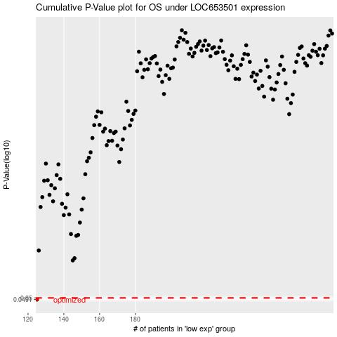

 |  |  |  |  |  | cases_OS | p_OS | rank | exp
 |  |  |  |  |  | 125 | 0.0491 | 177 | -0.6869547478
 |  |  |  |  |  |  | cases_RFS | p_RFS | rank | exp
 |  |  |  |  |  |  |  | 0.0491 | 56 | -0.68903972008

