LOC653566 _multivariate
Reported by Tex Li-Hsing Chi. tex@gate.sinica.edu.tw 2019-08-18

Table 2. The clinicopathological features of HNSCC cohort and LOC653566 expression. (Chi square test)
Cutoff at 0.134 (66.9%)
 |  | LOC653566 expression |  | LOC653566 expression |  | (Optimised)
 | Features | Low | (%) | High | (%) | Case no | P-value | Remark | Matthews
Gender | Female | 205 | 49.4 | 101 | 24.3 | 415 | 1 | 0 | 0
2 | Male | 73 | 17.6 | 36 | 8.7
Age at diagnosis | <=65y | 177 | 42.7 | 97 | 23.4 | 415 | 0.1826 | 0 | 0
4 | >65y | 101 | 24.3 | 40 | 9.6
Clinical T Status | T1+T2 | 100 | 24.1 | 49 | 11.8 | 415 | 1 | 0 | 0
6 | T3+T4 | 178 | 42.9 | 88 | 21.2
Clinical N Status | N0 | 146 | 35.2 | 70 | 16.9 | 415 | 0.8663 | 0 | 0
8 | N1-3 | 132 | 31.8 | 67 | 16.1
Clinical M Status | M0 | 276 | 66.5 | 136 | 32.8 | 415 | 1 | 0 | 0
10 | M1 | 2 | 0.5 | 1 | 0.2
Clinical Stage | Stage I+II | 68 | 16.4 | 34 | 8.2 | 415 | 1 | 0 | 0
12 | Stage III+IV | 210 | 50.6 | 103 | 24.8
Surgical Margin status | Negative | 213 | 51.3 | 105 | 25.3 | 415 | 1 | 0 | 0
14 | Positive | 65 | 15.7 | 32 | 7.7
Tobacco Exposure | Low | 105 | 25.3 | 56 | 13.5 | 415 | 0.5925 | 0 | 0
16 | High | 173 | 41.7 | 81 | 19.5

Table 3. Univariate/Multivariate Cox's proportional hazards regression analyses on OS time of LOC653566 gene expression in HNSCC

 |  | Univariate |  |  |  | Multivariate
 | Features | HR | CI95%(L) | CI95%(H) | P-value | HR | CI95%(L) | CI95%(H) | P-value
1 | Female | 1 |  |  |  | 1
Gender | Male | 1.157 | 0.843 | 1.587 | 0.367 | 1.181 | 0.846 | 1.649 | 0.328
11 | <=65y | 1 |  |  |  | 1
Age at diagnosis | >65y | 1.329 | 0.99 | 1.784 | 0.058 | 1.449 | 1.066 | 1.97 | 0.018
12 | T1+T2 | 1 |  |  |  | 1
Clinical T Status | T3+T4 | 1.409 | 1.028 | 1.931 | 0.033 | 2.194 | 1.161 | 4.143 | 0.015
13 | N0 | 1 |  |  |  | 1
Clinical N Status | N1-3 | 1.185 | 0.89 | 1.577 | 0.246 | 1.251 | 0.876 | 1.785 | 0.218
14 | M0 | 1 |  |  |  | 1
Clinical M Status | M1 | 4.097 | 1.009 | 16.644 | 0.049 | 9.023 | 1.968 | 41.38 | 0.005
15 | Stage I+II | 1 |  |  |  | 1
Clinical Stage | Stage III+IV | 1.245 | 0.882 | 1.759 | 0.213 | 0.508 | 0.236 | 1.09 | 0.082
16 | Negative | 1 |  |  |  | 1
Surgical Margin status | Positive | 1.591 | 1.155 | 2.191 | 0.004 | 1.631 | 1.18 | 2.253 | 0.003
17 | Low | 1 |  |  |  | 1
Tobacco Exposure | High | 1.364 | 1.008 | 1.844 | 0.044 | 1.442 | 1.049 | 1.984 | 0.024
18 | Low | 1 |  |  |  | 1
RNAseq(z-score) | High | 1.379 | 1.021 | 1.862 | 0.036 | 1.395 | 1.029 | 1.891 | 0.032

Table 4. Univariate/Multivariate Cox's proportional hazards regression analyses on RFS time of LOC653566 gene expression in HNSCC

 |  | Univariate |  |  |  | Multivariate
 | Features | HR | CI95%(L) | CI95%(H) | P-value | HR | CI95%(L) | CI95%(H) | P-value
1 | Female | 1 |  |  |  | 1
Gender | Male | 1.157 | 0.843 | 1.587 | 0.367 | 1.181 | 0.846 | 1.649 | 0.328
11 | <=65y | 1 |  |  |  | 1
Age at diagnosis | >65y | 1.329 | 0.99 | 1.784 | 0.058 | 1.449 | 1.066 | 1.97 | 0.018
12 | T1+T2 | 1 |  |  |  | 1
Clinical T Status | T3+T4 | 1.409 | 1.028 | 1.931 | 0.033 | 2.194 | 1.161 | 4.143 | 0.015
13 | N0 | 1 |  |  |  | 1
Clinical N Status | N1-3 | 1.185 | 0.89 | 1.577 | 0.246 | 1.251 | 0.876 | 1.785 | 0.218
14 | M0 | 1 |  |  |  | 1
Clinical M Status | M1 | 4.097 | 1.009 | 16.644 | 0.049 | 9.023 | 1.968 | 41.38 | 0.005
15 | Stage I+II | 1 |  |  |  | 1
Clinical Stage | Stage III+IV | 1.245 | 0.882 | 1.759 | 0.213 | 0.508 | 0.236 | 1.09 | 0.082
16 | Negative | 1 |  |  |  | 1
Surgical Margin status | Positive | 1.591 | 1.155 | 2.191 | 0.004 | 1.631 | 1.18 | 2.253 | 0.003
17 | Low | 1 |  |  |  | 1
Tobacco Exposure | High | 1.364 | 1.008 | 1.844 | 0.044 | 1.442 | 1.049 | 1.984 | 0.024
18 | Low | 1 |  |  |  | 1
RNAseq(z-score) | High | 1.379 | 1.021 | 1.862 | 0.036 | 1.395 | 1.029 | 1.891 | 0.032

Kaplan-Meier survival estimate: Cutoff at 0.134 (66.9%)

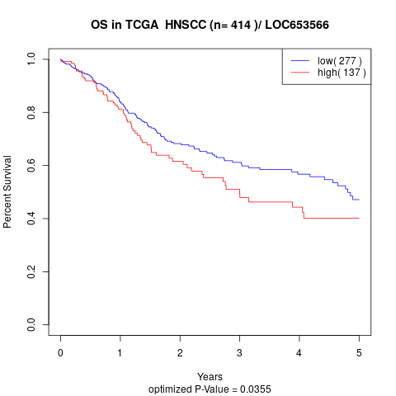

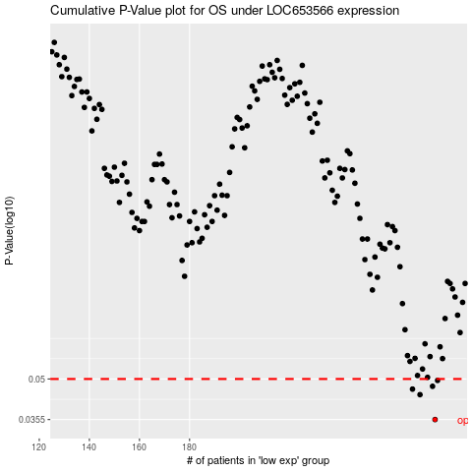

 |  |  |  |  |  | cases_OS | p_OS | rank | exp
 |  |  |  |  |  | 278 | 0.0355 | 296 | 0.13411977428
 |  |  |  |  |  | 272 | 0.0438 | 375 | 0.10547998146
 |  |  |  |  |  | 269 | 0.0459 | 117 | 0.087166963915
 |  |  |  |  |  | 277 | 0.047 | 242 | 0.12819248958
 |  |  |  |  |  | 279 | 0.0494 | 372 | 0.13812236255
 |  |  |  |  |  |  | cases_RFS | p_RFS | rank | exp
 |  |  |  |  |  |  | 277 | 0.0355 | 242 | 0.12819248958
 |  |  |  |  |  |  | 271 | 0.0438 | 341 | 0.10074928475
 |  |  |  |  |  |  | 268 | 0.0459 | 6 | 0.085060096925
 |  |  |  |  |  |  | 276 | 0.047 | 262 | 0.12668549444
 |  |  |  |  |  |  | 278 | 0.0494 | 296 | 0.13411977428

