LOC653786 _multivariate
Reported by Tex Li-Hsing Chi. tex@gate.sinica.edu.tw 2019-08-18

Table 2. The clinicopathological features of HNSCC cohort and LOC653786 expression. (Chi square test)
Cutoff at -0.243 (50.7%)
 |  | LOC653786 expression |  | LOC653786 expression |  | (Optimised)
 | Features | Low | (%) | High | (%) | Case no | P-value | Remark | Matthews
Gender | Female | 158 | 38.1 | 148 | 35.7 | 415 | 0.6685 | 0 | 0
2 | Male | 53 | 12.8 | 56 | 13.5
Age at diagnosis | <=65y | 145 | 34.9 | 129 | 31.1 | 415 | 0.282 | 0 | 0
4 | >65y | 66 | 15.9 | 75 | 18.1
Clinical T Status | T1+T2 | 69 | 16.6 | 80 | 19.3 | 415 | 0.2003 | 0 | 0
6 | T3+T4 | 142 | 34.2 | 124 | 29.9
Clinical N Status | N0 | 123 | 29.6 | 93 | 22.4 | 415 | 0.0127 | 1 | 0
8 | N1-3 | 88 | 21.2 | 111 | 26.7
Clinical M Status | M0 | 211 | 50.8 | 201 | 48.4 | 415 | 0.1179 | 0 | 0
10 | M1 | 0 | 0 | 3 | 0.7
Clinical Stage | Stage I+II | 52 | 12.5 | 50 | 12 | 415 | 1 | 0 | 0
12 | Stage III+IV | 159 | 38.3 | 154 | 37.1
Surgical Margin status | Negative | 161 | 38.8 | 157 | 37.8 | 415 | 0.908 | 0 | 0
14 | Positive | 50 | 12 | 47 | 11.3
Tobacco Exposure | Low | 84 | 20.2 | 77 | 18.6 | 415 | 0.6878 | 0 | 0
16 | High | 127 | 30.6 | 127 | 30.6

Table 3. Univariate/Multivariate Cox's proportional hazards regression analyses on OS time of LOC653786 gene expression in HNSCC

 |  | Univariate |  |  |  | Multivariate
 | Features | HR | CI95%(L) | CI95%(H) | P-value | HR | CI95%(L) | CI95%(H) | P-value
1 | Female | 1 |  |  |  | 1
Gender | Male | 1.157 | 0.843 | 1.587 | 0.367 | 1.178 | 0.842 | 1.648 | 0.339
11 | <=65y | 1 |  |  |  | 1
Age at diagnosis | >65y | 1.329 | 0.99 | 1.784 | 0.058 | 1.374 | 1.01 | 1.868 | 0.043
12 | T1+T2 | 1 |  |  |  | 1
Clinical T Status | T3+T4 | 1.409 | 1.028 | 1.931 | 0.033 | 2.226 | 1.178 | 4.207 | 0.014
13 | N0 | 1 |  |  |  | 1
Clinical N Status | N1-3 | 1.185 | 0.89 | 1.577 | 0.246 | 1.17 | 0.814 | 1.683 | 0.395
14 | M0 | 1 |  |  |  | 1
Clinical M Status | M1 | 4.097 | 1.009 | 16.644 | 0.049 | 8.516 | 1.85 | 39.199 | 0.006
15 | Stage I+II | 1 |  |  |  | 1
Clinical Stage | Stage III+IV | 1.245 | 0.882 | 1.759 | 0.213 | 0.52 | 0.242 | 1.115 | 0.093
16 | Negative | 1 |  |  |  | 1
Surgical Margin status | Positive | 1.591 | 1.155 | 2.191 | 0.004 | 1.659 | 1.201 | 2.292 | 0.002
17 | Low | 1 |  |  |  | 1
Tobacco Exposure | High | 1.364 | 1.008 | 1.844 | 0.044 | 1.435 | 1.041 | 1.978 | 0.027
18 | Low | 1 |  |  |  | 1
RNAseq(z-score) | High | 1.341 | 1.006 | 1.788 | 0.045 | 1.273 | 0.946 | 1.713 | 0.111

Table 4. Univariate/Multivariate Cox's proportional hazards regression analyses on RFS time of LOC653786 gene expression in HNSCC

 |  | Univariate |  |  |  | Multivariate
 | Features | HR | CI95%(L) | CI95%(H) | P-value | HR | CI95%(L) | CI95%(H) | P-value
1 | Female | 1 |  |  |  | 1
Gender | Male | 1.157 | 0.843 | 1.587 | 0.367 | 1.178 | 0.842 | 1.648 | 0.339
11 | <=65y | 1 |  |  |  | 1
Age at diagnosis | >65y | 1.329 | 0.99 | 1.784 | 0.058 | 1.374 | 1.01 | 1.868 | 0.043
12 | T1+T2 | 1 |  |  |  | 1
Clinical T Status | T3+T4 | 1.409 | 1.028 | 1.931 | 0.033 | 2.226 | 1.178 | 4.207 | 0.014
13 | N0 | 1 |  |  |  | 1
Clinical N Status | N1-3 | 1.185 | 0.89 | 1.577 | 0.246 | 1.17 | 0.814 | 1.683 | 0.395
14 | M0 | 1 |  |  |  | 1
Clinical M Status | M1 | 4.097 | 1.009 | 16.644 | 0.049 | 8.516 | 1.85 | 39.199 | 0.006
15 | Stage I+II | 1 |  |  |  | 1
Clinical Stage | Stage III+IV | 1.245 | 0.882 | 1.759 | 0.213 | 0.52 | 0.242 | 1.115 | 0.093
16 | Negative | 1 |  |  |  | 1
Surgical Margin status | Positive | 1.591 | 1.155 | 2.191 | 0.004 | 1.659 | 1.201 | 2.292 | 0.002
17 | Low | 1 |  |  |  | 1
Tobacco Exposure | High | 1.364 | 1.008 | 1.844 | 0.044 | 1.435 | 1.041 | 1.978 | 0.027
18 | Low | 1 |  |  |  | 1
RNAseq(z-score) | High | 1.341 | 1.006 | 1.788 | 0.045 | 1.273 | 0.946 | 1.713 | 0.111

Kaplan-Meier survival estimate: Cutoff at -0.243 (50.7%)

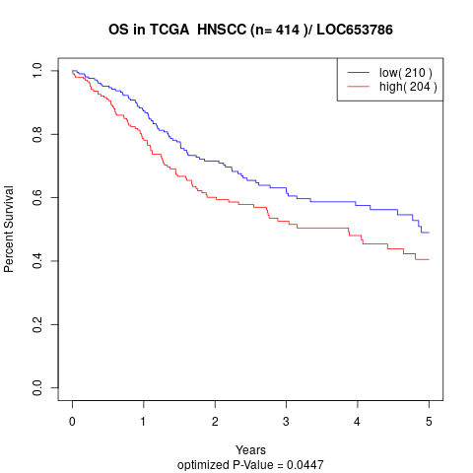

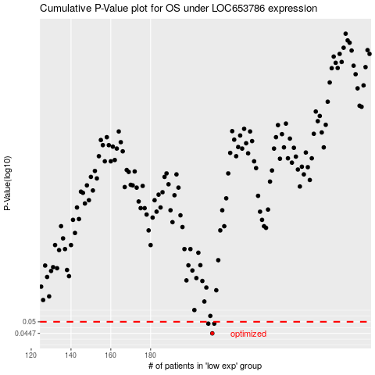

 |  |  |  |  |  | cases_OS | p_OS | rank | exp
 |  |  |  |  |  | 211 | 0.0447 | 256 | -0.24251978804
 |  |  |  |  |  | 212 | 0.0491 | 108 | -0.24239247145
 |  |  |  |  |  | 209 | 0.0491 | 243 | -0.24384953912
 |  |  |  |  |  |  | cases_RFS | p_RFS | rank | exp
 |  |  |  |  |  |  | 210 | 0.0447 | 288 | -0.24263295835
 |  |  |  |  |  |  | 208 | 0.0491 | 188 | -0.24413246488
 |  |  |  |  |  |  | 211 | 0.0491 | 256 | -0.24251978804

