LOC654342 _multivariate
Reported by Tex Li-Hsing Chi. tex@gate.sinica.edu.tw 2019-08-18

Table 2. The clinicopathological features of HNSCC cohort and LOC654342 expression. (Chi square test)
Cutoff at -0.195 (50.0%)
 |  | LOC654342 expression |  | LOC654342 expression |  | (Optimised)
 | Features | Low | (%) | High | (%) | Case no | P-value | Remark | Matthews
Gender | Female | 154 | 37.1 | 152 | 36.6 | 415 | 0.8463 | 0 | 0
2 | Male | 53 | 12.8 | 56 | 13.5
Age at diagnosis | <=65y | 143 | 34.5 | 131 | 31.6 | 415 | 0.2269 | 0 | 0
4 | >65y | 64 | 15.4 | 77 | 18.6
Clinical T Status | T1+T2 | 86 | 20.7 | 63 | 15.2 | 415 | 0.0221 | 1 | 0
6 | T3+T4 | 121 | 29.2 | 145 | 34.9
Clinical N Status | N0 | 112 | 27 | 104 | 25.1 | 415 | 0.4599 | 0 | 0
8 | N1-3 | 95 | 22.9 | 104 | 25.1
Clinical M Status | M0 | 206 | 49.6 | 206 | 49.6 | 415 | 1 | 0 | 0
10 | M1 | 1 | 0.2 | 2 | 0.5
Clinical Stage | Stage I+II | 58 | 14 | 44 | 10.6 | 415 | 0.131 | 0 | 0
12 | Stage III+IV | 149 | 35.9 | 164 | 39.5
Surgical Margin status | Negative | 154 | 37.1 | 164 | 39.5 | 415 | 0.2984 | 0 | 0
14 | Positive | 53 | 12.8 | 44 | 10.6
Tobacco Exposure | Low | 77 | 18.6 | 84 | 20.2 | 415 | 0.5459 | 0 | 0
16 | High | 130 | 31.3 | 124 | 29.9

Table 3. Univariate/Multivariate Cox's proportional hazards regression analyses on OS time of LOC654342 gene expression in HNSCC

 |  | Univariate |  |  |  | Multivariate
 | Features | HR | CI95%(L) | CI95%(H) | P-value | HR | CI95%(L) | CI95%(H) | P-value
1 | Female | 1 |  |  |  | 1
Gender | Male | 1.157 | 0.843 | 1.587 | 0.367 | 1.199 | 0.858 | 1.675 | 0.287
11 | <=65y | 1 |  |  |  | 1
Age at diagnosis | >65y | 1.329 | 0.99 | 1.784 | 0.058 | 1.387 | 1.02 | 1.887 | 0.037
12 | T1+T2 | 1 |  |  |  | 1
Clinical T Status | T3+T4 | 1.409 | 1.028 | 1.931 | 0.033 | 2.186 | 1.154 | 4.141 | 0.016
13 | N0 | 1 |  |  |  | 1
Clinical N Status | N1-3 | 1.185 | 0.89 | 1.577 | 0.246 | 1.241 | 0.87 | 1.77 | 0.234
14 | M0 | 1 |  |  |  | 1
Clinical M Status | M1 | 4.097 | 1.009 | 16.644 | 0.049 | 9.222 | 2 | 42.512 | 0.004
15 | Stage I+II | 1 |  |  |  | 1
Clinical Stage | Stage III+IV | 1.245 | 0.882 | 1.759 | 0.213 | 0.505 | 0.235 | 1.084 | 0.08
16 | Negative | 1 |  |  |  | 1
Surgical Margin status | Positive | 1.591 | 1.155 | 2.191 | 0.004 | 1.671 | 1.21 | 2.309 | 0.002
17 | Low | 1 |  |  |  | 1
Tobacco Exposure | High | 1.364 | 1.008 | 1.844 | 0.044 | 1.455 | 1.056 | 2.004 | 0.022
18 | Low | 1 |  |  |  | 1
RNAseq(z-score) | High | 1.127 | 0.846 | 1.502 | 0.413 | 1.045 | 0.78 | 1.399 | 0.767

Table 4. Univariate/Multivariate Cox's proportional hazards regression analyses on RFS time of LOC654342 gene expression in HNSCC

 |  | Univariate |  |  |  | Multivariate
 | Features | HR | CI95%(L) | CI95%(H) | P-value | HR | CI95%(L) | CI95%(H) | P-value
1 | Female | 1 |  |  |  | 1
Gender | Male | 1.157 | 0.843 | 1.587 | 0.367 | 1.199 | 0.858 | 1.675 | 0.287
11 | <=65y | 1 |  |  |  | 1
Age at diagnosis | >65y | 1.329 | 0.99 | 1.784 | 0.058 | 1.387 | 1.02 | 1.887 | 0.037
12 | T1+T2 | 1 |  |  |  | 1
Clinical T Status | T3+T4 | 1.409 | 1.028 | 1.931 | 0.033 | 2.186 | 1.154 | 4.141 | 0.016
13 | N0 | 1 |  |  |  | 1
Clinical N Status | N1-3 | 1.185 | 0.89 | 1.577 | 0.246 | 1.241 | 0.87 | 1.77 | 0.234
14 | M0 | 1 |  |  |  | 1
Clinical M Status | M1 | 4.097 | 1.009 | 16.644 | 0.049 | 9.222 | 2 | 42.512 | 0.004
15 | Stage I+II | 1 |  |  |  | 1
Clinical Stage | Stage III+IV | 1.245 | 0.882 | 1.759 | 0.213 | 0.505 | 0.235 | 1.084 | 0.08
16 | Negative | 1 |  |  |  | 1
Surgical Margin status | Positive | 1.591 | 1.155 | 2.191 | 0.004 | 1.671 | 1.21 | 2.309 | 0.002
17 | Low | 1 |  |  |  | 1
Tobacco Exposure | High | 1.364 | 1.008 | 1.844 | 0.044 | 1.455 | 1.056 | 2.004 | 0.022
18 | Low | 1 |  |  |  | 1
RNAseq(z-score) | High | 1.127 | 0.846 | 1.502 | 0.413 | 1.045 | 0.78 | 1.399 | 0.767

Kaplan-Meier survival estimate: Cutoff at -0.195 (50.0%)



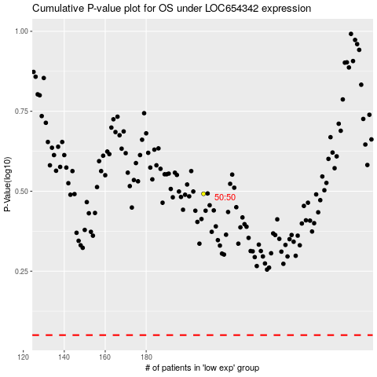

 |  |  |  |  |  | cases_OS | p_OS | rank | exp
 |  |  |  |  |  |  | cases_RFS | p_RFS | rank | exp

