LOC678655 _multivariate
Reported by Tex Li-Hsing Chi. tex@gate.sinica.edu.tw 2019-08-18

Table 2. The clinicopathological features of HNSCC cohort and LOC678655 expression. (Chi square test)
Cutoff at -0.263 (49.8%)
 |  | LOC678655 expression |  | LOC678655 expression |  | (Optimised)
 | Features | Low | (%) | High | (%) | Case no | P-value | Remark | Matthews
Gender | Female | 140 | 33.7 | 166 | 40 | 415 | 0.0068 | 1 | 0
2 | Male | 67 | 16.1 | 42 | 10.1
Age at diagnosis | <=65y | 137 | 33 | 137 | 33 | 415 | 1 | 0 | 0
4 | >65y | 70 | 16.9 | 71 | 17.1
Clinical T Status | T1+T2 | 75 | 18.1 | 74 | 17.8 | 415 | 0.9707 | 0 | 0
6 | T3+T4 | 132 | 31.8 | 134 | 32.3
Clinical N Status | N0 | 110 | 26.5 | 106 | 25.5 | 415 | 0.7294 | 0 | 0
8 | N1-3 | 97 | 23.4 | 102 | 24.6
Clinical M Status | M0 | 206 | 49.6 | 206 | 49.6 | 415 | 1 | 0 | 0
10 | M1 | 1 | 0.2 | 2 | 0.5
Clinical Stage | Stage I+II | 57 | 13.7 | 45 | 10.8 | 415 | 0.1998 | 0 | 0
12 | Stage III+IV | 150 | 36.1 | 163 | 39.3
Surgical Margin status | Negative | 166 | 40 | 152 | 36.6 | 415 | 0.1042 | 0 | 0
14 | Positive | 41 | 9.9 | 56 | 13.5
Tobacco Exposure | Low | 88 | 21.2 | 73 | 17.6 | 415 | 0.1314 | 0 | 0
16 | High | 119 | 28.7 | 135 | 32.5

Table 3. Univariate/Multivariate Cox's proportional hazards regression analyses on OS time of LOC678655 gene expression in HNSCC

 |  | Univariate |  |  |  | Multivariate
 | Features | HR | CI95%(L) | CI95%(H) | P-value | HR | CI95%(L) | CI95%(H) | P-value
1 | Female | 1 |  |  |  | 1
Gender | Male | 1.157 | 0.843 | 1.587 | 0.367 | 1.218 | 0.87 | 1.706 | 0.251
11 | <=65y | 1 |  |  |  | 1
Age at diagnosis | >65y | 1.329 | 0.99 | 1.784 | 0.058 | 1.395 | 1.026 | 1.896 | 0.033
12 | T1+T2 | 1 |  |  |  | 1
Clinical T Status | T3+T4 | 1.409 | 1.028 | 1.931 | 0.033 | 2.241 | 1.183 | 4.244 | 0.013
13 | N0 | 1 |  |  |  | 1
Clinical N Status | N1-3 | 1.185 | 0.89 | 1.577 | 0.246 | 1.249 | 0.875 | 1.783 | 0.22
14 | M0 | 1 |  |  |  | 1
Clinical M Status | M1 | 4.097 | 1.009 | 16.644 | 0.049 | 9.431 | 2.057 | 43.232 | 0.004
15 | Stage I+II | 1 |  |  |  | 1
Clinical Stage | Stage III+IV | 1.245 | 0.882 | 1.759 | 0.213 | 0.492 | 0.228 | 1.059 | 0.07
16 | Negative | 1 |  |  |  | 1
Surgical Margin status | Positive | 1.591 | 1.155 | 2.191 | 0.004 | 1.643 | 1.185 | 2.278 | 0.003
17 | Low | 1 |  |  |  | 1
Tobacco Exposure | High | 1.364 | 1.008 | 1.844 | 0.044 | 1.436 | 1.041 | 1.98 | 0.028
18 | Low | 1 |  |  |  | 1
RNAseq(z-score) | High | 1.156 | 0.867 | 1.542 | 0.323 | 1.116 | 0.829 | 1.502 | 0.47

Table 4. Univariate/Multivariate Cox's proportional hazards regression analyses on RFS time of LOC678655 gene expression in HNSCC

 |  | Univariate |  |  |  | Multivariate
 | Features | HR | CI95%(L) | CI95%(H) | P-value | HR | CI95%(L) | CI95%(H) | P-value
1 | Female | 1 |  |  |  | 1
Gender | Male | 1.157 | 0.843 | 1.587 | 0.367 | 1.218 | 0.87 | 1.706 | 0.251
11 | <=65y | 1 |  |  |  | 1
Age at diagnosis | >65y | 1.329 | 0.99 | 1.784 | 0.058 | 1.395 | 1.026 | 1.896 | 0.033
12 | T1+T2 | 1 |  |  |  | 1
Clinical T Status | T3+T4 | 1.409 | 1.028 | 1.931 | 0.033 | 2.241 | 1.183 | 4.244 | 0.013
13 | N0 | 1 |  |  |  | 1
Clinical N Status | N1-3 | 1.185 | 0.89 | 1.577 | 0.246 | 1.249 | 0.875 | 1.783 | 0.22
14 | M0 | 1 |  |  |  | 1
Clinical M Status | M1 | 4.097 | 1.009 | 16.644 | 0.049 | 9.431 | 2.057 | 43.232 | 0.004
15 | Stage I+II | 1 |  |  |  | 1
Clinical Stage | Stage III+IV | 1.245 | 0.882 | 1.759 | 0.213 | 0.492 | 0.228 | 1.059 | 0.07
16 | Negative | 1 |  |  |  | 1
Surgical Margin status | Positive | 1.591 | 1.155 | 2.191 | 0.004 | 1.643 | 1.185 | 2.278 | 0.003
17 | Low | 1 |  |  |  | 1
Tobacco Exposure | High | 1.364 | 1.008 | 1.844 | 0.044 | 1.436 | 1.041 | 1.98 | 0.028
18 | Low | 1 |  |  |  | 1
RNAseq(z-score) | High | 1.156 | 0.867 | 1.542 | 0.323 | 1.116 | 0.829 | 1.502 | 0.47

Kaplan-Meier survival estimate: Cutoff at -0.263 (49.8%)

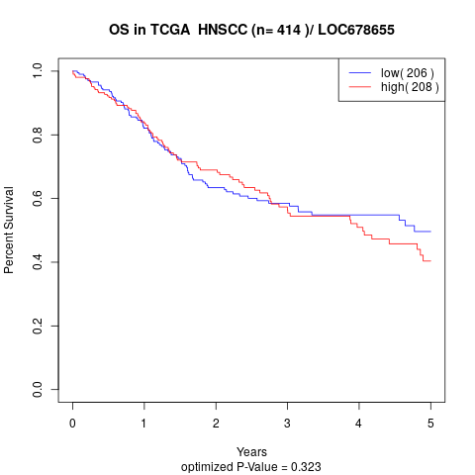

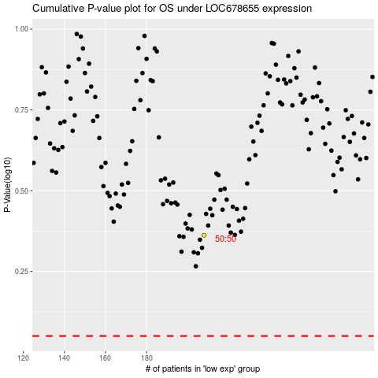

 |  |  |  |  |  | cases_OS | p_OS | rank | exp
 |  |  |  |  |  |  | cases_RFS | p_RFS | rank | exp

