LOC728190 _multivariate
Reported by Tex Li-Hsing Chi. tex@gate.sinica.edu.tw 2019-08-18

Table 2. The clinicopathological features of HNSCC cohort and LOC728190 expression. (Chi square test)
Cutoff at -0.148 (50.0%)
 |  | LOC728190 expression |  | LOC728190 expression |  | (Optimised)
 | Features | Low | (%) | High | (%) | Case no | P-value | Remark | Matthews
Gender | Female | 149 | 35.9 | 157 | 37.8 | 415 | 0.4848 | 0 | 0
2 | Male | 58 | 14 | 51 | 12.3
Age at diagnosis | <=65y | 134 | 32.3 | 140 | 33.7 | 415 | 0.6529 | 0 | 0
4 | >65y | 73 | 17.6 | 68 | 16.4
Clinical T Status | T1+T2 | 86 | 20.7 | 63 | 15.2 | 415 | 0.0221 | 1 | 0
6 | T3+T4 | 121 | 29.2 | 145 | 34.9
Clinical N Status | N0 | 114 | 27.5 | 102 | 24.6 | 415 | 0.2576 | 1 | 0
8 | N1-3 | 93 | 22.4 | 106 | 25.5
Clinical M Status | M0 | 206 | 49.6 | 206 | 49.6 | 415 | 1 | 0 | 0
10 | M1 | 1 | 0.2 | 2 | 0.5
Clinical Stage | Stage I+II | 55 | 13.3 | 47 | 11.3 | 415 | 0.4087 | 0 | 0
12 | Stage III+IV | 152 | 36.6 | 161 | 38.8
Surgical Margin status | Negative | 164 | 39.5 | 154 | 37.1 | 415 | 0.2462 | 0 | 0
14 | Positive | 43 | 10.4 | 54 | 13
Tobacco Exposure | Low | 80 | 19.3 | 81 | 19.5 | 415 | 1 | 0 | 0
16 | High | 127 | 30.6 | 127 | 30.6

Table 3. Univariate/Multivariate Cox's proportional hazards regression analyses on OS time of LOC728190 gene expression in HNSCC

 |  | Univariate |  |  |  | Multivariate
 | Features | HR | CI95%(L) | CI95%(H) | P-value | HR | CI95%(L) | CI95%(H) | P-value
1 | Female | 1 |  |  |  | 1
Gender | Male | 1.157 | 0.843 | 1.587 | 0.367 | 1.202 | 0.86 | 1.678 | 0.282
11 | <=65y | 1 |  |  |  | 1
Age at diagnosis | >65y | 1.329 | 0.99 | 1.784 | 0.058 | 1.392 | 1.024 | 1.892 | 0.035
12 | T1+T2 | 1 |  |  |  | 1
Clinical T Status | T3+T4 | 1.409 | 1.028 | 1.931 | 0.033 | 2.248 | 1.18 | 4.284 | 0.014
13 | N0 | 1 |  |  |  | 1
Clinical N Status | N1-3 | 1.185 | 0.89 | 1.577 | 0.246 | 1.25 | 0.875 | 1.787 | 0.22
14 | M0 | 1 |  |  |  | 1
Clinical M Status | M1 | 4.097 | 1.009 | 16.644 | 0.049 | 9.58 | 2.084 | 44.034 | 0.004
15 | Stage I+II | 1 |  |  |  | 1
Clinical Stage | Stage III+IV | 1.245 | 0.882 | 1.759 | 0.213 | 0.496 | 0.23 | 1.07 | 0.074
16 | Negative | 1 |  |  |  | 1
Surgical Margin status | Positive | 1.591 | 1.155 | 2.191 | 0.004 | 1.685 | 1.216 | 2.333 | 0.002
17 | Low | 1 |  |  |  | 1
Tobacco Exposure | High | 1.364 | 1.008 | 1.844 | 0.044 | 1.447 | 1.05 | 1.995 | 0.024
18 | Low | 1 |  |  |  | 1
RNAseq(z-score) | High | 1.033 | 0.775 | 1.375 | 0.826 | 0.941 | 0.701 | 1.264 | 0.686

Table 4. Univariate/Multivariate Cox's proportional hazards regression analyses on RFS time of LOC728190 gene expression in HNSCC

 |  | Univariate |  |  |  | Multivariate
 | Features | HR | CI95%(L) | CI95%(H) | P-value | HR | CI95%(L) | CI95%(H) | P-value
1 | Female | 1 |  |  |  | 1
Gender | Male | 1.157 | 0.843 | 1.587 | 0.367 | 1.202 | 0.86 | 1.678 | 0.282
11 | <=65y | 1 |  |  |  | 1
Age at diagnosis | >65y | 1.329 | 0.99 | 1.784 | 0.058 | 1.392 | 1.024 | 1.892 | 0.035
12 | T1+T2 | 1 |  |  |  | 1
Clinical T Status | T3+T4 | 1.409 | 1.028 | 1.931 | 0.033 | 2.248 | 1.18 | 4.284 | 0.014
13 | N0 | 1 |  |  |  | 1
Clinical N Status | N1-3 | 1.185 | 0.89 | 1.577 | 0.246 | 1.25 | 0.875 | 1.787 | 0.22
14 | M0 | 1 |  |  |  | 1
Clinical M Status | M1 | 4.097 | 1.009 | 16.644 | 0.049 | 9.58 | 2.084 | 44.034 | 0.004
15 | Stage I+II | 1 |  |  |  | 1
Clinical Stage | Stage III+IV | 1.245 | 0.882 | 1.759 | 0.213 | 0.496 | 0.23 | 1.07 | 0.074
16 | Negative | 1 |  |  |  | 1
Surgical Margin status | Positive | 1.591 | 1.155 | 2.191 | 0.004 | 1.685 | 1.216 | 2.333 | 0.002
17 | Low | 1 |  |  |  | 1
Tobacco Exposure | High | 1.364 | 1.008 | 1.844 | 0.044 | 1.447 | 1.05 | 1.995 | 0.024
18 | Low | 1 |  |  |  | 1
RNAseq(z-score) | High | 1.033 | 0.775 | 1.375 | 0.826 | 0.941 | 0.701 | 1.264 | 0.686

Kaplan-Meier survival estimate: Cutoff at -0.148 (50.0%)

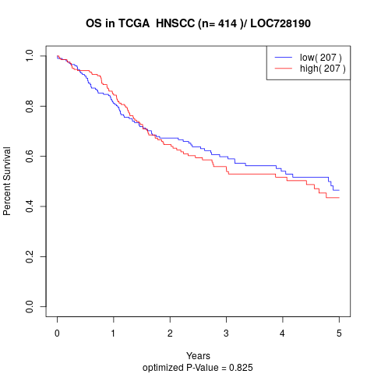

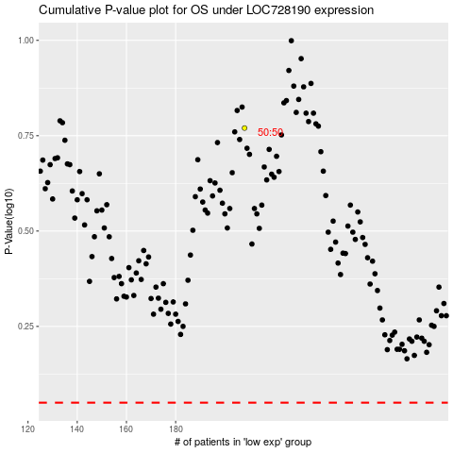

 |  |  |  |  |  | cases_OS | p_OS | rank | exp
 |  |  |  |  |  |  | cases_RFS | p_RFS | rank | exp

