LOC728264 _multivariate
Reported by Tex Li-Hsing Chi. tex@gate.sinica.edu.tw 2019-08-18

Table 2. The clinicopathological features of HNSCC cohort and LOC728264 expression. (Chi square test)
Cutoff at -0.223 (55.1%)
 |  | LOC728264 expression |  | LOC728264 expression |  | (Optimised)
 | Features | Low | (%) | High | (%) | Case no | P-value | Remark | Matthews
Gender | Female | 171 | 41.2 | 135 | 32.5 | 415 | 0.7118 | 0 | 0
2 | Male | 58 | 14 | 51 | 12.3
Age at diagnosis | <=65y | 153 | 36.9 | 121 | 29.2 | 415 | 0.7857 | 0 | 0
4 | >65y | 76 | 18.3 | 65 | 15.7
Clinical T Status | T1+T2 | 77 | 18.6 | 72 | 17.3 | 415 | 0.3315 | 0 | 0
6 | T3+T4 | 152 | 36.6 | 114 | 27.5
Clinical N Status | N0 | 111 | 26.7 | 105 | 25.3 | 415 | 0.1286 | 0 | 0
8 | N1-3 | 118 | 28.4 | 81 | 19.5
Clinical M Status | M0 | 227 | 54.7 | 185 | 44.6 | 415 | 1 | 0 | 0
10 | M1 | 2 | 0.5 | 1 | 0.2
Clinical Stage | Stage I+II | 47 | 11.3 | 55 | 13.3 | 415 | 0.044 | 1 | 0
12 | Stage III+IV | 182 | 43.9 | 131 | 31.6
Surgical Margin status | Negative | 174 | 41.9 | 144 | 34.7 | 415 | 0.8157 | 0 | 0
14 | Positive | 55 | 13.3 | 42 | 10.1
Tobacco Exposure | Low | 95 | 22.9 | 66 | 15.9 | 415 | 0.2253 | 0 | 0
16 | High | 134 | 32.3 | 120 | 28.9

Table 3. Univariate/Multivariate Cox's proportional hazards regression analyses on OS time of LOC728264 gene expression in HNSCC

 |  | Univariate |  |  |  | Multivariate
 | Features | HR | CI95%(L) | CI95%(H) | P-value | HR | CI95%(L) | CI95%(H) | P-value
1 | Female | 1 |  |  |  | 1
Gender | Male | 1.157 | 0.843 | 1.587 | 0.367 | 1.222 | 0.874 | 1.707 | 0.241
11 | <=65y | 1 |  |  |  | 1
Age at diagnosis | >65y | 1.329 | 0.99 | 1.784 | 0.058 | 1.396 | 1.028 | 1.894 | 0.032
12 | T1+T2 | 1 |  |  |  | 1
Clinical T Status | T3+T4 | 1.409 | 1.028 | 1.931 | 0.033 | 2.242 | 1.186 | 4.238 | 0.013
13 | N0 | 1 |  |  |  | 1
Clinical N Status | N1-3 | 1.185 | 0.89 | 1.577 | 0.246 | 1.219 | 0.855 | 1.737 | 0.274
14 | M0 | 1 |  |  |  | 1
Clinical M Status | M1 | 4.097 | 1.009 | 16.644 | 0.049 | 8.984 | 1.957 | 41.237 | 0.005
15 | Stage I+II | 1 |  |  |  | 1
Clinical Stage | Stage III+IV | 1.245 | 0.882 | 1.759 | 0.213 | 0.476 | 0.222 | 1.022 | 0.057
16 | Negative | 1 |  |  |  | 1
Surgical Margin status | Positive | 1.591 | 1.155 | 2.191 | 0.004 | 1.668 | 1.207 | 2.306 | 0.002
17 | Low | 1 |  |  |  | 1
Tobacco Exposure | High | 1.364 | 1.008 | 1.844 | 0.044 | 1.56 | 1.125 | 2.162 | 0.008
18 | Low | 1 |  |  |  | 1
RNAseq(z-score) | High | 0.701 | 0.52 | 0.943 | 0.019 | 0.681 | 0.502 | 0.922 | 0.013

Table 4. Univariate/Multivariate Cox's proportional hazards regression analyses on RFS time of LOC728264 gene expression in HNSCC

 |  | Univariate |  |  |  | Multivariate
 | Features | HR | CI95%(L) | CI95%(H) | P-value | HR | CI95%(L) | CI95%(H) | P-value
1 | Female | 1 |  |  |  | 1
Gender | Male | 1.157 | 0.843 | 1.587 | 0.367 | 1.222 | 0.874 | 1.707 | 0.241
11 | <=65y | 1 |  |  |  | 1
Age at diagnosis | >65y | 1.329 | 0.99 | 1.784 | 0.058 | 1.396 | 1.028 | 1.894 | 0.032
12 | T1+T2 | 1 |  |  |  | 1
Clinical T Status | T3+T4 | 1.409 | 1.028 | 1.931 | 0.033 | 2.242 | 1.186 | 4.238 | 0.013
13 | N0 | 1 |  |  |  | 1
Clinical N Status | N1-3 | 1.185 | 0.89 | 1.577 | 0.246 | 1.219 | 0.855 | 1.737 | 0.274
14 | M0 | 1 |  |  |  | 1
Clinical M Status | M1 | 4.097 | 1.009 | 16.644 | 0.049 | 8.984 | 1.957 | 41.237 | 0.005
15 | Stage I+II | 1 |  |  |  | 1
Clinical Stage | Stage III+IV | 1.245 | 0.882 | 1.759 | 0.213 | 0.476 | 0.222 | 1.022 | 0.057
16 | Negative | 1 |  |  |  | 1
Surgical Margin status | Positive | 1.591 | 1.155 | 2.191 | 0.004 | 1.668 | 1.207 | 2.306 | 0.002
17 | Low | 1 |  |  |  | 1
Tobacco Exposure | High | 1.364 | 1.008 | 1.844 | 0.044 | 1.56 | 1.125 | 2.162 | 0.008
18 | Low | 1 |  |  |  | 1
RNAseq(z-score) | High | 0.701 | 0.52 | 0.943 | 0.019 | 0.681 | 0.502 | 0.922 | 0.013

Kaplan-Meier survival estimate: Cutoff at -0.223 (55.1%)

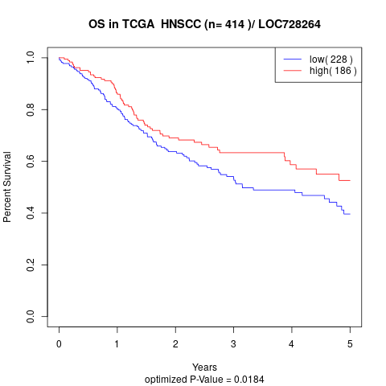

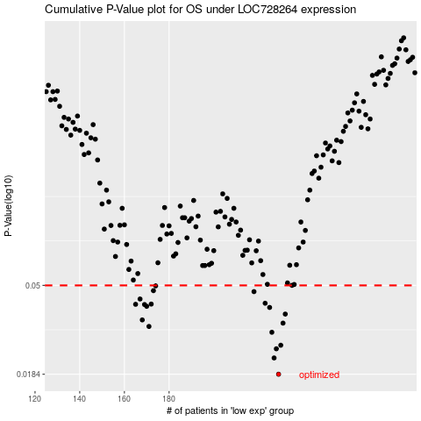

 |  |  |  |  |  | cases_OS | p_OS | rank | exp
 |  |  |  |  |  | 229 | 0.0184 | 120 | -0.22309838079
 |  |  |  |  |  | 227 | 0.0221 | 332 | -0.22748007669
 |  |  |  |  |  | 228 | 0.0245 | 125 | -0.2249417308
 |  |  |  |  |  | 230 | 0.0255 | 73 | -0.22116988228
 |  |  |  |  |  | 226 | 0.0295 | 409 | -0.22931422145
 |  |  |  |  |  | 171 | 0.0315 | 141 | -0.34985803558
 |  |  |  |  |  | 231 | 0.0327 | 346 | -0.21741874556
 |  |  |  |  |  | 168 | 0.0339 | 268 | -0.35286930086
 |  |  |  |  |  | 232 | 0.0362 | 272 | -0.21359972017
 |  |  |  |  |  | 225 | 0.039 | 186 | -0.2349547344
 |  |  |  |  |  | 170 | 0.0395 | 206 | -0.35105471724
 |  |  |  |  |  | 169 | 0.0403 | 10 | -0.35105586789
 |  |  |  |  |  | 165 | 0.0404 | 368 | -0.35877791652
 |  |  |  |  |  | 172 | 0.0405 | 305 | -0.34834607434
 |  |  |  |  |  | 223 | 0.0409 | 60 | -0.24069420372
 |  |  |  |  |  | 167 | 0.0429 | 220 | -0.3584453771
 |  |  |  |  |  | 218 | 0.0466 | 177 | -0.2597835774
 |  |  |  |  |  | 173 | 0.0471 | 81 | -0.34647625926
 |  |  |  |  |  | 174 | 0.0497 | 51 | -0.34324867076
 |  |  |  |  |  | 235 | 0.05 | 306 | -0.2035211292
 |  |  |  |  |  |  | cases_RFS | p_RFS | rank | exp
 |  |  |  |  |  |  | 228 | 0.0184 | 125 | -0.2249417308
 |  |  |  |  |  |  | 226 | 0.0221 | 409 | -0.22931422145
 |  |  |  |  |  |  | 227 | 0.0245 | 332 | -0.22748007669
 |  |  |  |  |  |  | 229 | 0.0255 | 120 | -0.22309838079
 |  |  |  |  |  |  | 225 | 0.0295 | 186 | -0.2349547344
 |  |  |  |  |  |  | 170 | 0.0315 | 206 | -0.35105471724
 |  |  |  |  |  |  | 230 | 0.0327 | 73 | -0.22116988228
 |  |  |  |  |  |  | 167 | 0.0339 | 220 | -0.3584453771
 |  |  |  |  |  |  | 231 | 0.0362 | 346 | -0.21741874556
 |  |  |  |  |  |  | 224 | 0.039 | 54 | -0.23616407326
 |  |  |  |  |  |  | 169 | 0.0395 | 10 | -0.35105586789
 |  |  |  |  |  |  | 168 | 0.0403 | 268 | -0.35286930086
 |  |  |  |  |  |  | 164 | 0.0404 | 372 | -0.35953159583
 |  |  |  |  |  |  | 171 | 0.0405 | 141 | -0.34985803558
 |  |  |  |  |  |  | 222 | 0.0409 | 239 | -0.24379522012
 |  |  |  |  |  |  | 166 | 0.0429 | 66 | -0.35858345576
 |  |  |  |  |  |  | 217 | 0.0466 | 155 | -0.26121039014
 |  |  |  |  |  |  | 172 | 0.0471 | 305 | -0.34834607434
 |  |  |  |  |  |  | 173 | 0.0497 | 81 | -0.34647625926
 |  |  |  |  |  |  | 234 | 0.05 | 325 | -0.2099038149

