LOC728323 _multivariate
Reported by Tex Li-Hsing Chi. tex@gate.sinica.edu.tw 2019-08-18

Table 2. The clinicopathological features of HNSCC cohort and LOC728323 expression. (Chi square test)
Cutoff at -0.185 (49.8%)
 |  | LOC728323 expression |  | LOC728323 expression |  | (Optimised)
 | Features | Low | (%) | High | (%) | Case no | P-value | Remark | Matthews
Gender | Female | 148 | 35.7 | 158 | 38.1 | 415 | 0.3567 | 0 | 0
2 | Male | 59 | 14.2 | 50 | 12
Age at diagnosis | <=65y | 130 | 31.3 | 144 | 34.7 | 415 | 0.2009 | 0 | 0
4 | >65y | 77 | 18.6 | 64 | 15.4
Clinical T Status | T1+T2 | 80 | 19.3 | 69 | 16.6 | 415 | 0.2891 | 0 | 0
6 | T3+T4 | 127 | 30.6 | 139 | 33.5
Clinical N Status | N0 | 112 | 27 | 104 | 25.1 | 415 | 0.4599 | 0 | 0
8 | N1-3 | 95 | 22.9 | 104 | 25.1
Clinical M Status | M0 | 204 | 49.2 | 208 | 50.1 | 415 | 0.1232 | 0 | 0
10 | M1 | 3 | 0.7 | 0 | 0
Clinical Stage | Stage I+II | 58 | 14 | 44 | 10.6 | 415 | 0.131 | 0 | 0
12 | Stage III+IV | 149 | 35.9 | 164 | 39.5
Surgical Margin status | Negative | 155 | 37.3 | 163 | 39.3 | 415 | 0.4187 | 0 | 0
14 | Positive | 52 | 12.5 | 45 | 10.8
Tobacco Exposure | Low | 89 | 21.4 | 72 | 17.3 | 415 | 0.0872 | 0 | 0
16 | High | 118 | 28.4 | 136 | 32.8

Table 3. Univariate/Multivariate Cox's proportional hazards regression analyses on OS time of LOC728323 gene expression in HNSCC

 |  | Univariate |  |  |  | Multivariate
 | Features | HR | CI95%(L) | CI95%(H) | P-value | HR | CI95%(L) | CI95%(H) | P-value
1 | Female | 1 |  |  |  | 1
Gender | Male | 1.157 | 0.843 | 1.587 | 0.367 | 1.196 | 0.854 | 1.675 | 0.297
11 | <=65y | 1 |  |  |  | 1
Age at diagnosis | >65y | 1.329 | 0.99 | 1.784 | 0.058 | 1.391 | 1.023 | 1.89 | 0.035
12 | T1+T2 | 1 |  |  |  | 1
Clinical T Status | T3+T4 | 1.409 | 1.028 | 1.931 | 0.033 | 2.195 | 1.16 | 4.152 | 0.016
13 | N0 | 1 |  |  |  | 1
Clinical N Status | N1-3 | 1.185 | 0.89 | 1.577 | 0.246 | 1.24 | 0.869 | 1.769 | 0.235
14 | M0 | 1 |  |  |  | 1
Clinical M Status | M1 | 4.097 | 1.009 | 16.644 | 0.049 | 9.183 | 1.98 | 42.599 | 0.005
15 | Stage I+II | 1 |  |  |  | 1
Clinical Stage | Stage III+IV | 1.245 | 0.882 | 1.759 | 0.213 | 0.509 | 0.236 | 1.096 | 0.084
16 | Negative | 1 |  |  |  | 1
Surgical Margin status | Positive | 1.591 | 1.155 | 2.191 | 0.004 | 1.668 | 1.206 | 2.305 | 0.002
17 | Low | 1 |  |  |  | 1
Tobacco Exposure | High | 1.364 | 1.008 | 1.844 | 0.044 | 1.455 | 1.056 | 2.006 | 0.022
18 | Low | 1 |  |  |  | 1
RNAseq(z-score) | High | 0.922 | 0.692 | 1.227 | 0.577 | 0.964 | 0.718 | 1.294 | 0.807

Table 4. Univariate/Multivariate Cox's proportional hazards regression analyses on RFS time of LOC728323 gene expression in HNSCC

 |  | Univariate |  |  |  | Multivariate
 | Features | HR | CI95%(L) | CI95%(H) | P-value | HR | CI95%(L) | CI95%(H) | P-value
1 | Female | 1 |  |  |  | 1
Gender | Male | 1.157 | 0.843 | 1.587 | 0.367 | 1.196 | 0.854 | 1.675 | 0.297
11 | <=65y | 1 |  |  |  | 1
Age at diagnosis | >65y | 1.329 | 0.99 | 1.784 | 0.058 | 1.391 | 1.023 | 1.89 | 0.035
12 | T1+T2 | 1 |  |  |  | 1
Clinical T Status | T3+T4 | 1.409 | 1.028 | 1.931 | 0.033 | 2.195 | 1.16 | 4.152 | 0.016
13 | N0 | 1 |  |  |  | 1
Clinical N Status | N1-3 | 1.185 | 0.89 | 1.577 | 0.246 | 1.24 | 0.869 | 1.769 | 0.235
14 | M0 | 1 |  |  |  | 1
Clinical M Status | M1 | 4.097 | 1.009 | 16.644 | 0.049 | 9.183 | 1.98 | 42.599 | 0.005
15 | Stage I+II | 1 |  |  |  | 1
Clinical Stage | Stage III+IV | 1.245 | 0.882 | 1.759 | 0.213 | 0.509 | 0.236 | 1.096 | 0.084
16 | Negative | 1 |  |  |  | 1
Surgical Margin status | Positive | 1.591 | 1.155 | 2.191 | 0.004 | 1.668 | 1.206 | 2.305 | 0.002
17 | Low | 1 |  |  |  | 1
Tobacco Exposure | High | 1.364 | 1.008 | 1.844 | 0.044 | 1.455 | 1.056 | 2.006 | 0.022
18 | Low | 1 |  |  |  | 1
RNAseq(z-score) | High | 0.922 | 0.692 | 1.227 | 0.577 | 0.964 | 0.718 | 1.294 | 0.807

Kaplan-Meier survival estimate: Cutoff at -0.185 (49.8%)

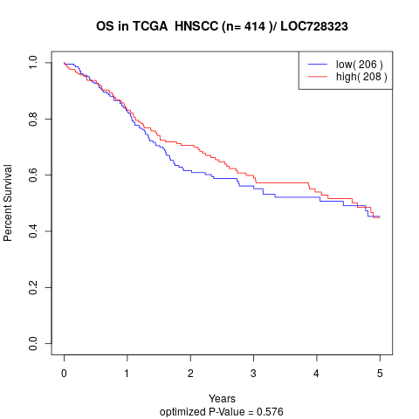

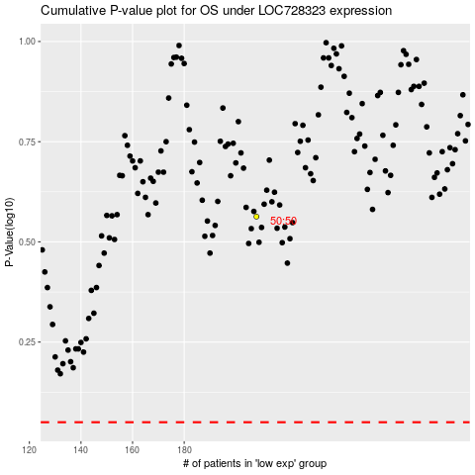

 |  |  |  |  |  | cases_OS | p_OS | rank | exp
 |  |  |  |  |  |  | cases_RFS | p_RFS | rank | exp

